Uploads
 | Department for Digital, Culture, Media and Sport
 | Finance Form
 | Applicant
 | Tab name | Uploads
 | Status of this worksheet | Incomplete
 | Has the requested documentation been uploaded below? | Select…

 | Supporting documents
 | Item | Embedded document
 | PDF Copy of accounts used (applicant)
 | PDF Copy of accounts used (holding organisation) - where applicable
 | Printed and signed scan of the 'Summary' tab - where electronic signature has not been included.
 | Other (provide details)
 | Other (provide details)
 | Other (provide details)
 | Other (provide details)
 | Other (provide details)

 | How to insert objects - Follow screen shots below

1)

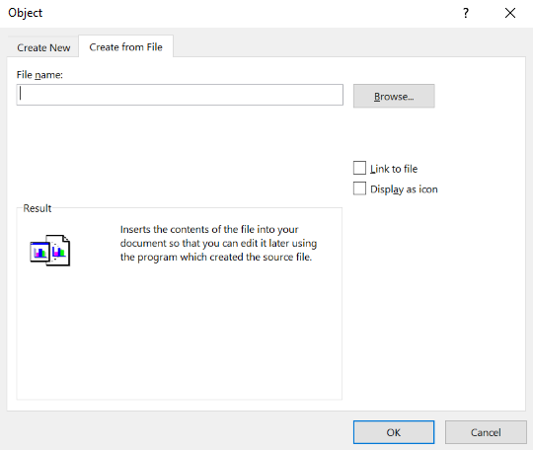
2)

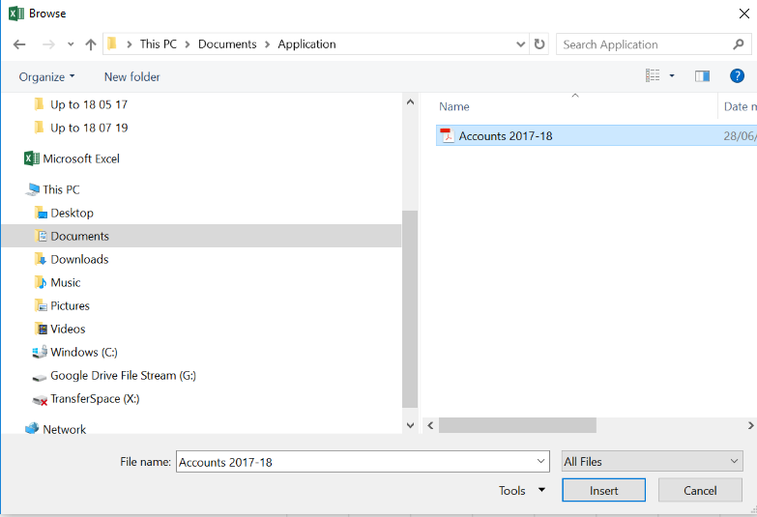
3)

 |  |  | Locate file you want to embed within workbook

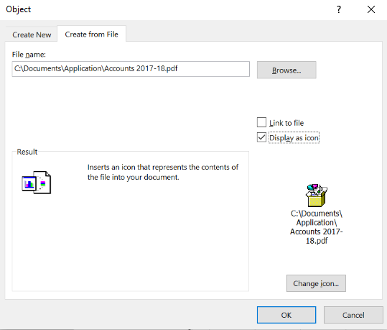
4)

5) | Should be complete when included:

