Index
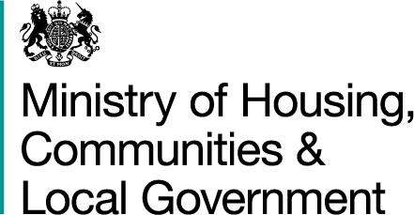

Quarterly Revenue Outturn (QRO): up to Quarter 3 2017-18
updated 22 March 2018

Metadata | Background information about how these statistics are derived and key points from this release

Live Table | Local authority expenditure in England during the financial year, broken down by quarter (Q1-Q3): Q1 2010–11 to Q3 2017-18

LA Drop Down | Local authority expenditure in England during the current financial year, up to Q3 2017-18 and forecast full year expenditure for 2017-18, by local authority

QRO LA Data Q1 2017-18 | Individual local authority expenditure data, England, Q1 2017-18

QRO LA Data Q2 2017-18 | Individual local authority expenditure data, England, Q2 2017-18

QRO LA Data Q3 2017-18 | Individual local authority expenditure data, England, Q3 2017-18

England year to date table | Estimated Quarterly Revenue Outturn data for England up to "&date_q_short&" "&date_fy_year&" compared to Budget figures provided in the Revenue Account"

