Introduction
 |  |  | Quarterly forecast for the Domestic RHI scheme as at 31 January 2018
 |  |  | TARIFF CHANGE NOTICE AND EXPENDITURE FORECAST STATEMENT

 | This workbook contains the monthly expenditure forecast statement for the Domestic RHI scheme.
 | These documents are published by BEIS in accordance with Regulation 38 of the Domestic Renewable Heat Incentive Scheme Regulations 2014 ("the regulations").

 | The data contained in this publication are based on the scheme data as at 31 January 2018, which have been provided by the Office of Gas and Electricity Markets (Ofgem) who administer the scheme.
 | The figures in the publication show the expenditure forecasts for each tariff category within the Domestic scheme and compares them to the thresholds as set out in the regulations.

 | The next quarterly degression assessment will be published by 1 June 2018.

 |  | Spreadsheet contents
 | 1 | Summary | - Table 1. Which contains the current expenditure forecasts for each tariff band and the relevant threshold values for the next assessment date
 |  |  | - This tab also contains an executive summary explaining any changes that have occurred this month. It will also give details of any thresholds that have
 |  |  | been exceeded or are likely to be exceeded in the coming quarterly assessment.
 | 2 | Graph interpretation
 | 3 | Graphs for each tariff category | - Showing forecast expenditure for all previous months
 | 4 | Glossary
 | 5 | Scheme background

 | Further information about the operation of the domestic budget management mechanism is available at the following link:

 | https://www.gov.uk/government/uploads/system/uploads/attachment_data/file/263190/Domestic_budget_management_publication_-_Dec_2013.pdf

 | The following links are to additional information:

 |  | Expenditure thresholds contained in the schedule to the RHI Regulations.

 |  | BEIS official statistics – Renewable Heat Incentive (RHI) and Renewable Heat Premium Payment (RHPP) statistics

 |  | Guidance on the Domestic RHI

 | If you have any comments regarding the format of the Monthly and/or Quarterly forecast publications please email rhi@beis.gov.uk marking your email ‘RHI – monthly forecast'

1. Summary and Table 1.
QUARTERLY EXPENDITURE FORECAST STATEMENT

Executive Summary
The table below summarises the current position under the scheme. No tariffs will be reduced as a result of this statement.
The tables below show how the forecast expenditure for the next 12 months compares to the expenditure and super expenditure thresholds set out in the Scheme Regulations (i.e. the expenditure anticipated for the subsequent year against these expenditure thresholds).
Please note that where forecast expenditure is at 31 January 2018 for each tariff category are shown in the tables below (column two), these are compared to the expenditure thresholds set out in the regulations for 31 January 2018. These thresholds are used when determining whether any tariffs will be reduced.

Table 1: comparing forecast expenditure between quarters and against expenditure thresholds
Tariff category | Forecast expenditure (£m) as at 31/01/2018 | Expenditure threshold (£m) for each technology, as at 31/01/2018 | Has the threshold been breached (YES/NO) | Last quarter's forecast expenditure (£m) at 31/10/2017 | Growth from last quarter (£m) | Growth threshold (£m) | Has the growth threshold been breached (YES/NO)
Description |  | This is the maximum tolerable level of expenditure | Indicator variable | Based on actual data provided by Ofgem | The difference between forecast expenditure as at 31/01/2018 and 31/10/2017 | Anticipated growth between 31/10/2017 and 31/01/2018 | Indicator variable. Has growth from previous quarter exceeded anticipated growth (the increase between this and previous quarterly threshold point)
Air source heat pumps | 17.31 | 30.15 | NO | 16.03 | 1.28 | 3.26 | NO
Ground source heat pumps | 17.09 | 21.48 | NO | 16.55 | 0.54 | 1.38 | NO
Biomass plants | 40.99 | 45.57 | NO | 40.63 | 0.36 | 1.32 | NO
Solar thermal plants | 1.09 | 2.12 | NO | 1.04 | 0.05 | 0.29 | NO

Table 2: comparing forecast expenditure between quarters and against super expenditure thresholds
Tariff category | Forecast expenditure (£m) as at 31/01/2018 | Super expenditure threshold (£m) for each technology, as at 31/01/2018 | Has the super threshold been breached (YES/NO) | Last quarter's forecast expenditure (£m) at 31/10/2017 | Growth from last quarter (£m) | Super growth threshold (£m) | Has the super growth threshold been breached (YES/NO)
Description | Based on actual data provided by Ofgem |  | Indicator variable | Based on actual data provided by Ofgem | The difference between forecast expenditure as at 31/01/2018 and 31/10/2017 | Anticipated growth between 31/10/2017 and 31/01/2018 | Indicator variable. Has growth from previous quarter exceeded anticipated growth (the increase between this and previous quarterly super threshold point)
Air source heat pumps | 17.31 | 49.90 | NO | 16.03 | 1.28 | 4.86 | NO
Ground source heat pumps | 17.09 | 29.25 | NO | 16.55 | 0.54 | 2.00 | NO
Biomass plants | 40.99 | 51.45 | NO | 40.63 | 0.36 | 1.79 | NO
Solar thermal plants | 1.09 | 4.70 | NO | 1.04 | 0.05 | 0.49 | NO

The forecast expenditure represents the amount we anticipate we will pay out between 31 January 2018 and 30 January 2019 based on eligible applications received as at the assessment date.
As at 31 January 2018 , forecast expenditure for all technologies remains below their expenditure thresholds for the quarter ending 31 January 2018.
No Tariff reductions will be applied this quarter. The next quarterly forecast will be published on 1 June 2018 with the next potential tariff reductions taking effect from 1 July 2018.
Any Tariff reductions made in the next quarter will be based on whether or not forecast expenditure at 30 April 2018 is above its expenditure threshold or its super expenditure thresholds ; recieving a 10% or a 20% tariff reduction respectively.
Please note that the expenditure forecasts only include applications for systems installed on or after 9 April 2014 as only these installations are counted towards the degression thresholds.

2. Graph interpretation
Guide to graph interpretation

 | Graphs for the total forecast expenditure and each tariff category can be found in the following tabs. The graph makes it possible to compare each subsequent 12 month forecast expenditure against the anticipated expenditure and against the expenditure threshold. The example graph below does not contain real data and should be used only as a guide to help interpret the graphs on the following tabs.

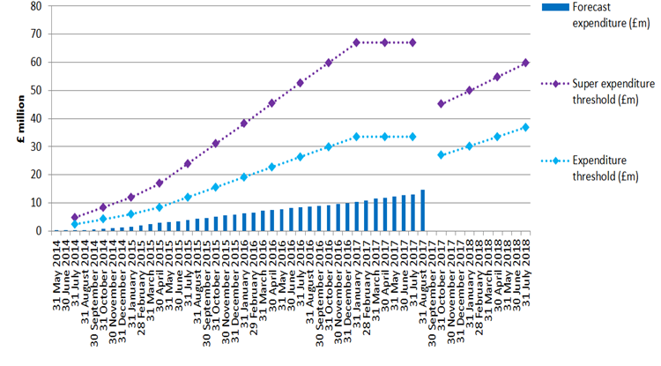

Over time it will be possible to see the trend in each 12 month forecast expenditure made each month

The markers on each line represent the quarterly assessment dates. Exceeding the expenditure threshold or super expenditure threshold lines at an assessment date could result in a tariff reduction

Expenditure thresholds were amended in regulations on 20 September 2017. This is why there is a break in the lines between July 2017 and October 2017

Total forecast expenditure for the following 12 months

Date at which the forecast for the following 12 months is calculated

3. ASHP graph
Air source heat pumps forecast expenditure as at 31.08.2016

3. GSHP graph
Ground source heat pumps forecast expenditure as at 30.06.2016

3. Biomass graph
Biomass plants forecast expenditure as at 30.06.2016

3. Solar thermal graph
Solar thermal plants forecast expenditure as at 30.06.2016

5. Scheme background
Domestic RHI scheme background

The Domestic RHI is an incentive scheme where participants receive tariff payments for the heat generated from an eligible renewable heating system which is heating a single dwelling. Payments are made over a seven-year period and tariff levels for each eligible technology have been calculated to bridge the financial gap between the cost of renewable and off-gas heating systems.
The eligible technologies are air source heat pumps, ground source heat pumps, biomass boilers and biomass stoves with integrated boilers, and solar thermal panels. All systems must be installed under the Microgeneration Certification Scheme (MCS) or an equivalent scheme. MCS is an independent mark of quality assurance for microgeneration products and their proper installation.
In most cases, the amount of renewable heat generated will be estimated (‘deemed’). However, in some cases involving heat pumps and biomass systems, it will be assessed on meter readings, for example, where there is a secondary heating system in place. For heat pumps and biomass systems, the deemed heat generation is estimated using values from the Energy Performance Certificate (EPC) of the relevant residence. An EPC contains values for the space heating and hot water demands of the property which have been calculated based on the physical characteristics of the dwelling. For solar thermal systems, the deemed amount is based on a calculation done by the MCS installer. In cases where metering is required, readings are used as the basis for working out RHI payments, capped at the deemed amount for that dwelling. In all cases, payment is calculated by multiplying the heat demand for the property by the tariff rate (pence per kWh).
Before applying for the RHI, applicants must have an EPC generated for their property. They must also install loft and cavity wall insulation where these measures are recommended by their EPC, unless there are valid reasons not to. An updated EPC will be needed as evidence of their installation.
The scheme is administered by Ofgem. Please see the RHI webpage in relation to the policy or the Ofgem E-serve webpage for how to apply, and scheme eligibility and guidance.
The scheme opened on 9 April 2014 and applicants may claim for eligible systems which were installed on or after 15 July 2009. Applications for all systems installed before 9 April 2014 had to have been submitted by 8 April 2015. Applications for systems submitted from 9 April 2014 must be submitted within 12 months of the plant's first commissioning date.

