Guidance
General Fund Revenue Account
Budget 2024-25
Data Preparation Template

The deadline for return of the RA suite of forms is 5 April 2024.

The purpose of this template is to enable the collation and bulk upload of the Revenue Account budget data to DELTA: https://delta.communities.gov.uk/login (the DLUHC online collection system). You can complete the 'Form' sheet in a similar way to previous returns.

The upload functionality now allows re-uploading and you will overwrite data uploaded previously. Please refer to the screenshot guidance when uploading. Information about the system can be found here: https://delta.communities.gov.uk/help-and-guidance

If you need access or need general support around logging in or using the system please contact the Help Desk at: DLUHC.Digital-Services@levellingup.gov.uk.

This template is provided to assist in your data preparation, but is not a replacement for DELTA.
You must complete the final submission in DELTA and this includes reviewing your data in
response to validation challenges and providing explanatory comments in DELTA where requested.

We hope that you will find this template helpful and we would welcome your feedback or any technical queries about the data to be recorded in the form itself by email to:

lgf1.revenue@levellingup.gov.uk

[SCROLL DOWN FOR GUIDANCE]

Full guidance notes are provided online at the link below.
https://www.gov.uk/government/publications/general-fund-revenue-account-budget

Sheet protection
Worksheets are protected to avoid overwriting where this is not necessary. However, should you need to overwrite
anything e.g. for grant data (be careful not to overwrite any other formula!), including everything in the 'Upload' worksheet.
Please follow the instructions below:
*On the File menu, point to Info
*In the protect workbook section, click on unprotect
*This will unprotect the sheet
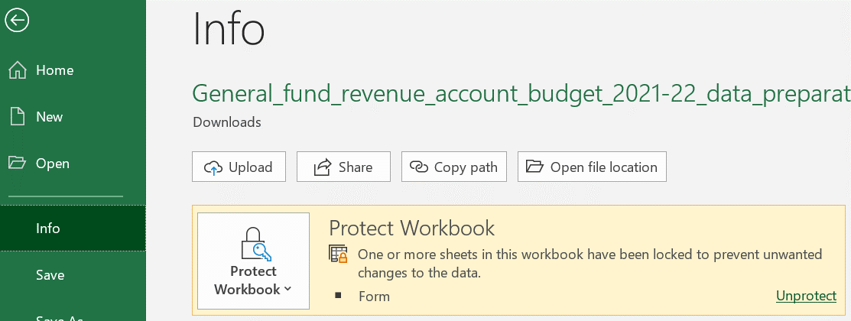

Changes to RA template since 2022-23

Deleted lines
Line RA357 COVID-19 discharge costs
Line RA915b of which: share of COVID business rate relief grant 2021-22 (-)
Line RA1028 Authority's notional share of 2021-22 COVID business rates relief grants
Line RA1029 Other Earmarked reserves: of which, exceptional (enter description in the cell below)
Line SG329 Lower Tier Services Grant
Line SG330 Former Independent Living Fund recipient grant
Line SG543 Localised Council Tax support administration subsidy grant

Lines moved
* No Change

Changes to existing lines
* Line SG331 ASC Market Sustainability and Improvement Fund
* Line SG338 Services Grant

Insertion of new lines
* Line RA1027a ASC text box to provide details of any exceptional component within line 1027 at 1/4/2023.
* Line RA1027b ASC text box to provide details of any exceptional component within line 1027 at 31/3/2024.
* Line SG339 ASC Discharge Fund has been added.
* Line SG342 Funding Guarantee has been added.

Guidance on the Bulk Upload
Double-click to scroll through document

