INSTRUCTIONS
Animal use data 2021 PLEASE ENSURE MACROS ARE ENABLED TO ENSURE THIS SPREADSHEET FUNCTIONS PROPERLY - If the security warning appears, please follow the instructions below (see step 1 for Windows users or step M for Mac users) - If no security warning appears, please continue to the next page You will be asked to resubmit the form if macros have not been enabled If you require assistance, contact ASRU Business Support Team at ROPReturns@homeoffice.gov.uk

For Windows users (for Mac users, see below). Please note, this is an example and the macro message may not look exactly like this.

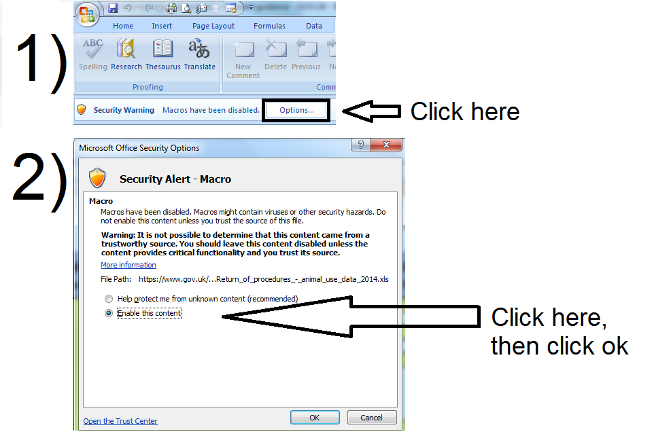

If you require assistance, contact ASRU Business Support Team at ROPReturns@homeoffice.gsi.gov.uk or phone 020 7035 0583 / 8625

For Mac users (for Windows users, see above). Please note, this is an example and the macro message may not look exactly like this.

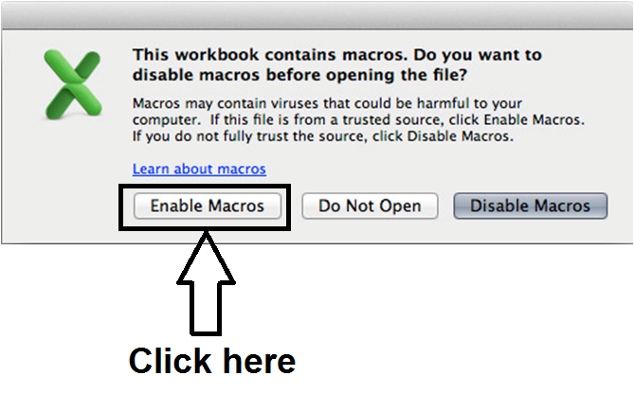
M)

