Front sheet
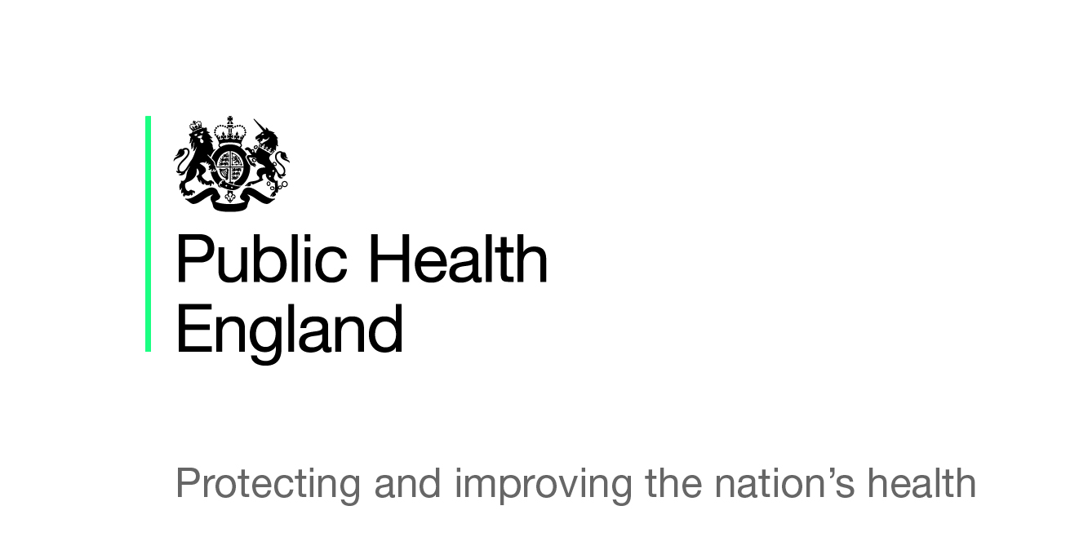
Statistical Release
Breastfeeding prevalence at 6-8 weeks
after birth (by local authority)
Experimental Statistics
2017/18 Quarter 2 (January 2018 release)
© Crown Copyright 2018 You may re-use this information (excluding logos) free of charge in any format or medium, under the terms of the Open Government Licence v3.0. To view this licence, visit https://www.nationalarchives.gov.uk/doc/open-government-licence/version/3/ or email psi@nationalarchives.gsi.gov.uk. Where we have identified any third party copyright information you will need to obtain permission from the copyright holders concerned. Any enquiries regarding this publication should be sent to interimreporting@phe.gov.uk.

Summary of results
Summary of results
Breastfeeding prevalence at 6-8 weeks after birth (by local authority)
2017/18 Quarter 2
(January 2018 release)
Background
The breastfeeding information within this publication has been obtained via a new interim reporting system to collect health visiting activity at a local authority resident level. Quarter 1 of 2015-16 was the first reporting period and the reporting by local authorities to Public Health England is voluntary.
Caution should be exercised when interpreting these figures as it is a new data collection and there is not full coverage. Any figures shown at a PHE Centre or England level are based on an aggregate total of local authorities within those areas who supplied data items which complied with national validation criteria for the breastfeeding indicator.
The statistics produced are still experimental and undergoing evaluation and development. Therefore they are subject to modifications in future releases.
Summary of Quarter 2
Of 150 reporting local authorities (Hackney & City of London and Cornwall & Isles of Scilly report jointly), 145 submitted a return for the interim reporting collection for Quarter 2 2017/18.
14 of the 145 submissions failed stage 1 validation (failing to provide either the number of infants due a 6-8 week review or the number of infants totally/partially being breastfed). The aggregated totals for each PHE centre and the England value is therefore based on submissions from 131 reporting local authorities.
Breastfeeding rates at a PHE centre level can be published for three PHE Centres, the North East, North West, and East of England. The others cannot be published as they fail to meet the validation at stage 3 (known breastfeeding status for infants age 6-8 weeks does not meet the 95% quality standard - please refer to 'Validation Rules' for more information).
An aggregate England value can be published based on the 131 submissions passing stage 1 validation, due to the England threshold being lower at 85%.
The aggregate breastfeeding rate for Q2 for England based on 131 reporting local authorities is 42.8% (with confidence intervals of 42.6 – 43.1%).
This is lower than the aggregate breastfeeding rate of 44.2% for Q2 2016/17, based on the final figures published in November 2017.
Full information (percentages and confidence intervals) can only be published for 61 reporting local authorities as 2 areas failed validation checks at stage 2 (children due 6-8 week reviews not within 20% of the resident population of babies aged 0) and 68 failed validation checks at stage 3 (breastfeeding status not known for 95% of infants due 6-8 week reviews - please refer to 'Validation rules' for more information).

Note: This publication should be read in conjunction with the Statistical Commentary
https://www.gov.uk/government/statistics/breastfeeding-at-6-to-8-weeks-after-birth-2017-to-2018-quarterly-data

Definitions
Definitions
Information was historically published by NHS England at CCG level based on registered population, however on 1 October 2015 the commissioning of health visiting services transferred to local authorities.
Public Health England has established an interim reporting system to collate the breastfeeding information until the Maternity and Children's Dataset (MCDS) is in a position to report more fully.
Local authorities have been asked to report a number of health visiting metrics at a resident population level (for each quarter of 2015/16, 2016/17 and 2017/18). The following four data items are key:
The number of infants due 6-8 weeks reviews in each quarter.
The number of infants being “totally” breastfed (defined as infants who are exclusively receiving breast milk at 6-8 weeks of age - that is, they are NOT receiving formula milk, any other liquids or food).
The number of infants being “partially” breastfed (defined as infants who are currently receiving breast milk at 6-8 weeks of age and who are also receiving formula milk or any other liquids or food).
The number of infants being “not at all” breastfed (defined as infants who are not currently receiving any breast milk at 6-8 weeks of age).

Validation rules
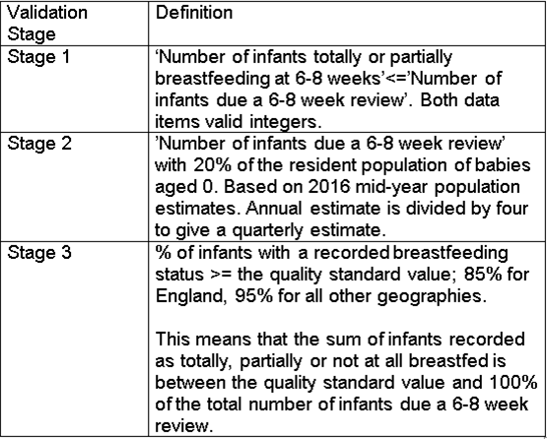
Validation rules
Local authorities submitting a nil return will be classed as a non-submission.
Submissions go through a number of validation stages:
Each area has to pass all 3 stages in order for its values to be shown.

