Figure1
Figure 1: Associations between client-level characteristics and the likelihood of having a recorded offence in the two years prior to starting treatment
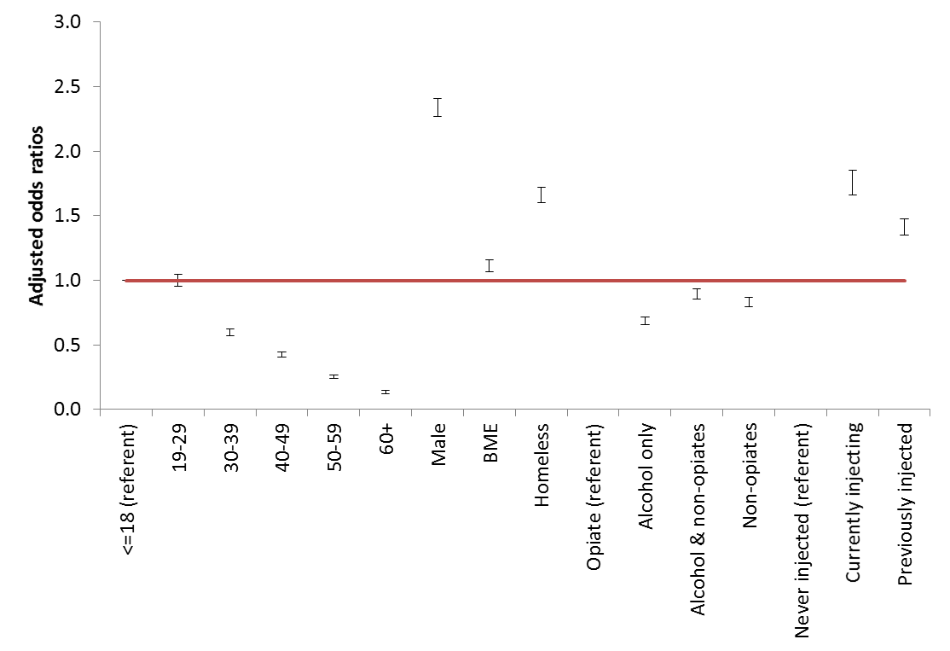
 | Variable | Adjusted odds ratio | LCI | UCI
 | <=18 (referent) | 1.0 | 1.00 | 1.00
 | 19-29 | 1.0 | 0.96 | 1.04
 | 30-39 | 0.6 | 0.57 | 0.63
 | 40-49 | 0.4 | 0.40 | 0.45
 | 50-59 | 0.3 | 0.24 | 0.27
 | 60+ | 0.1 | 0.12 | 0.15
 | Male | 2.3 | 2.27 | 2.40
 | BME | 1.1 | 1.07 | 1.16
 | Homeless | 1.7 | 1.60 | 1.72
 | Opiate (referent) | 1.0 | 1.00 | 1.00
 | Alcohol only | 0.7 | 0.66 | 0.72
 | Alcohol & non-opiates | 0.9 | 0.86 | 0.94
 | Non-opiates | 0.8 | 0.79 | 0.87
 | Never injected (referent) | 1.0 | 1.00 | 1.00
 | Currently injecting | 1.8 | 1.66 | 1.85
 | Previously injected | 1.4 | 1.35 | 1.47

Figure2
Figure 2 Reduction in re-offending in the two-years following the start of treatment, by substance group

 |  | Substance group | Offenders | Offences
 | Substance group | Opiates | -31% | -21%
 |  | Alcohol only | -59% | -49%
 |  | Alcohol & non-opiates | -44% | -36%
 |  | Non-opiates only | -44% | -35%
 |  | Total | -44% | -33%

Figure3
 | Pre- | Post-
0 | 0 | 20290
1 | 20059 | 8985 | 55%
2 | 9457 | 5197 | 45%
3 | 5347 | 3322 | 38%
4 | 3338 | 2301 | 31%
5 | 2325 | 1595 | 31%
6 | 1581 | 1179 | 25%
7 | 1132 | 856 | 24%
8 | 840 | 625 | 26%
9 | 552 | 469 | 15%
10 | 390 | 350 | 10%
11 | 330 | 263 | 20%
12 | 225 | 200 | 11%
13 | 160 | 115 | 28%
14 | 108 | 98 | 9%
15+ | 322 | 321 | 0%
Figure 3 Change in offending by severity of offending
 |  | Frequency of offences
 | No. of offences | Pre- | Post- | % Change
 | No. of offences | Pre- | Post-
 | 0 | 0 | 20290
 | 1 | 20059 | 8985 | 55%
 | 2 | 9457 | 5197 | 45%
 | 3 | 5347 | 3322 | 38%
 | 4 | 3338 | 2301 | 31%
 | 5 | 2325 | 1595 | 31%
 | 6 | 1581 | 1179 | 25%
 | 7 | 1132 | 856 | 24%
 | 8 | 840 | 625 | 26%
 | 9 | 552 | 469 | 15%
 | 10 | 390 | 350 | 10%
 | 11 | 330 | 263 | 20%
 | 12 | 225 | 200 | 11%
 | 13 | 160 | 115 | 28%
 | 14 | 108 | 98 | 9%
 | 15+ | 322 | 321 | 0%

Figure4
Figure 4 Change in offending by number of pre-treatment prison spells
 | No. of prison spells | Offenders | Offences
 |  | Offenders | Offences
 | 0 | -52% | -38%
 | 1 | -29% | -25%
 | 2 | -16% | -24%
 | 3 | -9% | -28%
 | 4 | -6% | -31%
 | 5 | -5% | -31%
 | 6+ | -5% | -34%

Figure6
Figure 6: Reduction in re-offending in the two-years following the start of treatment for opiate clients, by discharge status

 |  |  | Offenders | Offences
 | Opiates | Dropout | -20% | -10%
 |  | Successful completion | -44% | -39%
 |  | Still in treatment | -46% | -47%

Figure7
Figure 7: Associations between client-level characteristics and the likelihood of having a recorded offence in the two years following the start of treatment

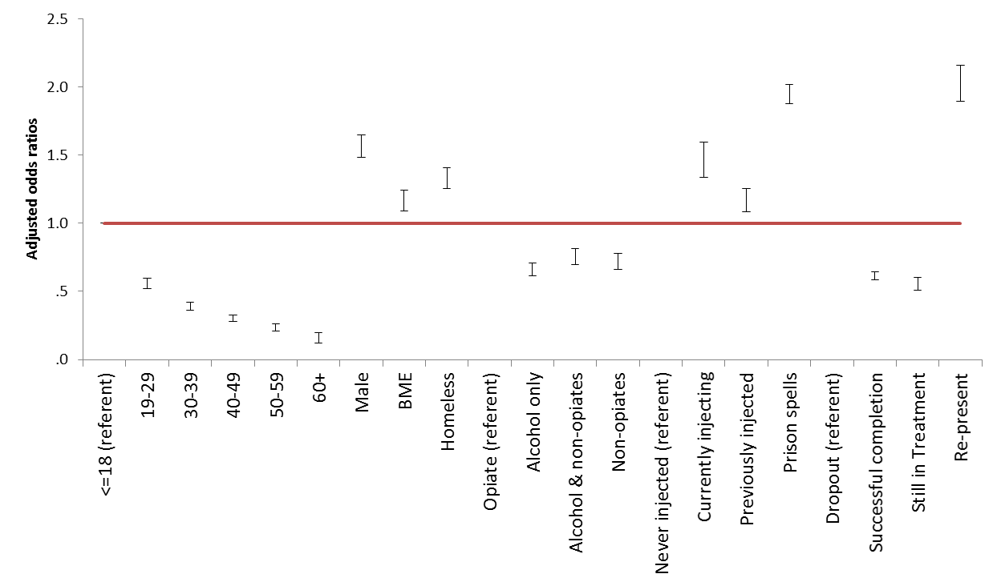
 | Variable | Adjusted odds ratio | LCI | UCI
 |  | AOR | Constant
 | <=18 (referent) | 1.0 | 1.00 | 1.00
 | 19-29 | 0.6 | 0.52 | 0.60
 | 30-39 | 0.4 | 0.36 | 0.42
 | 40-49 | 0.3 | 0.28 | 0.33
 | 50-59 | 0.2 | 0.21 | 0.26
 | 60+ | 0.2 | 0.12 | 0.20
 | Male | 1.6 | 1.48 | 1.65
 | BME | 1.2 | 1.09 | 1.24
 | Homeless | 1.3 | 1.26 | 1.41
 | Opiate (referent) | 1.0 | 1.00 | 1.00
 | Alcohol only | 0.7 | 0.61 | 0.71
 | Alcohol & non-opiates | 0.8 | 0.70 | 0.81
 | Non-opiates | 0.7 | 0.66 | 0.78
 | Never injected (referent) | 1.0 | 1.00 | 1.00
 | Currently injecting | 1.5 | 1.34 | 1.59
 | Previously injected | 1.2 | 1.09 | 1.25
 | Prison spells | 1.9 | 1.88 | 2.02
 | Dropout (referent) | 1.0 | 1.00 | 1.00
 | Successful completion | 0.6 | 0.59 | 0.64
 | Still in Treatment | 0.6 | 0.51 | 0.60
 | Re-present | 2.0 | 1.89 | 2.16

Figure8
Figure 8: Offences per person year for all clients starting treatment in 2012
 |  | Offences per person year
 | Setting | Pre- | Post-
 |  | Pre- | Post-
 | Treatment | 2.1 | 1.3
 | Prison | 0.6 | 0.6
 | Both | 2.8 | 3.1
 | Neither | 1.3 | 0.7
 | Total | 1.4 | 0.9

