Contents

Vocational and Other Qualifications Quarterly: July to September (quarter 3) 2017
 |  | England, Wales, Northern Ireland
Summary | Main trends for this quarter

Table 1 | Number of certificates awarded by qualification type

Table 2 | Number of certificates awarded by qualification level

Table 3 | Number of certificates awarded by sector subject area

Table 4 | Number of certificates awarded by country

Table 5 | Number of certificates awarded in the past 5 years

Table 6 | The 50 qualifications with the most number of certificates issues in this quarter

Table 7 | The 50 awarding organisations with the most number of certificates issued in this quarter - England

Table 8 | The 50 awarding organisations with the most number of certificates issued in this quarter - Northern Ireland

Table 9 | The 50 awarding organisations with the most number of certificates issued in this quarter - Wales

Notes | Notes accompanying this release

Reference: Ofqual/17/6310/1
Release date: 7 December 2017
Head of Profession: Vikas Dhawan
Contact: statistics@ofqual.gov.uk

Certificates by type
Number of certificates awarded by type
Comparison with the same quarter previous year and previous 12 months
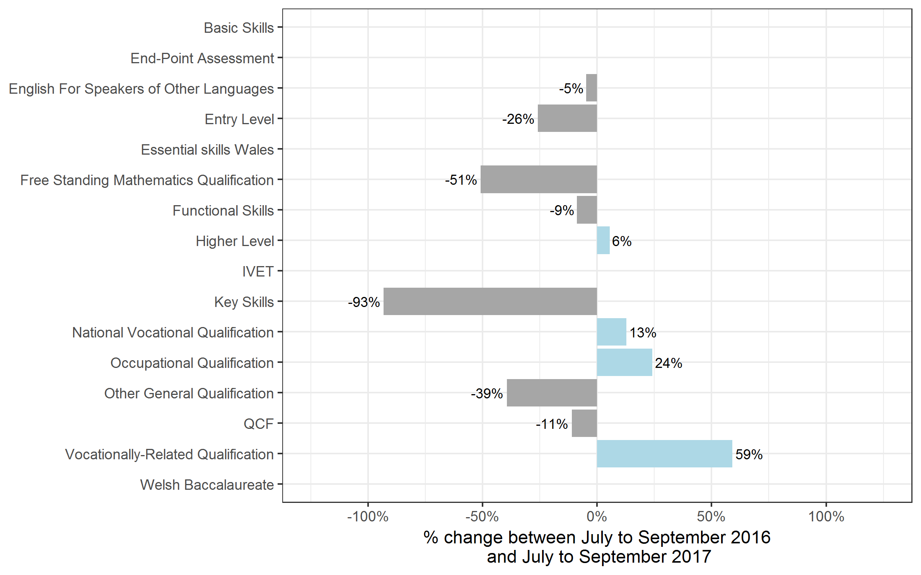
Type | Jul 2016 to Sep 2016 | Jul 2017 to Sep 2017 | Oct 2015 to Sep 2016 | Oct 2016 to Sep 2017
Basic Skills | 0 | 0~ | 0~ | 0~
CVET | 50 | 850 | 50 | 1,650
End-Point Assessment | 0 | 0 | 0 | 0
English For Speakers of Other Languages | 77,100 | 73,500 | 225,400 | 212,600
Entry Level | 60,950 | 45,200 | 72,550 | 53,600
Essential skills Wales | 0 | 0 | 0 | 0
Free Standing Mathematics Qualification | 35,000 | 17,250 | 35,450 | 17,700
Functional Skills | 296,050 | 269,900 | 842,300 | 765,750
Higher Level | 4,500 | 4,750 | 11,850 | 11,650
IVET | 0 | 700 | 0 | 900
Key Skills | 26,500 | 1,800 | 59,450 | 3,800
National Vocational Qualification | 19,700 | 22,200 | 57,500 | 61,250
Occupational Qualification | 9,350 | 11,550 | 35,450 | 40,450
Other General Qualification | 828,950 | 501,850 | 1,016,750 | 610,650
QCF | 1,782,100 | 1,585,050 | 4,669,450 | 4,257,650
Vocationally-Related Qualification | 159,800 | 254,300 | 360,450 | 558,700
Welsh Baccalaureate | 0 | 0 | 0 | 0
Total | 3,300,000 | 2,788,900 | 7,386,600 | 6,596,300

Note: CVET is excluded from the chart to make the chart meaningful as it showed a very large percentage increase (3078%) relative to the other qualification types. The percentages are calculated using unrounded figures.

Certificates by level
Number of certificates awarded by level
Comparison with the same quarter previous year and previous 12 months
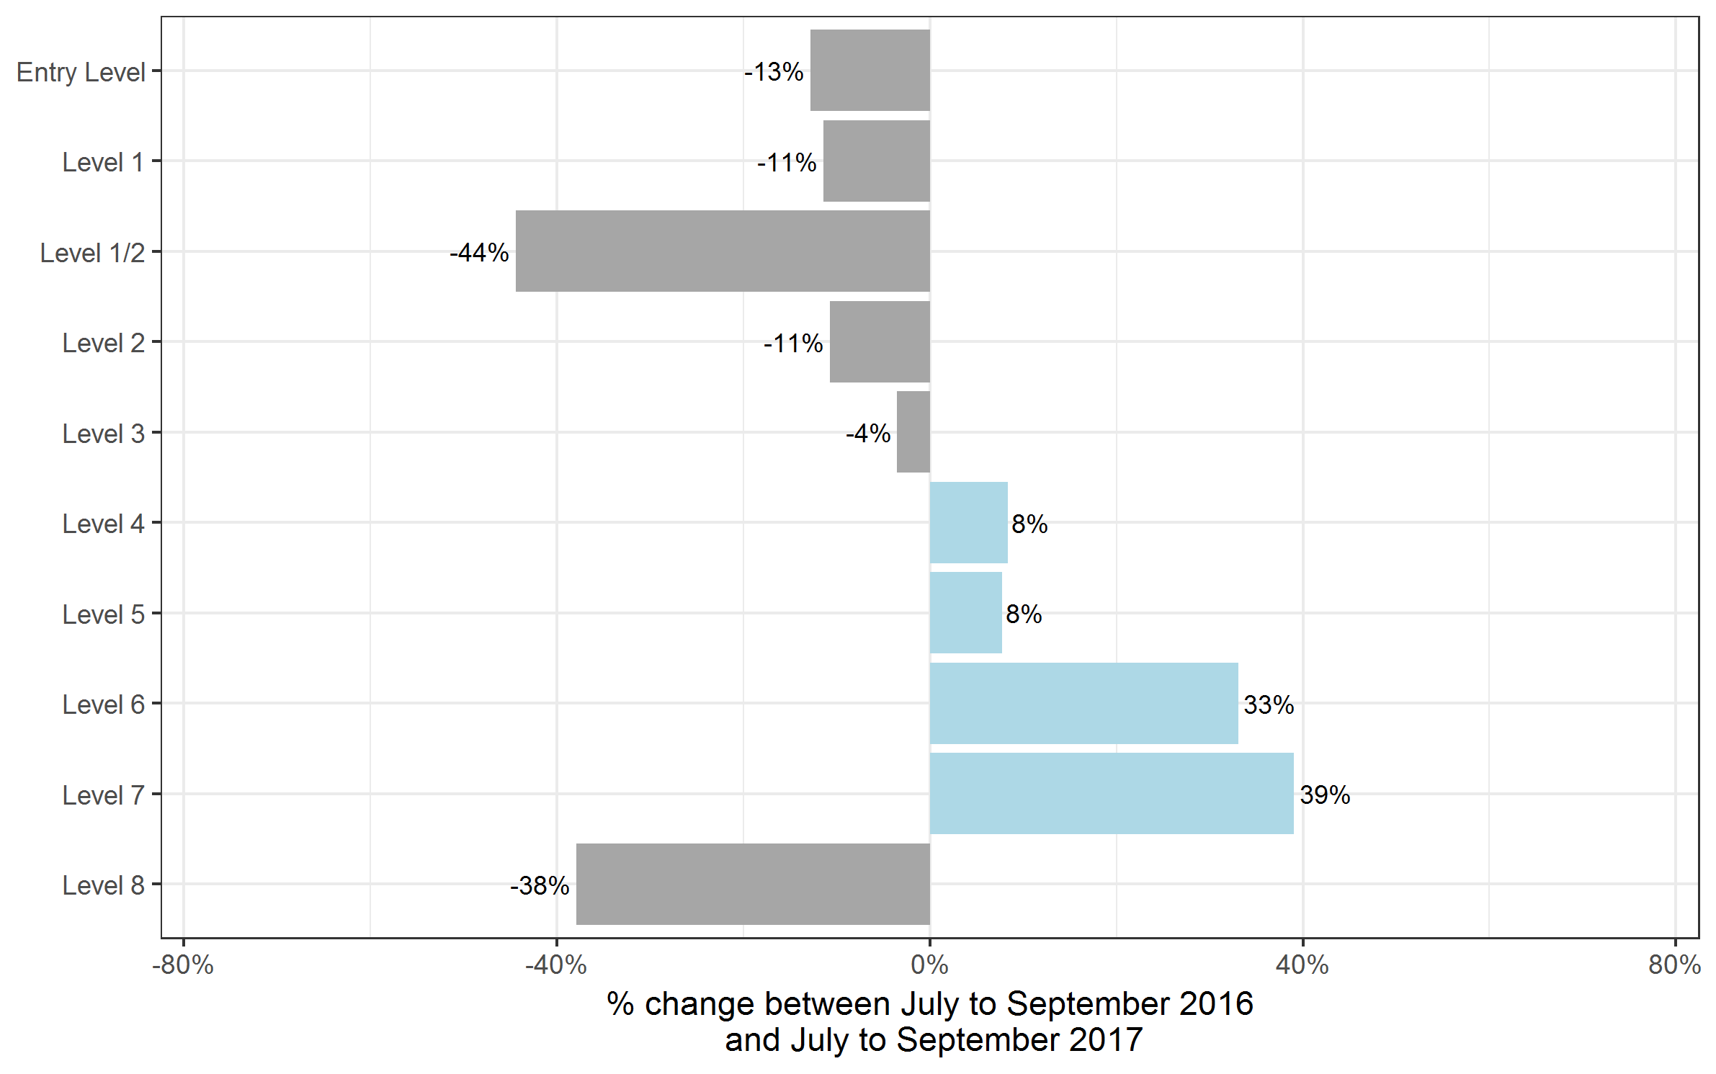
Type | Jul 2016 to Sep 2016 | Jul 2017 to Sep 2017 | Oct 2015 to Sep 2016 | Oct 2016 to Sep 2017
Entry Level | 412,700 | 359,900 | 886,900 | 766,700
Level 1 | 600,950 | 532,500 | 1,582,650 | 1,419,050
Level 1/2 | 612,950 | 340,900 | 711,450 | 408,700
Level 2 | 935,650 | 835,500 | 2,722,850 | 2,552,250
Level 3 | 681,650 | 657,500 | 1,337,750 | 1,296,350
Level 4 | 28,950 | 31,350 | 74,550 | 76,950
Level 5 | 19,400 | 20,900 | 49,600 | 52,650
Level 6 | 6,100 | 8,100 | 15,550 | 17,200
Level 7 | 1,600 | 2,200 | 5,100 | 6,250
Level 8 | 100 | 50 | 200 | 200
Total | 3,300,000 | 2,788,900 | 7,386,600 | 6,596,300

Certificates by SSA
Number of certificates awarded by sector subject area
Comparison with the same quarter previous year and previous 12 months
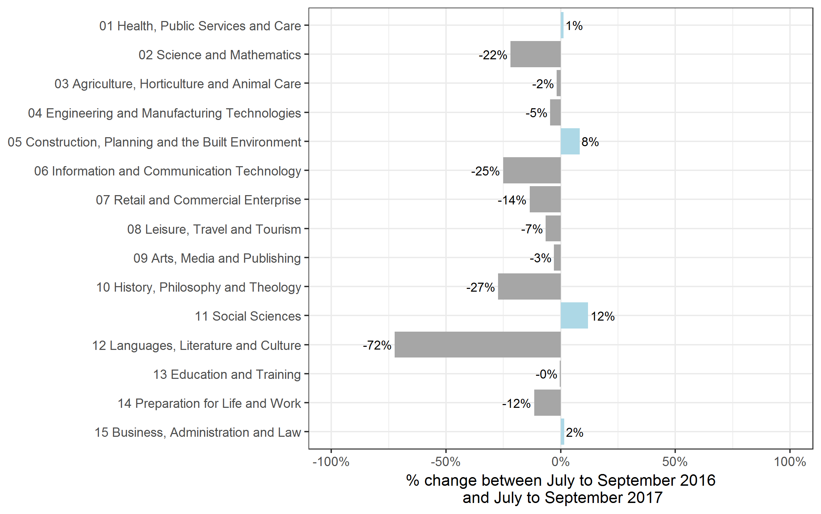
Sector Subject Area | Jul 2016 to Sep 2016 | Jul 2017 to Sep 2017 | Oct 2015 to Sep 2016 | Oct 2016 to Sep 2017
01 Health, Public Services and Care | 375,100 | 379,750 | 1,147,850 | 1,182,100
02 Science and Mathematics | 197,200 | 154,100 | 222,450 | 170,850
03 Agriculture, Horticulture and Animal Care | 46,850 | 46,000 | 97,750 | 103,200
04 Engineering and Manufacturing Technologies | 150,750 | 143,700 | 370,750 | 352,700
05 Construction, Planning and the Built Environment | 118,250 | 128,050 | 281,500 | 321,650
06 Information and Communication Technology | 187,350 | 140,300 | 392,500 | 366,500
07 Retail and Commercial Enterprise | 178,950 | 154,800 | 545,800 | 492,350
08 Leisure, Travel and Tourism | 181,700 | 169,700 | 375,850 | 353,000
09 Arts, Media and Publishing | 379,700 | 368,500 | 817,400 | 809,600
10 History, Philosophy and Theology | 22,800 | 16,600 | 24,900 | 20,700
11 Social Sciences | 10,700 | 11,950 | 10,900 | 12,100
12 Languages, Literature and Culture | 388,550 | 107,350 | 531,600 | 202,900
13 Education and Training | 31,550 | 31,400 | 85,150 | 85,550
14 Preparation for Life and Work | 836,350 | 739,550 | 2,011,850 | 1,673,300
15 Business, Administration and Law | 194,100 | 197,150 | 470,350 | 449,750
Total | 3,300,000 | 2,788,900 | 7,386,600 | 6,596,300

Certificates by country
Number of certificates awarded by country
Comparison with the same quarter previous year and previous 12 months
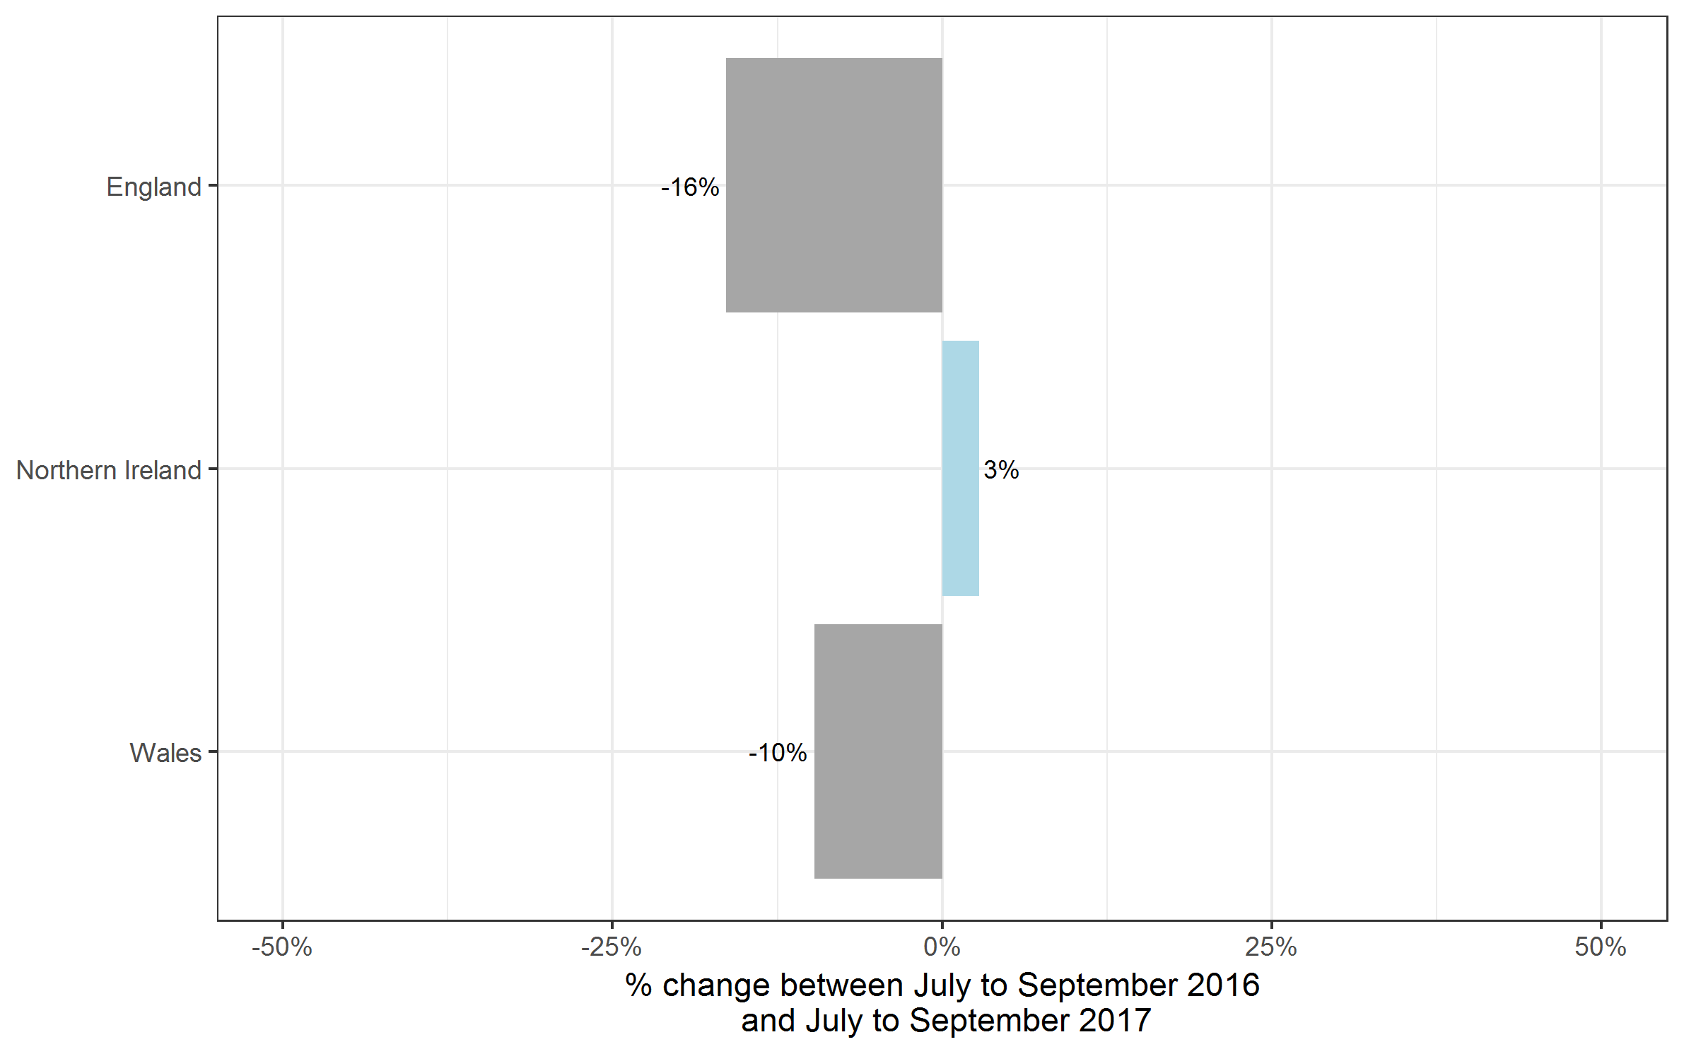
Country | Jul 2016 to Sep 2016 | Jul 2017 to Sep 2017 | Oct 2015 to Sep 2016 | Oct 2016 to Sep 2017
England | 2,982,900 | 2,494,350 | 6,684,450 | 5,991,000
Northern Ireland | 66,000 | 67,850 | 189,850 | 182,100
Wales | 251,100 | 226,700 | 512,300 | 423,150
Total | 3,300,000 | 2,788,900 | 7,386,600 | 6,596,300

Historical trends
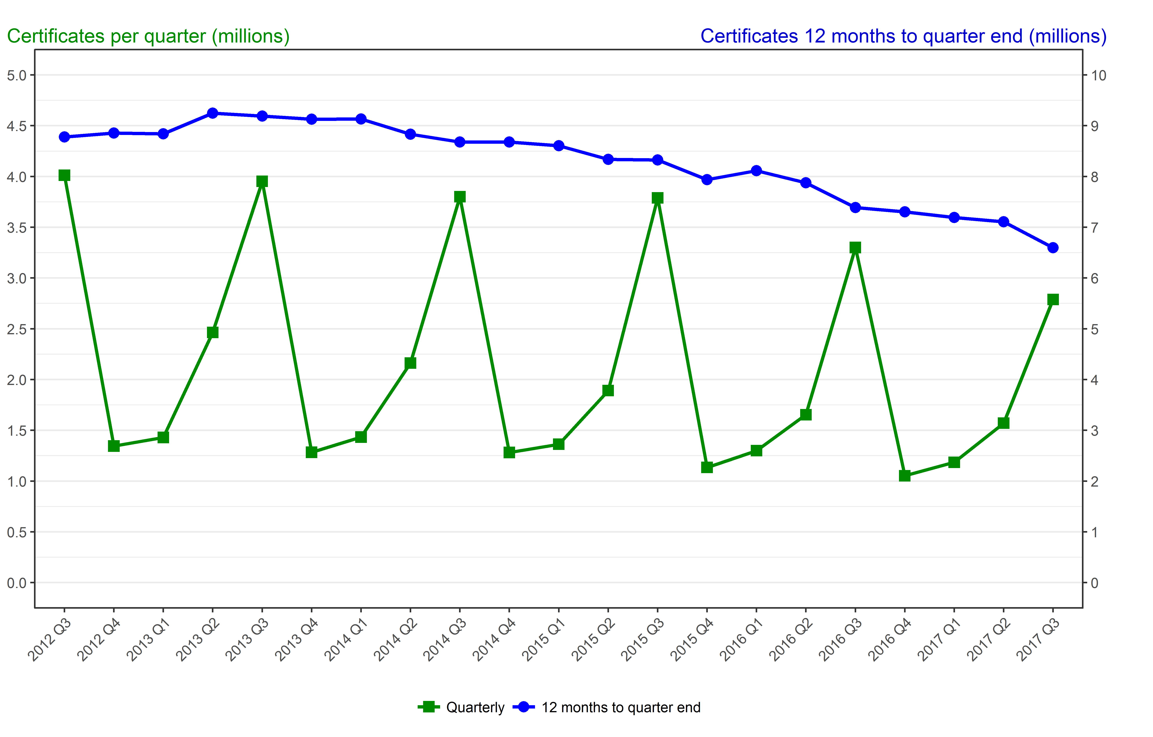
Number of certificates awarded in the past 5 years
Quarterly and 12 months to quarter end

Period | Quarterly | 12 months to quarter end
Jul to Sep 2012 | 4,011,750 | 8,779,400
Oct to Dec 2012 | 1,344,700 | 8,856,800
Jan to Mar 2013 | 1,429,300 | 8,841,000
Apr to Jun 2013 | 2,463,350 | 9,249,050
Jul to Sep 2013 | 3,951,850 | 9,189,150
Oct to Dec 2013 | 1,283,550 | 9,128,000
Jan to Mar 2014 | 1,433,350 | 9,132,050
Apr to Jun 2014 | 2,162,250 | 8,830,950
Jul to Sep 2014 | 3,800,100 | 8,679,250
Oct to Dec 2014 | 1,281,600 | 8,677,300
Jan to Mar 2015 | 1,362,600 | 8,606,550
Apr to Jun 2015 | 1,890,900 | 8,335,200
Jul to Sep 2015 | 3,789,150 | 8,324,250
Oct to Dec 2015 | 1,134,200 | 7,939,150
Jan to Mar 2016 | 1,299,250 | 8,113,450
Apr to Jun 2016 | 1,653,200 | 7,875,800
Jul to Sep 2016 | 3,300,000 | 7,386,600
Oct to Dec 2016 | 1,052,050 | 7,304,500
Jan to Mar 2017 | 1,185,100 | 7,190,400
Apr to Jun 2017 | 1,570,200 | 7,107,400
Jul to Sep 2017 | 2,788,900 | 6,596,300

