Guidance
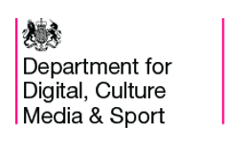

Charitable Giving Indicators, 2016/17

Published: 7 November 2017

Overview
This release presents the total amount of Charitable Giving to DCMS funded cultural institutions.

In this workbook
Table 1: Total amount of charitable giving to DCMS-funded cultural institutions, and as a ratio of DCMS grant-in-aid received (2008/09 - 2016/17)

Contact
Responsible statistician: Wilmah Deda
For any queries please contact 020 7211 6376 or evidence@culture.gov.uk

