Contents

Vocational and Other Qualifications Quarterly: April to June (quarter 2) 2017
 |  | England, Wales, Northern Ireland
Summary | Main trends for this quarter

Table 1 | Number of certificates awarded by qualification type

Table 2 | Number of certificates awarded by qualification level

Table 3 | Number of certificates awarded by sector subject area

Table 4 | Number of certificates awarded by country

Table 5 | Number of certificates awarded in the past 5 years

Table 6 | The 50 qualifications with the most number of certificates issues in this quarter

Table 7 | The 50 awarding organisations with the most number of certificates issued in this quarter - England

Table 8 | The 50 awarding organisations with the most number of certificates issued in this quarter - Northern Ireland

Table 9 | The 50 awarding organisations with the most number of certificates issued in this quarter - Wales

Notes | Notes accompanying this release

Reference: Ofqual/17/6271
Release date: 14 September 2017
Head of Profession: Vikas Dhawan
Contact: statistics@ofqual.gov.uk

Certificates by type
Number of certificates awarded by type
Comparison with the same quarter previous year and previous 12 months
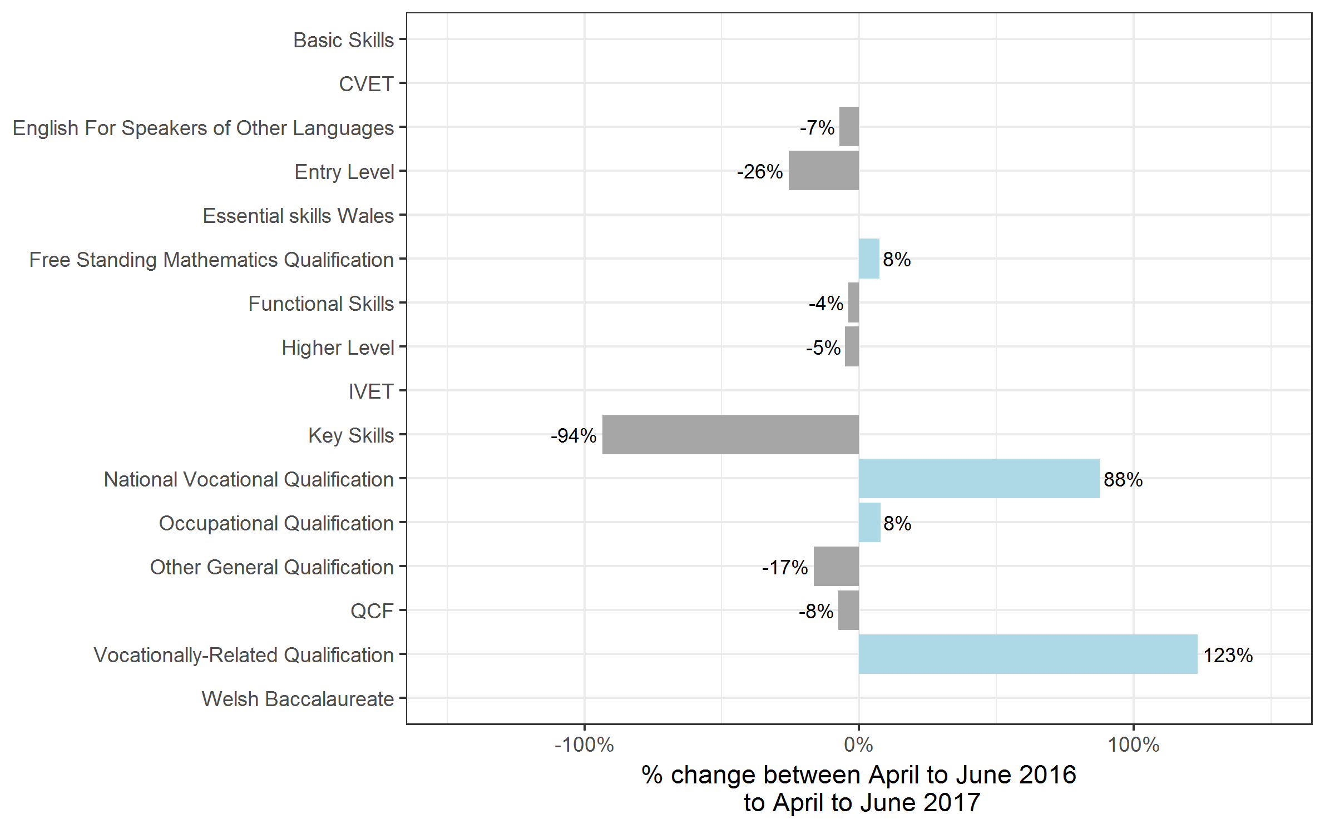
Type | Apr 2016 to Jun 2016 | Apr 2017 to Jun 2017 | Jul 2015 to Jun 2016 | Jul 2016 to Jun 2017
Basic Skills | 0 | 0 | 50 | 0~
CVET | 0 | 400 | 0 | 900
English For Speakers of Other Languages | 55,100 | 51,150 | 234,250 | 216,200
Entry Level | 6,950 | 5,150 | 73,000 | 70,450
Essential skills Wales | 0 | 0 | 0 | 400
Free Standing Mathematics Qualification | 450 | 500 | 37,100 | 36,000
Functional Skills | 236,750 | 227,400 | 932,150 | 791,900
Higher Level | 3,350 | 3,150 | 12,050 | 11,350
IVET | 0 | 0~ | 0 | 50
Key Skills | 15,400 | 1,000 | 80,450 | 40,000
National Vocational Qualification | 550 | 1,000 | 3,300 | 2,800
Occupational Qualification | 9,100 | 9,850 | 33,300 | 34,750
Other General Qualification | 74,150 | 61,900 | 1,204,200 | 974,100
QCF | 1,213,150 | 1,120,800 | 5,097,900 | 4,710,450
Vocationally-Related Qualification | 39,800 | 88,900 | 169,650 | 269,450
Welsh Baccalaureate | 0 | 0 | 0 | 4,850
Total | 1,654,750 | 1,571,250 | 7,877,350 | 7,163,700

Certificates by level
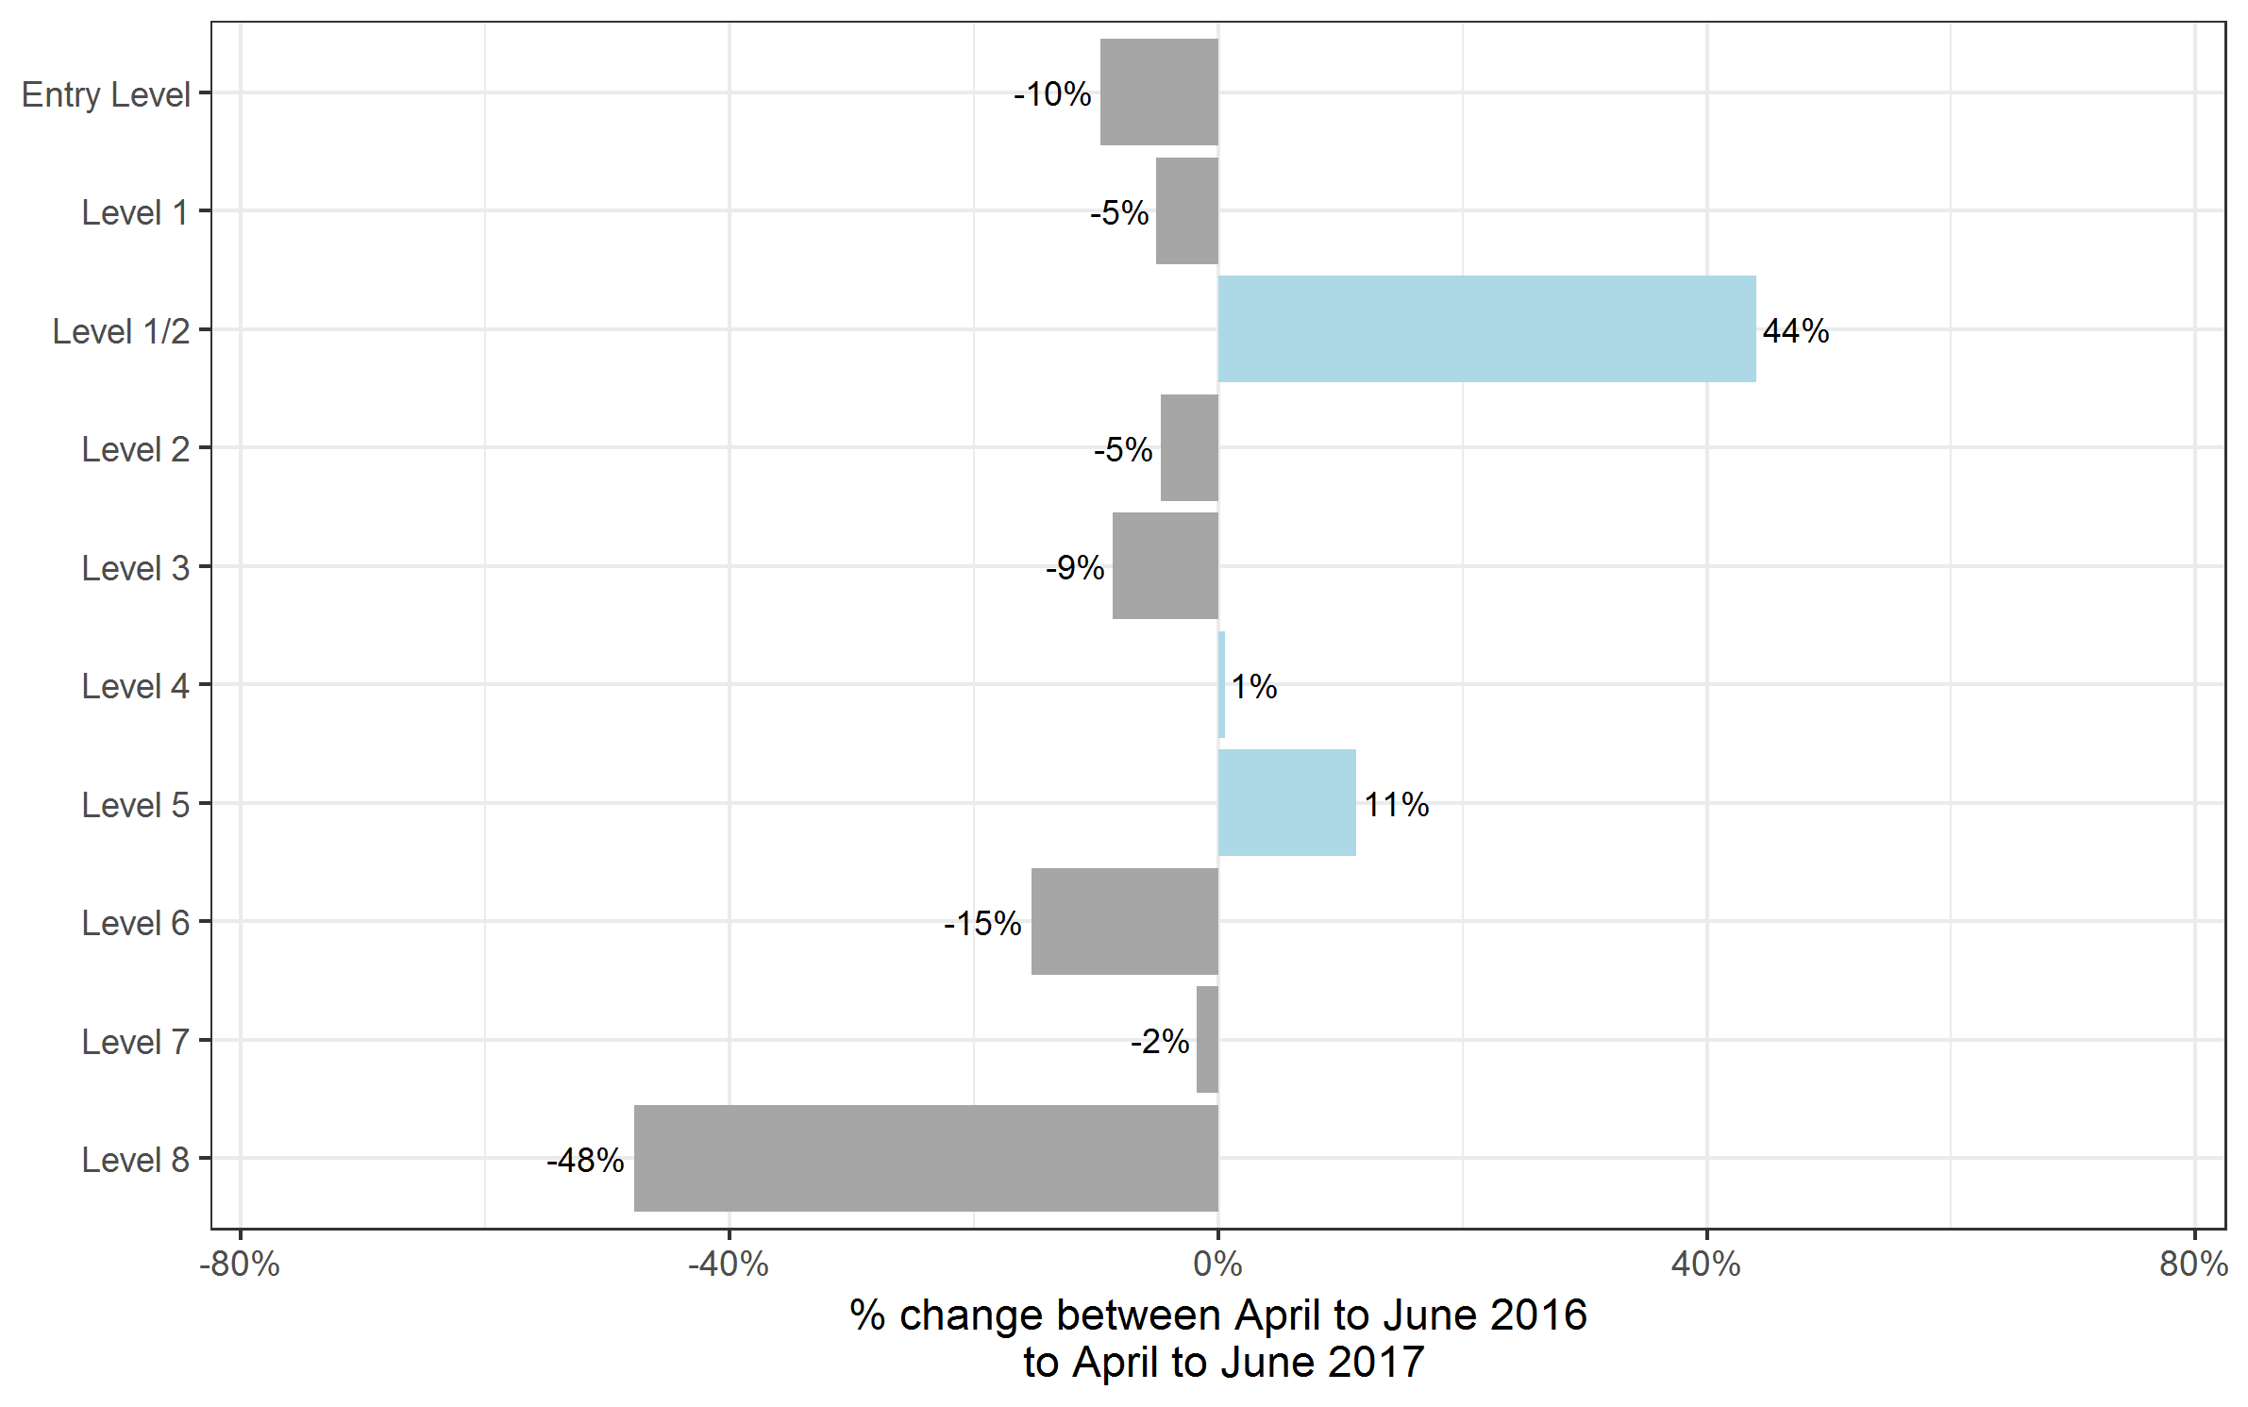
Number of certificates awarded by level
Comparison with the same quarter previous year and previous 12 months

Type | Apr 2016 to Jun 2016 | Apr 2017 to Jun 2017 | Jul 2015 to Jun 2016 | Jul 2016 to Jun 2017
Entry Level | 214,350 | 193,750 | 941,700 | 820,900
Level 1 | 395,250 | 375,250 | 1,697,300 | 1,497,550
Level 1/2 | 32,200 | 46,400 | 851,200 | 682,950
Level 2 | 692,300 | 659,550 | 2,900,200 | 2,673,650
Level 3 | 286,500 | 261,650 | 1,343,200 | 1,341,900
Level 4 | 17,950 | 18,050 | 75,300 | 74,550
Level 5 | 10,200 | 11,350 | 47,350 | 51,150
Level 6 | 4,700 | 4,000 | 15,250 | 15,200
Level 7 | 1,250 | 1,250 | 5,600 | 5,650
Level 8 | 0~ | 0~ | 200 | 200
Total | 1,654,750 | 1,571,250 | 7,877,350 | 7,163,700

Certificates by SSA
Number of certificates awarded by sector subject area
Comparison with the same quarter previous year and previous 12 months

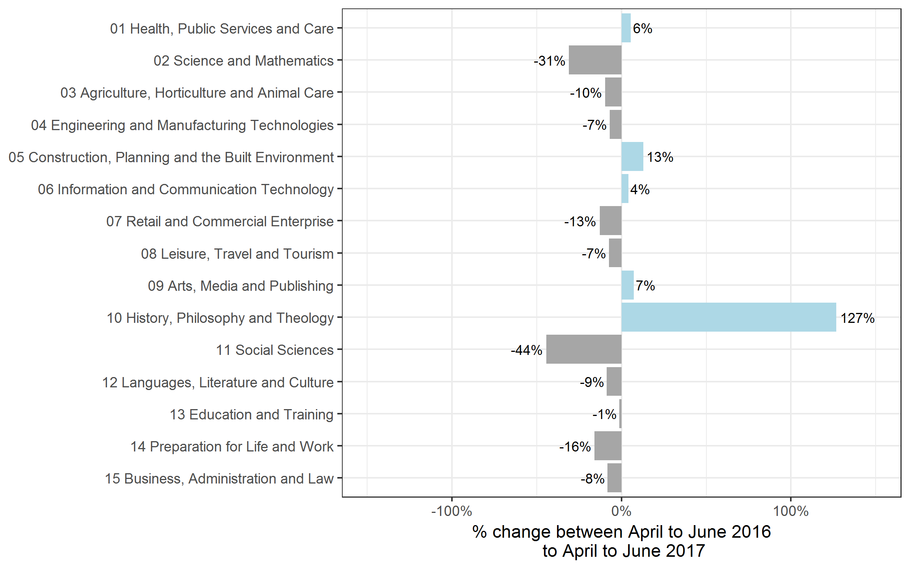
Sector Subject Area | Apr 2016 to Jun 2016 | Apr 2017 to Jun 2017 | Jul 2015 to Jun 2016 | Jul 2016 to Jun 2017
01 Health, Public Services and Care | 282,600 | 298,350 | 1,165,900 | 1,177,750
02 Science and Mathematics | 11,900 | 8,200 | 279,550 | 216,150
03 Agriculture, Horticulture and Animal Care | 24,550 | 22,200 | 100,400 | 104,050
04 Engineering and Manufacturing Technologies | 82,150 | 76,350 | 379,200 | 359,750
05 Construction, Planning and the Built Environment | 65,700 | 74,200 | 280,400 | 311,350
06 Information and Communication Technology | 107,750 | 112,200 | 445,150 | 413,700
07 Retail and Commercial Enterprise | 133,450 | 116,250 | 563,000 | 516,600
08 Leisure, Travel and Tourism | 86,850 | 80,400 | 396,500 | 365,100
09 Arts, Media and Publishing | 186,050 | 199,450 | 821,900 | 820,800
10 History, Philosophy and Theology | 1,450 | 3,250 | 28,750 | 27,000
11 Social Sciences | 50 | 0~ | 9,650 | 10,850
12 Languages, Literature and Culture | 40,600 | 37,100 | 593,300 | 484,450
13 Education and Training | 20,200 | 19,950 | 88,750 | 85,750
14 Preparation for Life and Work | 497,200 | 418,350 | 2,227,700 | 1,823,300
15 Business, Administration and Law | 114,350 | 105,000 | 497,200 | 447,100
Total | 1,654,750 | 1,571,250 | 7,877,350 | 7,163,700

Certificates by country
Number of certificates awarded by country
Comparison with the same quarter previous year and previous 12 months

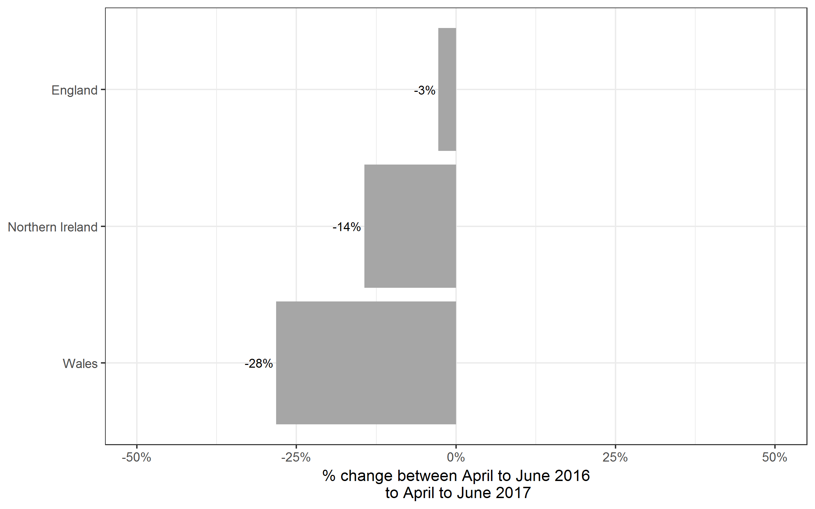
Country | Apr 2016 to Jun 2016 | Apr 2017 to Jun 2017 | Jul 2015 to Jun 2016 | Jul 2016 to Jun 2017
England | 1,468,800 | 1,427,900 | 7,123,850 | 6,480,600
Northern Ireland | 70,800 | 60,600 | 196,300 | 180,250
Wales | 115,150 | 82,700 | 557,200 | 502,850
Total | 1,654,750 | 1,571,250 | 7,877,350 | 7,163,700

Historical trends
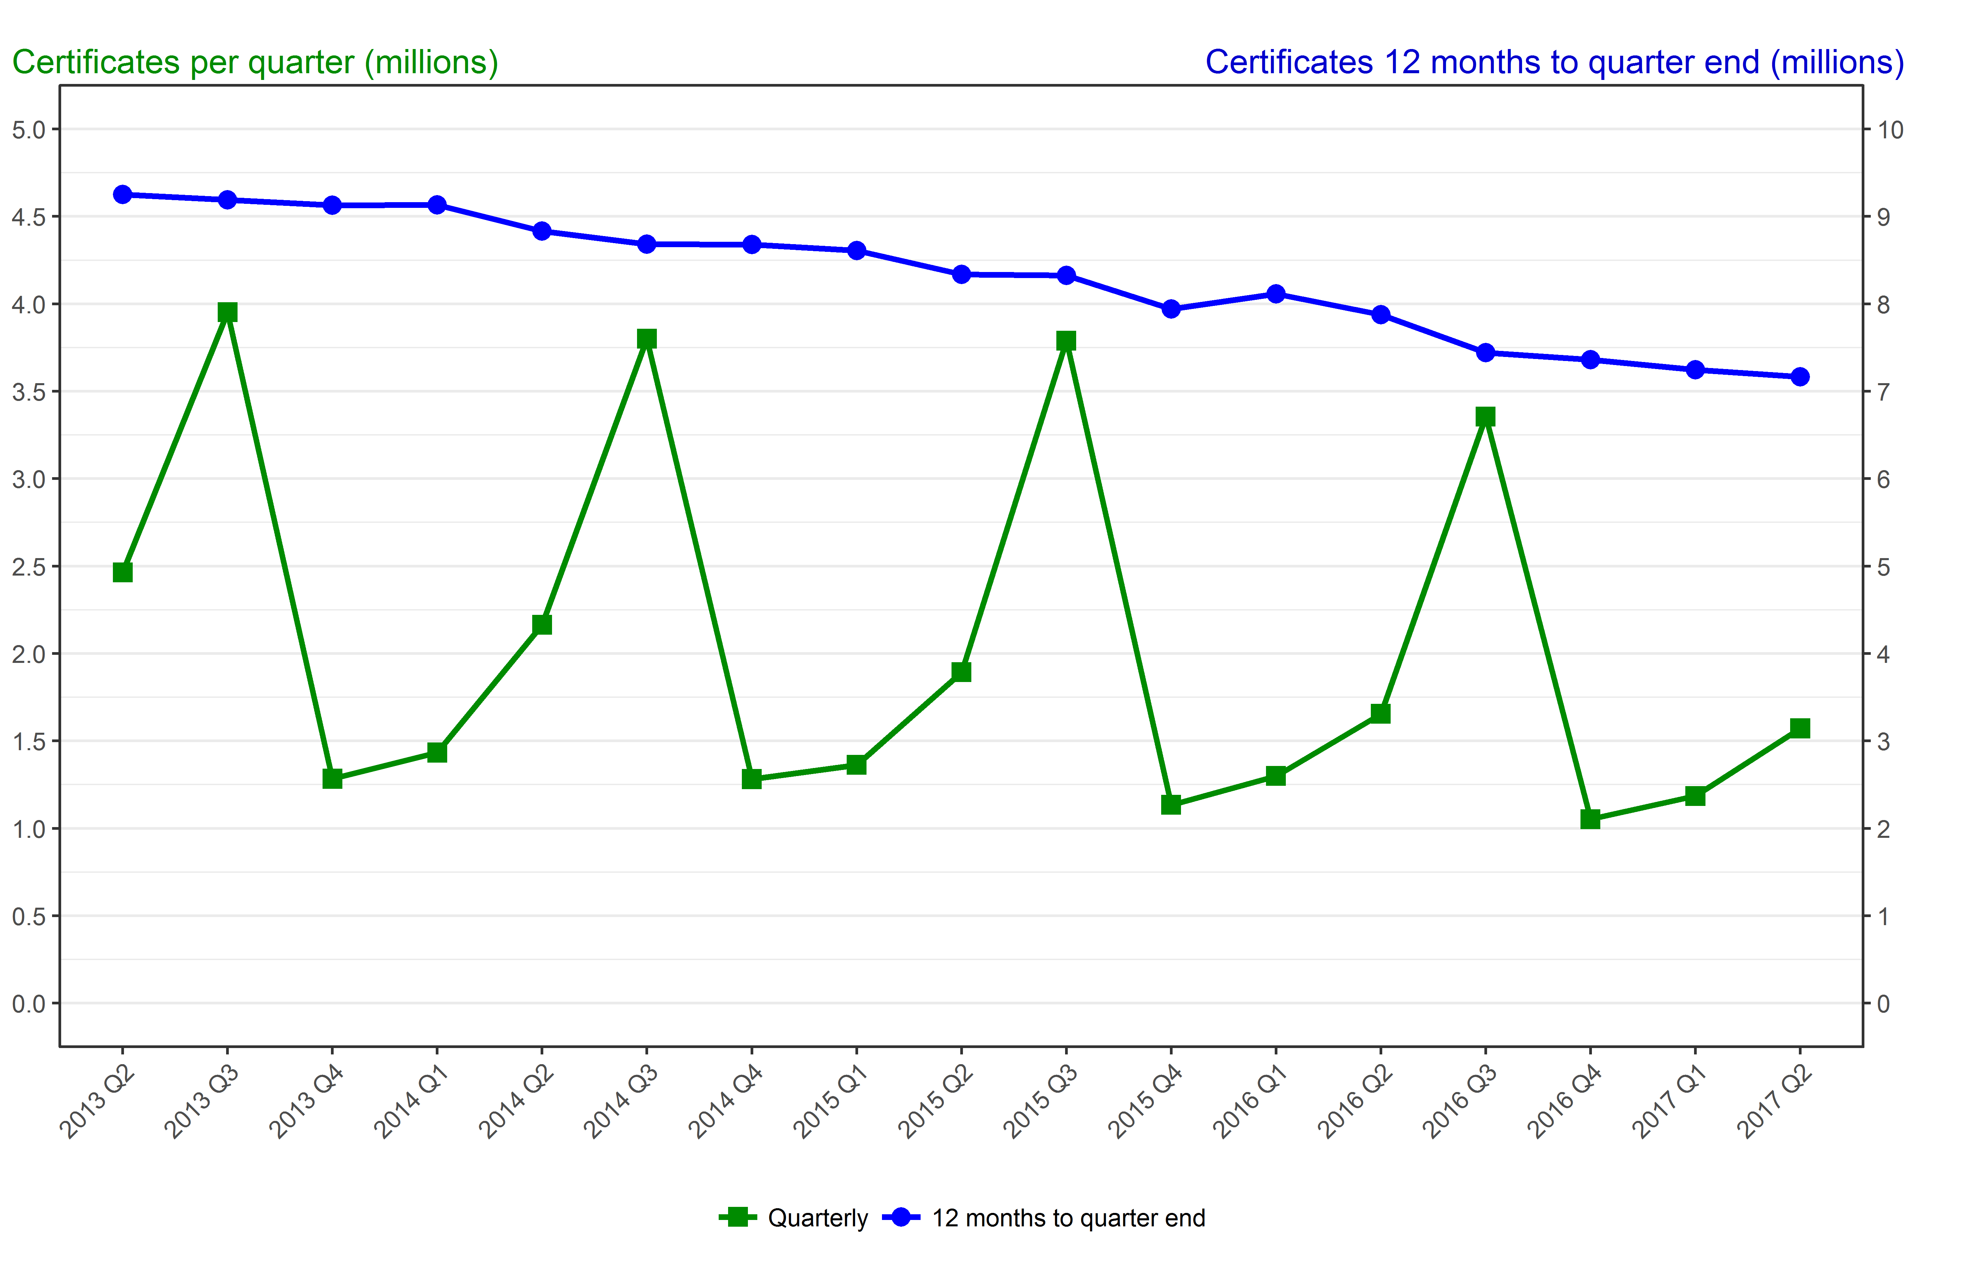
Number of certificates awarded in the past 4 years
Quarterly and 12 months to quarter end

Period | Quarterly | 12 months to quarter end
Apr to Jun 2013 | 2,463,950 | 9,249,650
Jul to Sep 2013 | 3,951,850 | 9,189,750
Oct to Dec 2013 | 1,283,550 | 9,128,600
Jan to Mar 2014 | 1,433,350 | 9,132,650
Apr to Jun 2014 | 2,163,750 | 8,832,450
Jul to Sep 2014 | 3,800,100 | 8,680,750
Oct to Dec 2014 | 1,281,600 | 8,678,800
Jan to Mar 2015 | 1,362,600 | 8,608,050
Apr to Jun 2015 | 1,892,650 | 8,337,000
Jul to Sep 2015 | 3,789,150 | 8,326,050
Oct to Dec 2015 | 1,134,200 | 7,940,750
Jan to Mar 2016 | 1,299,250 | 8,115,250
Apr to Jun 2016 | 1,654,750 | 7,877,350
Jul to Sep 2016 | 3,355,250 | 7,443,450
Oct to Dec 2016 | 1,052,050 | 7,361,350
Jan to Mar 2017 | 1,185,100 | 7,247,200
Apr to Jun 2017 | 1,571,250 | 7,163,700

