Further details
Statistical Significance:a result is called statistically significant if it is unlikely to have occurred by chance. In this case we have used the 5% significance level (this level is used most often), this means there is less than a 1 in 20 chance of a difference occurring by chance. In this test, whether the figures are significantly different depends on the size of the difference, the number of respondents the figures are based on (figures based on a large sample size are more accurate1) and any design effects due to sampling.

Examples

 | % agreeing | Respondents |  |  | % agreeing | Respondents |  | % agreeing | Respondents
Male | 40 | 1,008 |  | 2005 | 81 | 8,751 | Ethnic minority groups | 55 | 212
Female | 38 | 1,185 |  | 2009-10 | 82 | 8,307 | White | 62 | 2,049

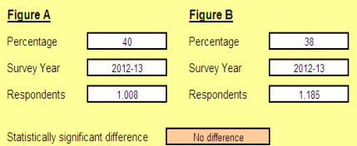
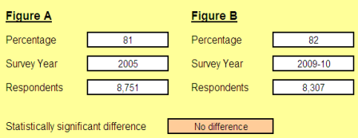


For further information please contact: |  |  | CommunityLife@cabinetoffice.gov.uk

1 Caution should be taken when interpreting statistical significance on 2014-15 and 2015-16 subgroup data (age, sex, ethnicity, region, disabilities and employment status) due to the small sample size of these groups

