Contents

Vocational and Other Qualifications Quarterly: January to March (quarter 1) 2017
 |  | England, Wales, Northern Ireland
Summary | Main trends for this quarter

Table 1 | Number of certificates awarded by qualification type

Table 2 | Number of certificates awarded by qualification level

Table 3 | Number of certificates awarded by sector subject area

Table 4 | Number of certificates awarded by country

Table 5 | Number of certificates awarded in the past 5 years

Table 6 | The 50 qualifications with the most number of certificates issues in this quarter

Table 7 | The 50 awarding organisations with the most number of certificates issued in this quarter - England

Table 8 | The 50 awarding organisations with the most number of certificates issued in this quarter - Northern Ireland

Table 9 | The 50 awarding organisations with the most number of certificates issued in this quarter - Wales

Notes | Notes accompanying this release

Reference: Ofqual/17/6241
Release date: 13 July 2017
Head of Profession: Vikas Dhawan
Contact: statistics@ofqual.gov.uk

Certificates by type
Number of certificates awarded by type
Comparison with the same quarter previous year and previous 12 months
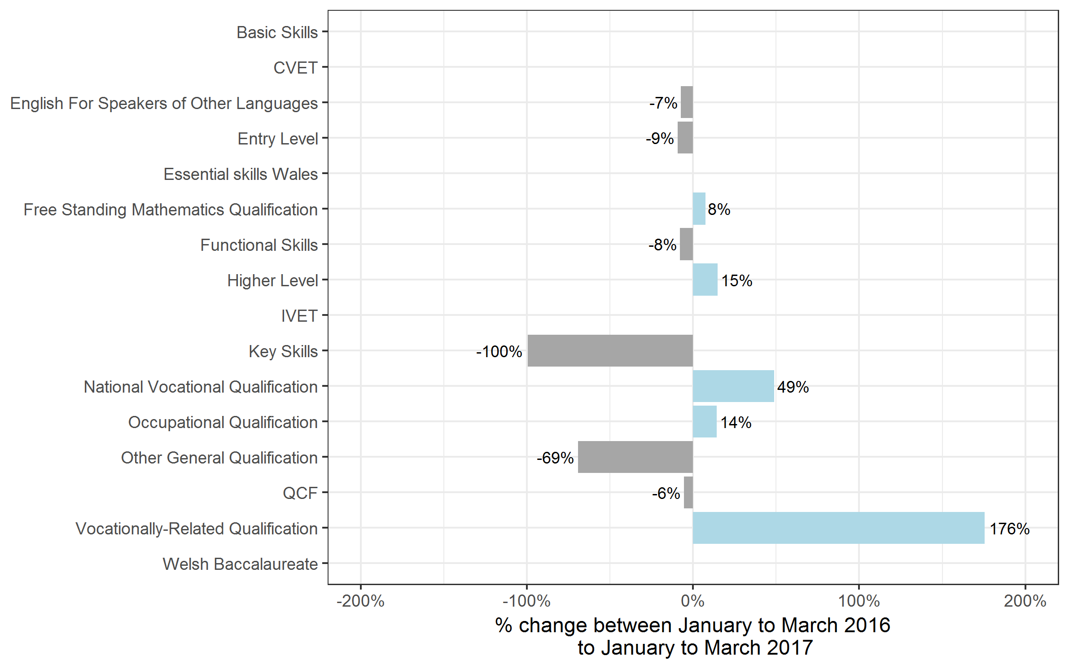
Type | Jan 2016 to Mar 2016 | Jan 2017 to Mar 2017 | Apr 2015 to Mar 2016 | Apr 2016 to Mar 2017
Basic Skills | 0 | 0~ | 50 | 0~
CVET | 0 | 350 | 0 | 550
English For Speakers of Other Languages | 52,850 | 49,050 | 230,450 | 220,150
Entry Level | 2,350 | 2,150 | 74,050 | 72,250
Essential skills Wales | 0 | 0 | 0 | 400
Free Standing Mathematics Qualification | 450 | 500 | 37,250 | 35,950
Functional Skills | 158,600 | 146,100 | 995,150 | 801,250
Higher Level | 2,950 | 3,400 | 9,950 | 11,550
IVET | 0 | 50 | 0 | 50
Key Skills | 15,700 | 50 | 97,650 | 54,400
National Vocational Qualification | 500 | 750 | 3,750 | 2,350
Occupational Qualification | 7,850 | 8,950 | 31,300 | 32,800
Other General Qualification | 95,750 | 29,450 | 1,267,550 | 986,350
QCF | 942,600 | 890,200 | 5,257,900 | 4,858,700
Vocationally-Related Qualification | 19,650 | 54,200 | 110,250 | 165,650
Welsh Baccalaureate | 0 | 0 | 0 | 4,850
Total | 1,299,250 | 1,185,100 | 8,115,250 | 7,247,200

Certificates by level
Number of certificates awarded by level
Comparison with the same quarter previous year and previous 12 months

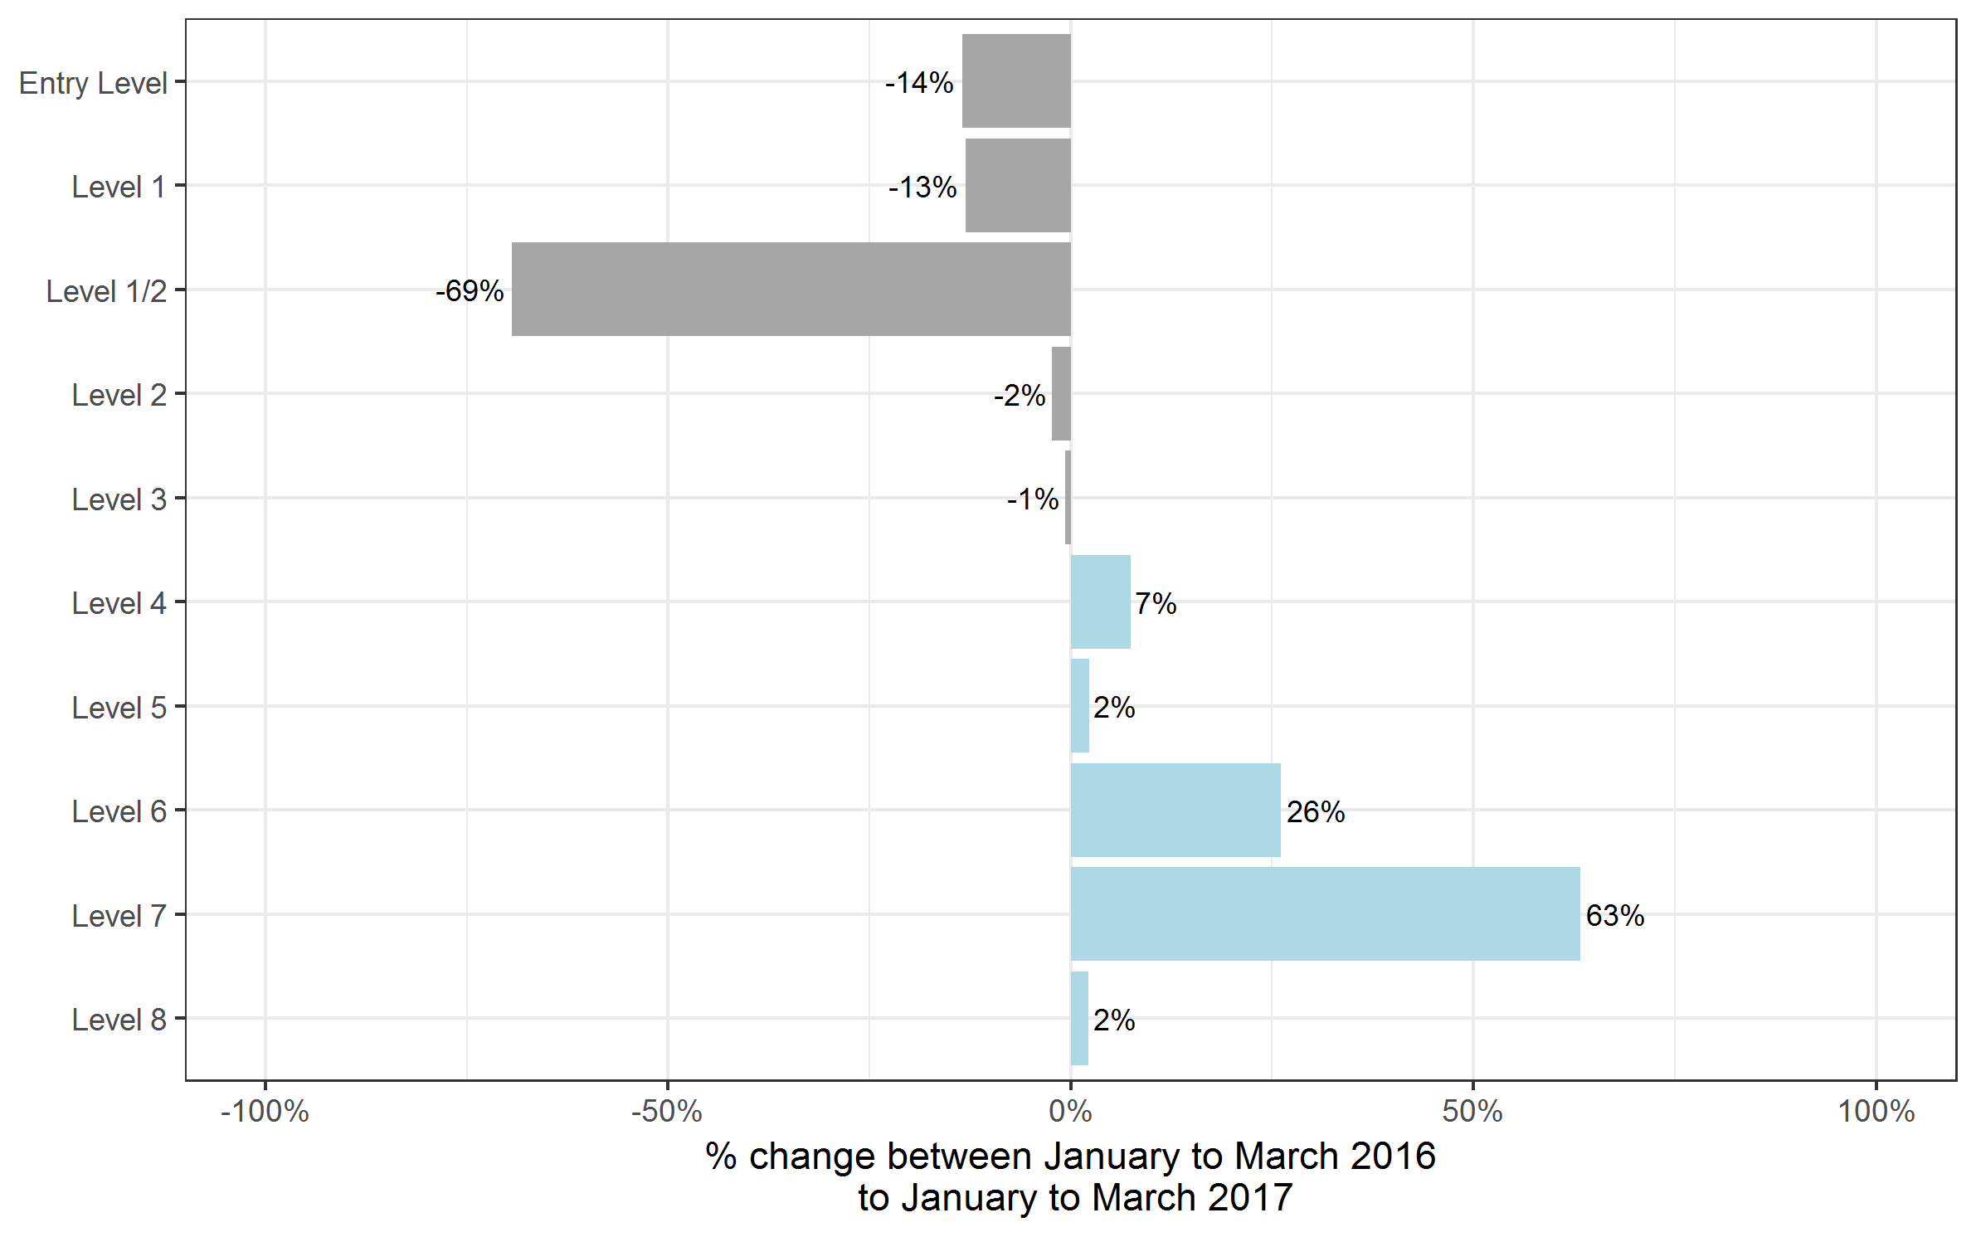
Type | Jan 2016 to Mar 2016 | Jan 2017 to Mar 2017 | Apr 2015 to Mar 2016 | Apr 2016 to Mar 2017
Entry Level | 146,050 | 126,300 | 953,750 | 841,550
Level 1 | 299,700 | 260,450 | 1,767,450 | 1,517,550
Level 1/2 | 62,250 | 19,050 | 894,050 | 668,750
Level 2 | 572,100 | 558,900 | 2,995,400 | 2,706,400
Level 3 | 192,100 | 190,750 | 1,366,100 | 1,366,750
Level 4 | 13,350 | 14,350 | 71,950 | 74,400
Level 5 | 9,900 | 10,150 | 47,250 | 50,000
Level 6 | 2,800 | 3,550 | 13,350 | 15,900
Level 7 | 950 | 1,500 | 5,700 | 5,650
Level 8 | 50 | 50 | 300 | 250
Total | 1,299,250 | 1,185,100 | 8,115,250 | 7,247,200

Certificates by SSA
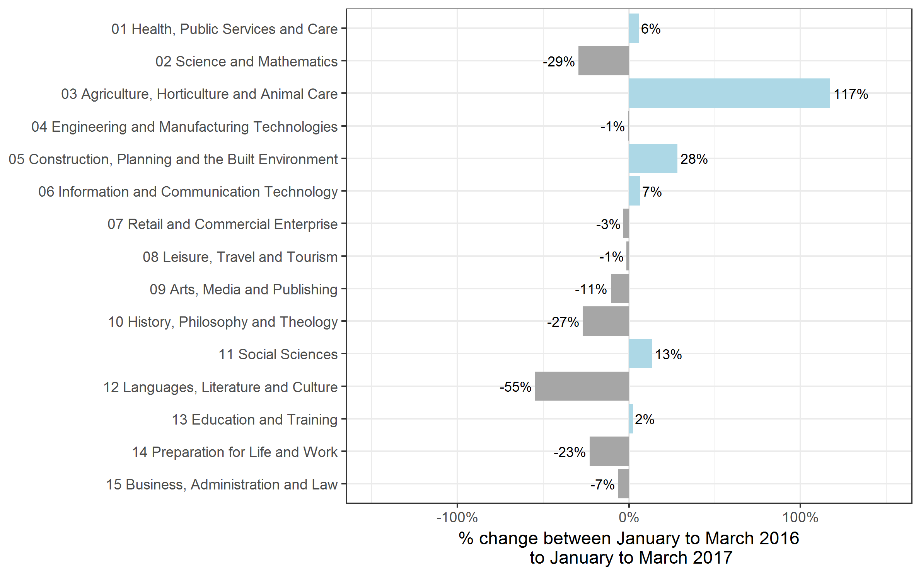
Number of certificates awarded by sector subject area
Comparison with the same quarter previous year and previous 12 months

Sector Subject Area | Jan 2016 to Mar 2016 | Jan 2017 to Mar 2017 | Apr 2015 to Mar 2016 | Apr 2016 to Mar 2017
01 Health, Public Services and Care | 254,750 | 269,750 | 1,177,000 | 1,162,000
02 Science and Mathematics | 11,800 | 8,300 | 302,500 | 219,850
03 Agriculture, Horticulture and Animal Care | 7,800 | 16,950 | 105,750 | 106,400
04 Engineering and Manufacturing Technologies | 68,500 | 68,050 | 391,550 | 365,500
05 Construction, Planning and the Built Environment | 48,600 | 62,350 | 279,850 | 302,800
06 Information and Communication Technology | 63,200 | 67,350 | 423,700 | 409,250
07 Retail and Commercial Enterprise | 114,850 | 111,150 | 584,500 | 533,800
08 Leisure, Travel and Tourism | 50,000 | 49,250 | 411,300 | 371,600
09 Arts, Media and Publishing | 128,000 | 114,500 | 837,000 | 807,400
10 History, Philosophy and Theology | 600 | 450 | 31,250 | 25,150
11 Social Sciences | 100 | 100 | 9,600 | 10,850
12 Languages, Literature and Culture | 78,650 | 35,600 | 595,550 | 488,000
13 Education and Training | 17,150 | 17,550 | 89,200 | 86,000
14 Preparation for Life and Work | 374,100 | 287,900 | 2,357,250 | 1,902,150
15 Business, Administration and Law | 81,200 | 75,850 | 519,250 | 456,400
Total | 1,299,250 | 1,185,100 | 8,115,250 | 7,247,200

Certificates by country
Number of certificates awarded by country
Comparison with the same quarter previous year and previous 12 months
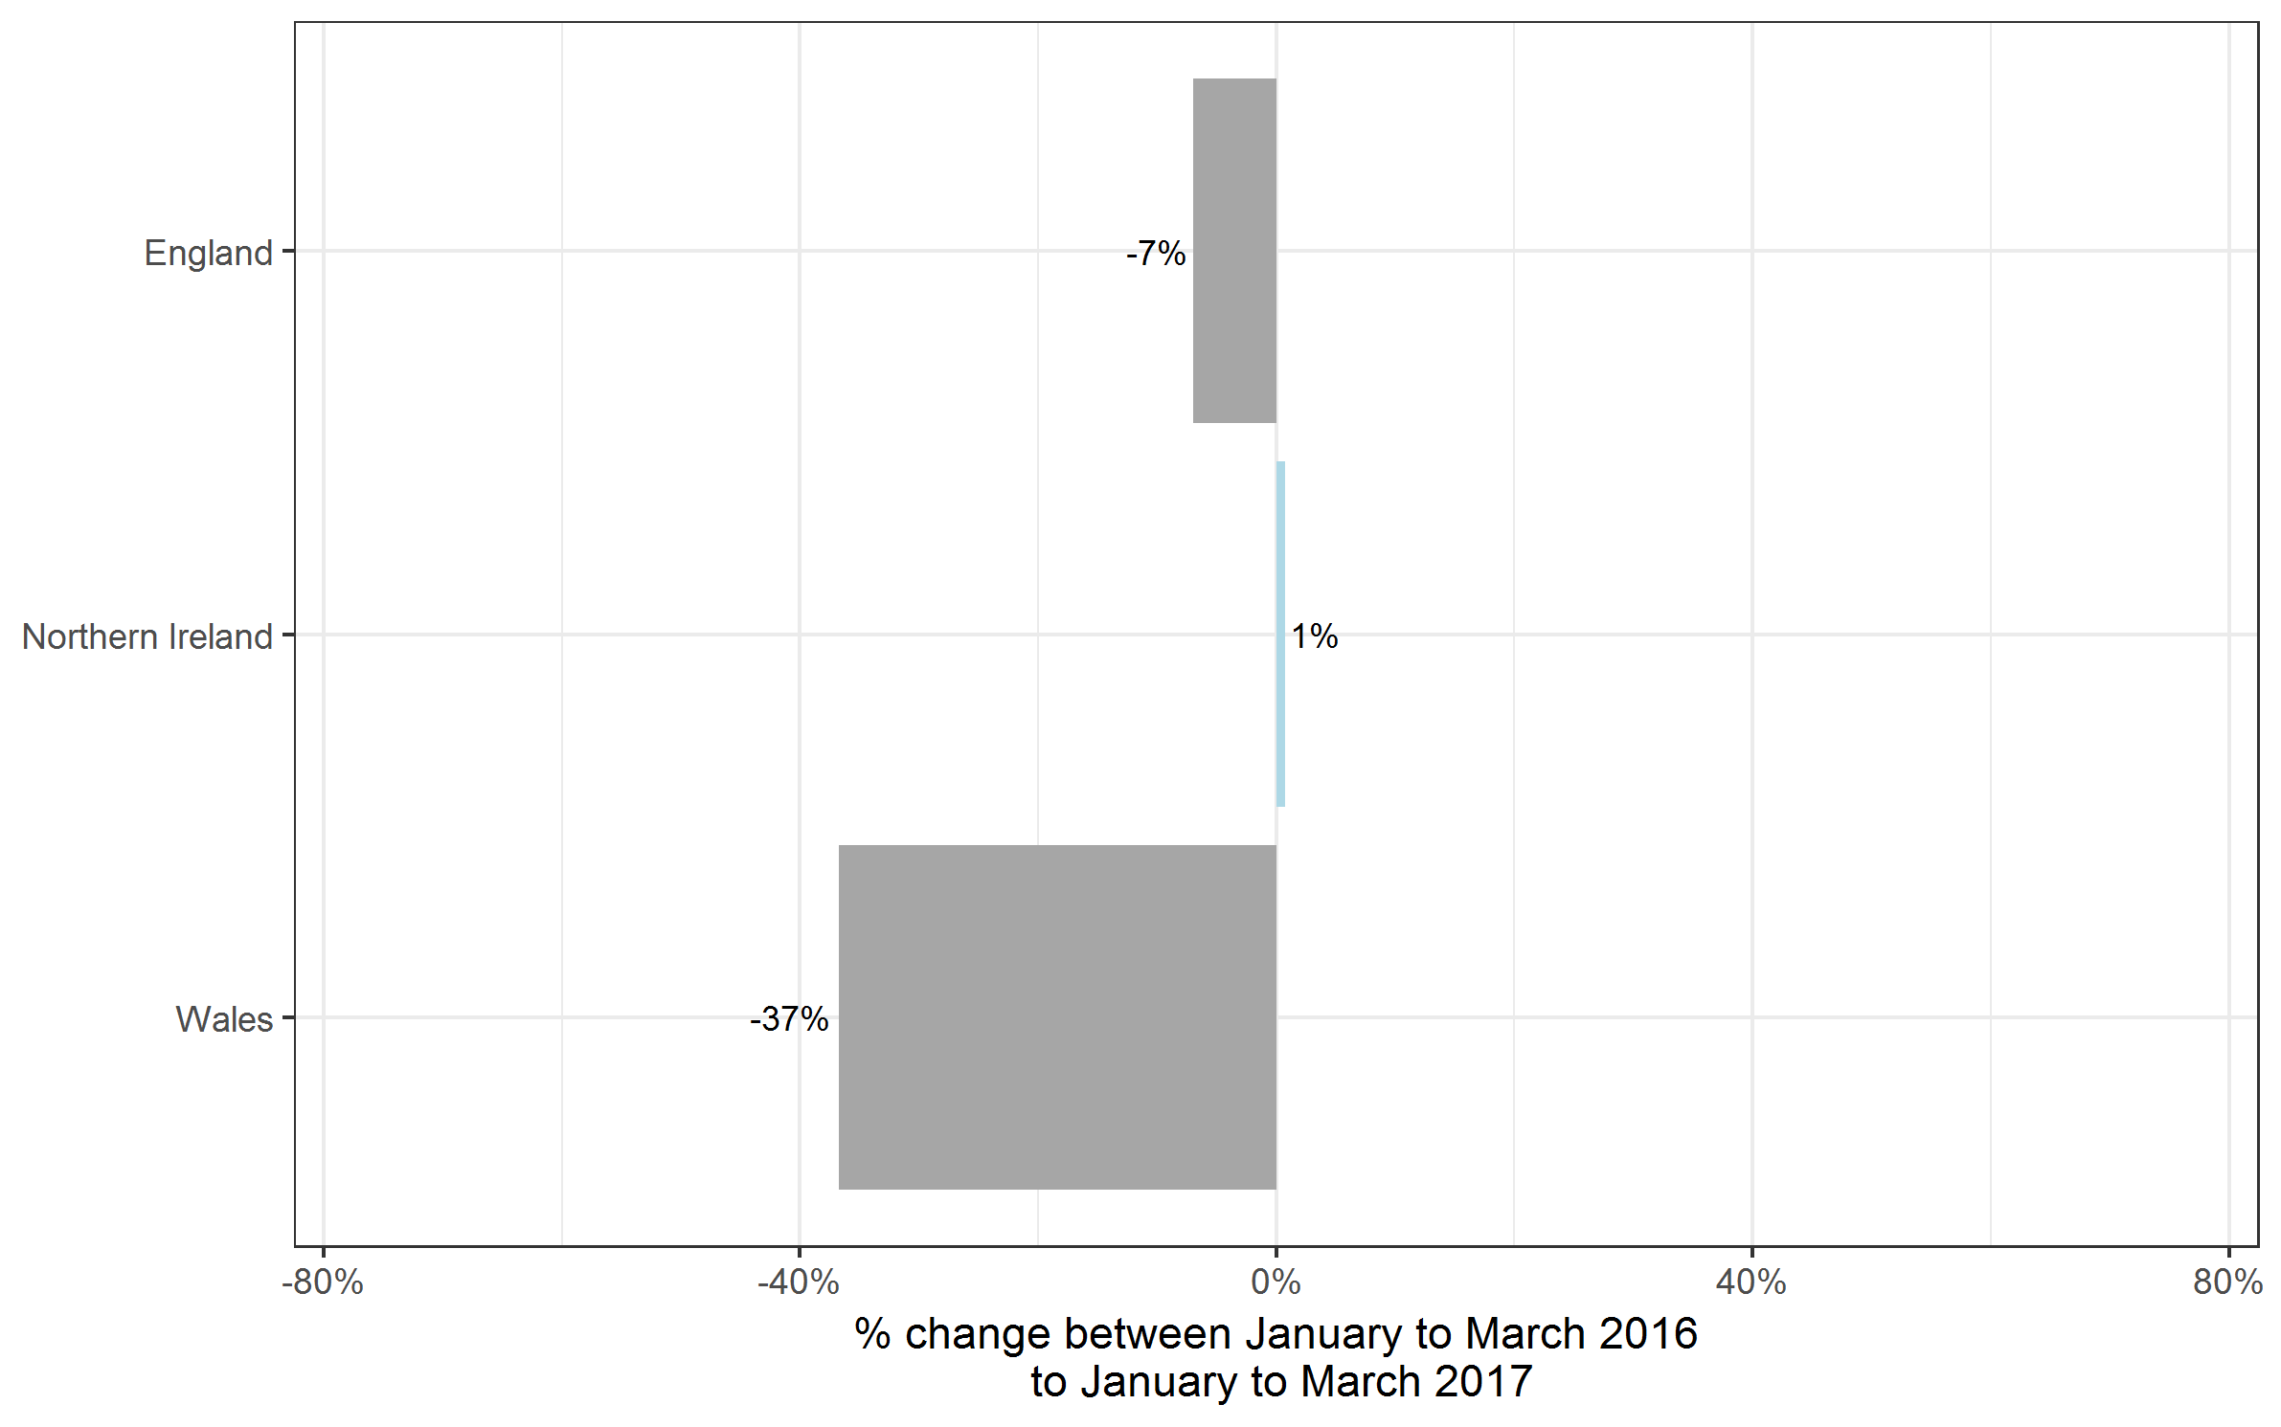
Country | Jan 2016 to Mar 2016 | Jan 2017 to Mar 2017 | Apr 2015 to Mar 2016 | Apr 2016 to Mar 2017
England | 1,184,700 | 1,102,050 | 7,306,550 | 6,521,450
Northern Ireland | 28,300 | 28,500 | 201,950 | 190,450
Wales | 86,250 | 54,550 | 606,750 | 535,300
Total | 1,299,250 | 1,185,100 | 8,115,250 | 7,247,200

Historical trends
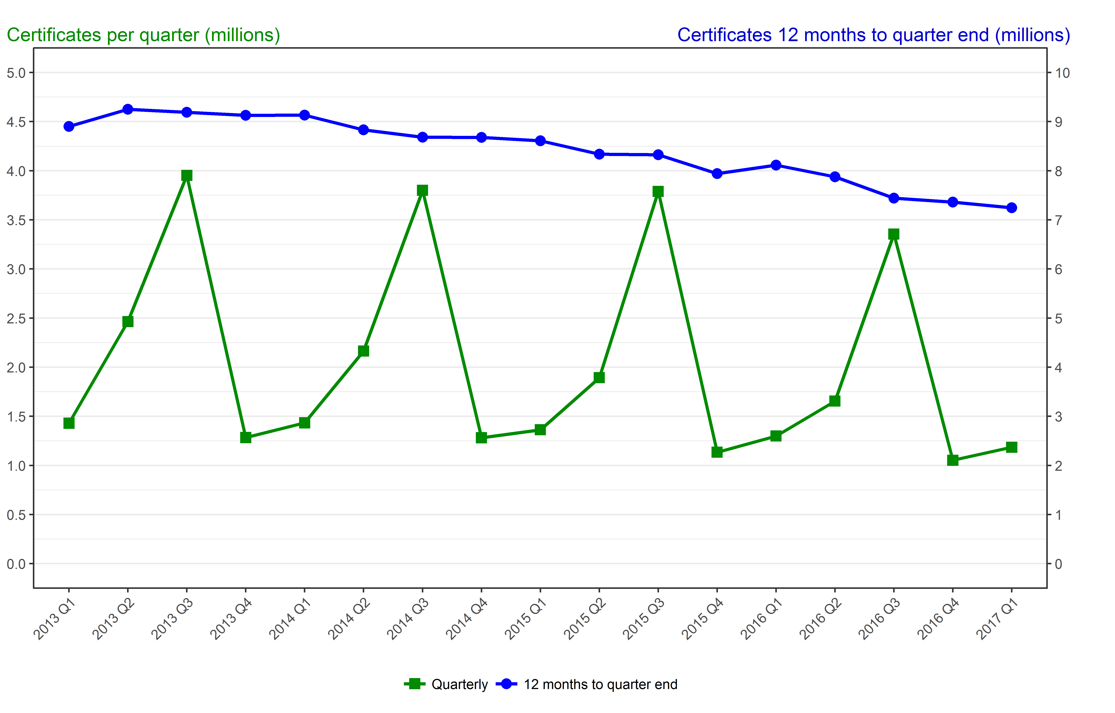
Number of certificates awarded in the past 4 years
Quarterly and 12 months to quarter end

Period | Quarterly | 12 months to quarter end
Jan to Mar 2013 | 1,429,300 | 8,902,150
Apr to Jun 2013 | 2,463,950 | 9,249,650
Jul to Sep 2013 | 3,951,850 | 9,189,750
Oct to Dec 2013 | 1,283,550 | 9,128,600
Jan to Mar 2014 | 1,433,350 | 9,132,650
Apr to Jun 2014 | 2,163,750 | 8,832,450
Jul to Sep 2014 | 3,800,100 | 8,680,750
Oct to Dec 2014 | 1,281,600 | 8,678,800
Jan to Mar 2015 | 1,362,600 | 8,608,050
Apr to Jun 2015 | 1,892,650 | 8,337,000
Jul to Sep 2015 | 3,789,150 | 8,326,050
Oct to Dec 2015 | 1,134,200 | 7,940,750
Jan to Mar 2016 | 1,299,250 | 8,115,250
Apr to Jun 2016 | 1,654,750 | 7,877,350
Jul to Sep 2016 | 3,355,250 | 7,443,450
Oct to Dec 2016 | 1,052,050 | 7,361,300
Jan to Mar 2017 | 1,185,100 | 7,247,200

