Front Page

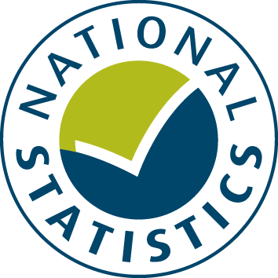

SPECIFIC AND SPECIAL REVENUE GRANTS BUDGET 2017-18

The data from this spreadsheet have been used to compile the National Statistics release "Local authority revenue expenditure and financing England: 2017-18 Budget" which was published on 29 June 2017. This is found at:

https://www.gov.uk/government/collections/local-authority-revenue-expenditure-and-financing

The spreadsheet contains budget estimates of local authority revenue specific and special revenue grants for the financial year 1 April 2017 to 31 March 2018. These estimates are on a non International Accounting Standards 19 (IAS19) & Private Finance Initiative (PFI) on an "Off Balance Sheet" basis except where stated otherwise.

This is an interactive spreadsheet where by using the drop-down button in the 'LA drop-down' sheet you can produce the summary page by England, classification and individual local authority level.

The spreadsheet has been compiled by the Local Government Finance - Analysis and Data division of Department for Communities and Local Government.

We welcome comments and suggestions for further improvement or about your experiences with this product. This may include comments on data quality, timing and the format of the statistics. Please contact us at:

lgf1.revenue@communities.gsi.gov.uk

LA drop-down
Revenue Account Budget (RA) 2017-18: Specific and Special Revenue Grants (SG) data for ENGLAND



 | Select local authority by clicking on the box below and using the drop-down button:
 | ENGLAND

 |  |  | Total Grants
 |  |  | £ thousand
 | GRANTS WITHIN AGGREGATE EXTERNAL FINANCE (AEF)
 | 102 | Dedicated Schools Grant (DSG) | 27,860,288 | 4
 | 103 | Pupil Premium Grant | 1,475,672 | 5
 | 106 | Education Services Grant | 168,436 | 6
 | 107 | Universal Infants Free School Meals | 332,245 | 7
 | 221 | GLA Transport Grant | 229,653 | 8
 | 313 | Public Health Grant | 3,112,202 | 9
 | 318 | Adult Social Care Implementation 2016-17 | 148,630 | 10
 | 406 | Housing Benefit Subsidy Admin Grant | 222,246 | 11
 | 540 | New Homes Bonus | 1,174,718 | 12
 | 545 | The Private Finance Initiative (PFI) | 1,159,563 | 13
 | 698 | Other grants within AEF | 3,119,956 | 14
 | 699 | Total Revenue Grants Within AEF | 39,003,610 | 15

 | GRANTS OUTSIDE AGGREGATE EXTERNAL FINANCE (AEF)
 | 715 | Adult and Community Learning from Skills Funding Agency | 209,682 | 16
 | 716 | Sixth Form Funding from the Education Funding Agency (EFA) | 535,288 | 17
 | 745 | Mandatory Rent Allowances: subsidy | 15,589,956 | 18
 | 746 | Mandatory Rent Rebates outside HRA: subsidy | 685,320 | 19
 | 747 | Rent Rebates Granted to HRA Tenants: subsidy | 4,032,262 | 20
 | 798 | Other grants outside AEF | 424,209 | 21
 | 799 | Total Revenue Grants Outside AEF | 21,476,717 | 22

 | 800 | Total Specific And Special Revenue Grants | 60,480,327 | 23

 | Source: Department for Communities and Local Government Revenue Account Budget (RA) returns 2017-18
 | - Specific and Special Revenue Grants (SG) data

 | 1. Produced on a non-IAS19 and PFI "Off Balance Sheet" basis unless stated otherwise |  | Last Updated: 29 June 2017

