Cover_sheet
 | 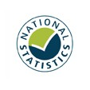
Detailed analysis of fires attended by FRSs
England, April 2022 to March 2023: data tables
Table 0203
Responsible Statistician: Helene Clark
Email: Firestatistics@homeoffice.gov.uk
Press enquiries: 0300 123 3535
Published: 21 September 2023
Next update: Autumn 2024
Crown copyright © 2023
Contents
We’re always looking to improve the accessibility of our documents.
If you find any problems, or have any feedback, relating to accessibility
please email us at firestatistics@homeoffice.gov.uk

