Information
How to use the School Places Scorecard
Please note: the scorecard is best viewed at 100% zoom at a screen resolution of 1920 X 1080. Viewing the scorecard with settings other than these may result in minor distortion to its appearance. Printing is unaffected.
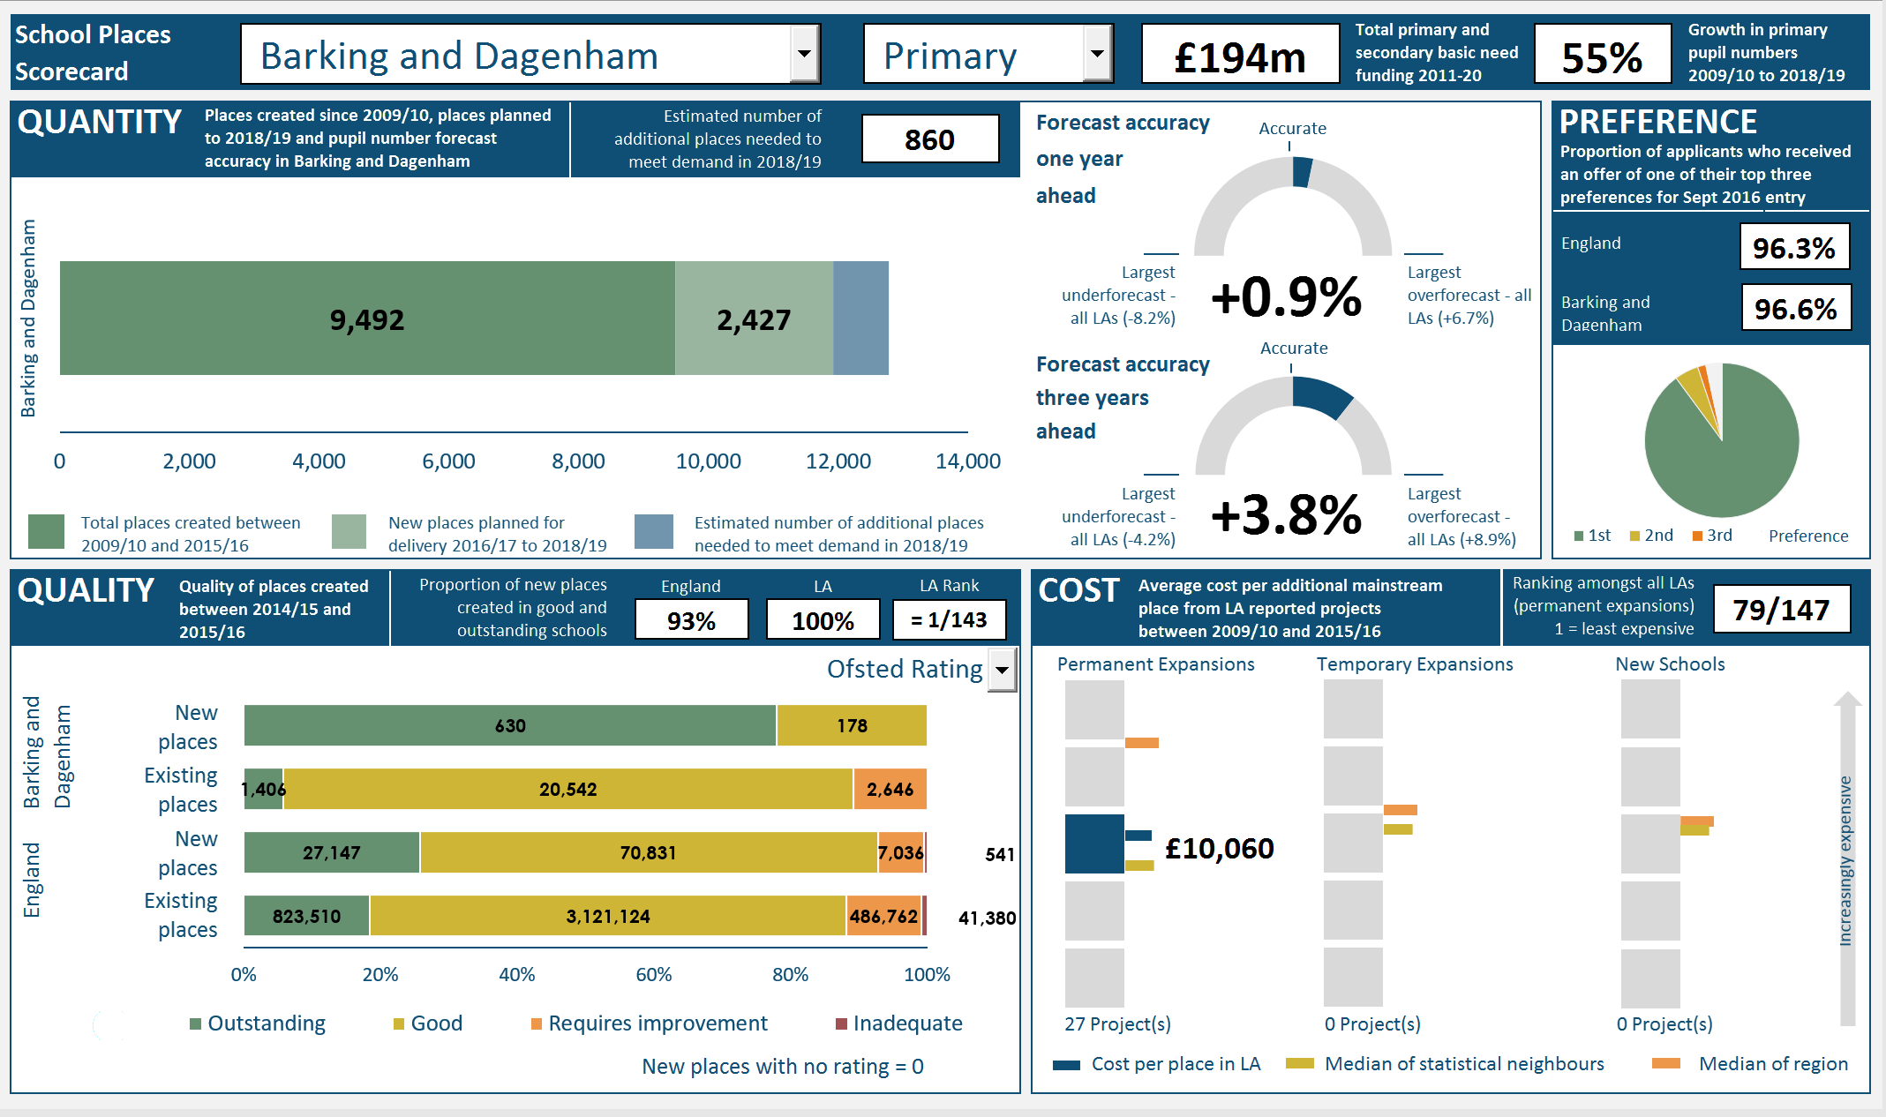
BANNER Shows the total basic need funding allocation and the growth in pupil numbers since 2009/10 for the selected phase.
1. Select the Local Authority whose data you wish to view: Selecting the arrow in this box opens a list of local authorities. Scroll using the bar to the right of the list to the LA of choice. Alternatively click in the box and type the name of the LA whose data you wish to view.

QUANTITY
This measure shows how many places have been created since 2009/10, how many further places are firmly planned to 2018/19 and the estimated number of places still needed to meet demand in 2018/19.
Alongside, the accuracy of 2015/16 pupil number forecasts, made one year previously and three years previously, are presented.
PREFERENCE
This measure shows the proportion of applicants who received an offer of a place in one of their top three preferences. The chart shows the proportions of applicants offered a place in their first, second and third choices.

2. Select the phase of education for which you wish to view the data: Select the arrow in this box to bring up a selection of 'Primary' or 'Secondary'.

QUALITY
This measure shows the quality of the places created between 2014/15 and 2015/16 in the selected LA. This is compared to the quality of existing places in the selected LA and the overall picture in England.
COST
This measure shows the average cost per place of creating new places in permanent expansions, temporary expansions and new schools. Each square box represents a quintile, and the bars represent the position of the LA, the median cost per place of statistical neighbours and the median cost per place of the region, within their respective quintiles.
3. Select the quality measure you would like to view: Select the arrow here to bring up a selection of 'Ofsted Rating', ' or 'Progress 8 Score'. Please note that selecting Progress 8 score with the Primary phase will result in no information being presented in the Quality measure as it is not applicable for primary.

Scorecard
School Places Scorecard

Accurate
 | 0.032782283609
 | 0.21721771639
 | 0.75
 | 0.75
 | 0.25
 | 0
Barking and Dagenham | 9492 | 2427 | 860
QUANTITY |  | Forecast accuracy |  |  |  | PREFERENCE
 |  | one year
 |  | ahead

Accurate
1st | 89.9
2nd | 5
3rd | 1.7
 | 3.4
 | 0.75
 | 0.25
 | 0
 | 0.10668459535
 | 0.14331540465
 | 0.75
 |  | Forecast accuracy
 |  | three years
 |  | ahead

=
 |  |  |  |  |  | Preference

QUALITY |  | COST

 | Region |  | Stats
2 | 4.5020561898 | 2 | 2.6637759595 | 1 | 1 | 1 | 3 | 2 | 3.1175818056
 |  |  |  | 1 | 2
 |  |  |  | 1 | 3
 |  |  |  | 1 | 4
 |  |  |  | 1 | 5
 | Region |  | Stats
2 | 3.4907532809 | 2 | 3.1928137833 | 1 | 1 | 1 | -1 | 2 | -1
 |  |  |  | 1 | 2
 |  |  |  | 1 | 3
 |  |  |  | 1 | 4
 |  |  |  | 1 | 5
 | Region |  | Stats
2 | 3.3194202615 | 2 | 3.1928137833 | 1 | 1 | 1 | -1 | 2 | -1
 |  |  |  | 1 | 2
 |  |  |  | 1 | 3
 |  |  |  | 1 | 4
 |  |  |  | 1 | 5
 |  | Outstanding | Good | Requires improvement | Inadequate
Existing places | 0 | 825339 | 3127367 | 486762 | 41380
New places | 0 | 25318 | 64588 | 7036 | 541
Existing places | 0 | 1406 | 20542 | 2646 | 0
New places | 0 | 630 | 178 | 0 | 0
Increasingly expensive
Barking and Dagenham

England |  |  |  | £10,060

 | New places with no rating = 0 |  | Cost per place in LA |  | Median of statistical neighbours |  | Median of region

