Contents
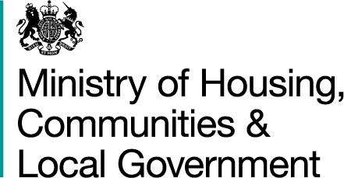
Homelessness Prevention and Relief
Financial Years: 2009/10 - 2017/18 (Revised)
England
13 December 2018

Live Table 792: Total reported cases of homelessness prevention and relief by outcome and local authority

Financial Year: | 2017/18
 | 2016/17
 | 2015/16
 | 2014/15
 | 2013/14
 | 2012/13
 | 2011/12
 | 2010/11
 | 2009/10

Some of the Jan - Mar 2018 data was revised as previously imputed values could be replaced with reported data. These revisions are marked with an 'R' in the tables. More information is given in the associated statistical release Statutory homelessness and homelessness prevention and relief, England, January to March 2018 (Revised) available from:
https://www.gov.uk/government/collections/homelessness-statistics

For all other homelessness prevention and relief tables go to:
https://www.gov.uk/government/statistical-data-sets/live-tables-on-homelessness

Related Statistics
All MHCLG homelessness statistics, including the written statistical release, can be found at:
https://www.gov.uk/government/collections/homelessness-statistics
 |  | Responsible Analysts: Duncan Gray, Monika Krzykawska
 |  | Statistical enquiries: (office hours) 0303 444 4440, 0303 444 2241: homelessnessstats@communities.gov.uk
 |  | Media Enquiries: 0303 444 1209

