Notes
High needs student numbers recorded in the 2015/16 ILR R14 return (post-16 only) and the January 2016 Census (Pre-16 and Post-16) in Special Academies.

This publication includes:
Post-16 high needs student numbers recorded in the 2015 to 2016 (2015/16 ) ILR R14 data return
Pre-16 and 16-18 year old high needs pupil head count for special academies recorded in the January 2016 Census
Published post-16 high needs places for institutions funded by the Education Funding Agency (EFA) and who return ILR data for the 2015/16 and 2016 to 2017 (2016/17) academic years (does not include higher education institutions that only submit HESA returns).
Published pre-16 and 16-18 year old high needs places for special academies funded by the Education Funding Agency (EFA) and who return Census data for the 2015/16 and 2016/17 academic years.
Purpose
This publication provides an upate to the 'ILR Actuals & published places page' and replaces the previous ILR 2015/16 R10 data with the 2015/16 R14 high needs student numbers in line with our published commitment to update to the R14 data. We have published this data for transparency, to provide information to promote collaboration between local authorities and institutions and to inform the commissioning dialogue for the 2017 to 2018 (2017/18) academic year as set out in the place change notification technical note 2017/18, which is available at the link below. This publication does not present an opportunity to request changes to the published place numbers for the 2015/16 and 2016/17 academic years.

https://www.gov.uk/government/publications/high-needs-funding-arrangements-2017-to-2018

Application of this data within the 2017/18 local authority place change notification process
Where local authorities have submitted 2017/18 high needs place change requests which have not been agreed with institutions, the data in this updated workbook will be used in conjunction with the principles set out in section 7.3 of the ‘High needs place change notification: technical note 2017 to 2018’, to determine 2017 to 2018 high needs place numbers.
to resolve any changes recorded as not agreed, or not confirmed as agreed with a "yes" in column B in the 'Notify changes here' page of the local authority place change notification workbook. Please refer to the 'Changes not agreed with the institution' section of the technical note for a full description of the process.

Structure
There are two spreadsheet pages to this workbook:
ILR Actuals & published places
This spreadsheet shows the total published high needs place numbers for 2015/16 and 2016/17 plus a breakdown of the student numbers recorded in the 2015/16 ILR-R14 data return submitted by institutions for 16 to 18 and 19 to 24 year olds in further education (FE), including commercial and charitable providers (CCP), sixth form colleges (SFC) and special post -16 institutions (SPI).
Census Actuals & pub. places
This spreadsheet shows the total published high needs place numbers for 2015/16 and 2016/17 plus the total pupil headcount number recorded in the January 2016 census submitted by special academies for pre-16 and 16 to 18 year olds.
Students aged 16 to 19 on Apprenticeships and most students aged 19+ (students aged 19 to 25 with an education, health and care plan are funded by the EFA) are funded by the Skills Funding Agency; details of those allocations are given on their website.

The rows have been colour coded to highlight changes to institutions as well as new institutions or institutions that do not have a high needs allocation. Colour coding for the rows is as follows:
 |  | New institution for 2016/17 or existing EFA funded insitution with new high needs allocation for 2016/17
 |  | No high needs allocation in 2015/16 or 2016/17
 |  | Change (such as merger or UPIN change)

Technical notes - 'ILR Actuals & published places' data sheet
You can easily filter the data to any of the fields in the data file. The header row (row 5) shows the column descriptors with the data directly under. In the bottom right of each field descriptor you can see a small downward pointing arrow - this is the button to activate the drop-down for the filter. When you press this button a filter list will appear. This will allow you to select all data, or any combination (whether single or multiple items). When you have made your selection - press OK. Each filter is cumulative - so when you have set one filter, the other filters may have a smaller selection. It is important to reset the filters when you want to make a new selection otherwise you may not see all of the data. In the example on page 2 you can see all institution categories of the 'General FE and Tertiary' college type are selected. The sub-total for each column is displayed above the header row (in row 3) - this total will change based on how the data is filtered but it will not change the overall column totals which are displayed in row 2.

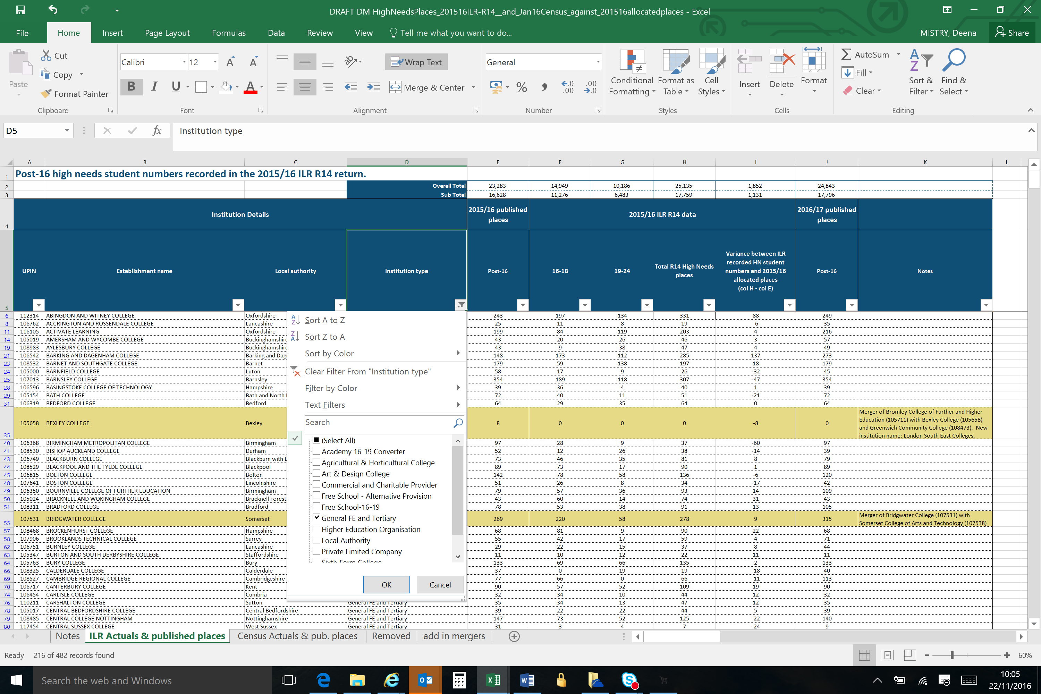

Total published places for 2015/16 can be seen in column E with a breakdown of actual student numbers from the R14 data return for 16-18 and 19-24 year olds in columns F and G with the overall total in column H. The variance between actual and published numbers can be seen in column I. The published place numbers for 2016/17 are recorded in Column J. The Unique Provider Identification Number (UPIN), is used by EFA to identify an institution on internal systems and databases.

Technical notes - 'Census Actuals & pub. places' data sheet
You can easily filter the data to any of the fields in the data file. The header rows (rows 4-6) show the column descriptors with the data directly under. In the bottom right of each field descriptor you can see a small downward pointing arrow - this is the button to activate the drop-down for the filter. When you press this button a filter list will appear. This will allow you to select all data, or any combination (whether single or multiple items). When you have made your selection - press OK. Each filter is cumulative - so when you have set one filter, the other filters may have a smaller selection. It is important to reset the filters when you want to make a new selection otherwise you may not see all of the data. In the example below you can see all local authorities are selected. The sub-total for each column is displayed above the header rows (in row 3) - this total will change based on how the data is filtered but it will not change the overall column totals which are displayed in row 2.

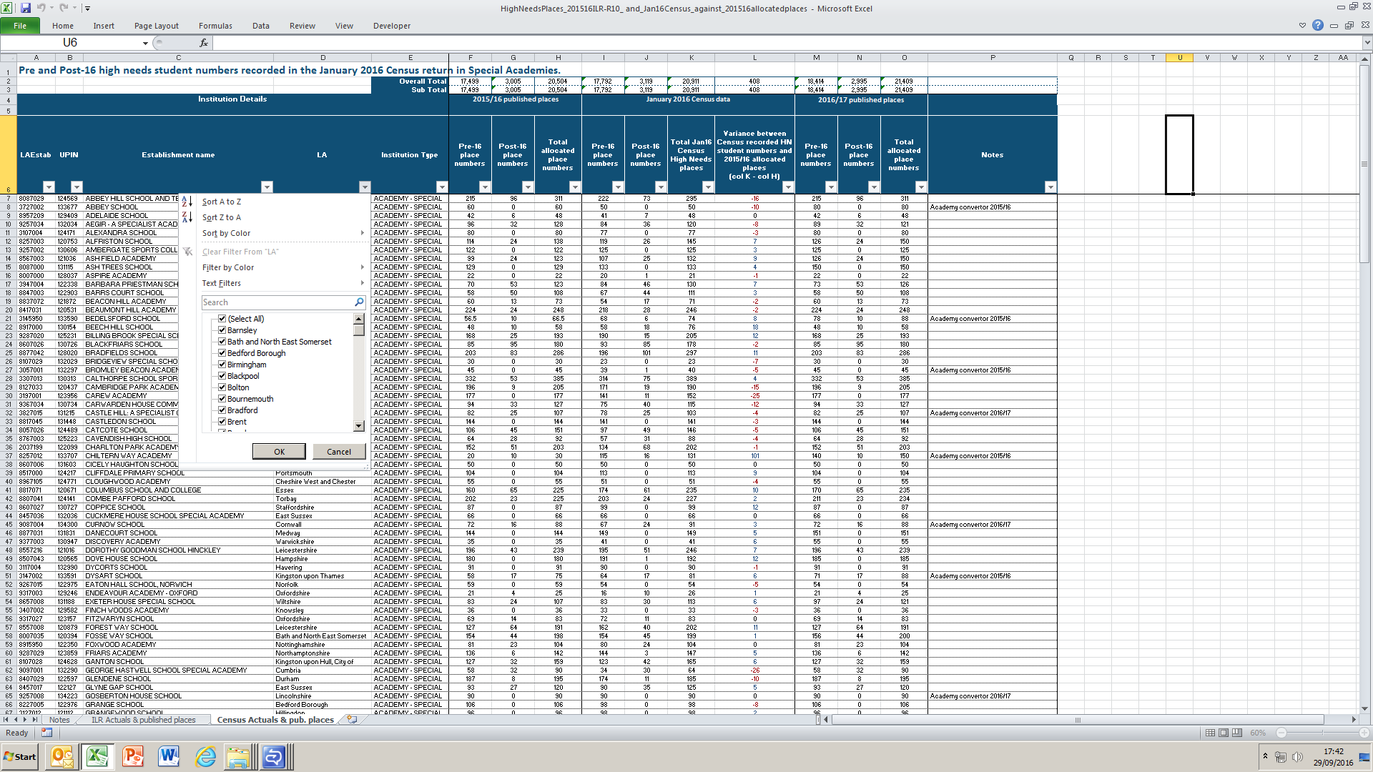

The total published places for 2015/16 can be seen in columns F - H with the total actual student numbers from the January 2016 Census data return for pre-16 and 16-18 year olds in columns I - K. The variance between actual and published numbers can be seen in column L. The published place numbers for 2016/17 are recorded in columns M - O. The LA Establishment number is shown in column A. The Unique Provider Identification Number (UPIN), is used by EFA to identify an institution on internal systems and databases.

Please send any enquiries via the | EFA online enquiry form
 |  |  | © Crown copyright 2016

