Contents


Mental Capacity Act 2005, Deprivation of Liberty Safeguards, England 2015-16
Annex B - Report Tables and Charts
Publication date: 28 September 2016
Link to publication: http://www.hscic.gov.uk/pubs/mentcap1516annual

Introduction
The information in this annex is derived from the Mental Capacity Act 2005, Deprivation of Liberty Safeguards (DoLS) data collection for the period 1 April 2015 to 31 March 2016. This annex contains all of the tables and charts from the DoLS annual report.

Contents

To access data tables, select the table headings or tabs To return to contents click the 'Return to contents' link at the top of each page

Chapter 1: Received Applications
Chapter 2: Completed Applications
Chapter 3: Granted Applications
Chapter 4: Not Granted Applications
Chapter 5: Not Yet Signed Off
Chapter 6: Individuals

Contact Details
Author: Adult Social Care Statistics Team, NHS Digital
Responsible Statistician: Stephen Jobling
Public Enquiries: Telephone: 0300 303 5678
Email: enquiries@nhsdigital.nhs.uk
Press enquiries should be made to: Media Relations Manager: Telephone: 0300 303 3888

Published by NHS Digital part of the Government Statistical Service
NHS Digital is the trading name of the Health and Social Care Information Centre.
Copyright © 2016

You may re-use this document/publication (not including logos) free of charge in any format or medium, under the terms of the Open Government Licence v3.0.
To view this licence visit
www.nationalarchives.gov.uk/doc/open-government-licence
or write to the Information Policy Team, The National Archives,
Kew, Richmond, Surrey, TW9 4DU;
or email: psi@nationalarchives.gsi.gov.uk

Chapter 1
Return to Contents

Chapter 1: Received Applications

Table 1.1: Volume of DoLS applications received by month, England, 2013-16
 | Number of DoLS applications received
Reporting Month and Year | 2013-14 | 2014-15 | 2015-16
Apr | 1,075 | 4,980 | 16,330
May | 1,180 | 8,485 | 15,795
Jun | 1,035 | 10,470 | 17,520
Jul | 1,265 | 11,630 | 17,480
Aug | 1,160 | 10,130 | 14,505
Sep | 1,070 | 11,625 | 16,085
Oct | 1,275 | 13,665 | 17,270
Nov | 1,130 | 13,035 | 16,340
Dec | 970 | 11,660 | 15,250
Jan | 1,175 | 13,115 | 16,720
Feb | 1,125 | 13,815 | 16,930
Mar | 1,255 | 14,930 | 15,620

Total | 13,715 | 137,540 | 195,840

Source: Deprivation of Liberty Safeguards (DoLS) data collections for 2013-14, 2014-15, 2015-16

Notes:
1. Based on all applications received during the reporting years 2013-14, 2014-15 and 2015-16
2. Number of applications are rounded to the nearest 5

Figure 1.1: Volume of DoLS applications received by month, England 2013-16

Notes:
1. 2015-16 figures are based on 195,840 applications received during the reporting year
2. 2014-15 figures are based on 137,540 applications received during the reporting year
3. 2013-14 figures are based on 13,715 applications received during the reporting year
4. Number of applications are rounded to the nearest 5

Table 1.2: Received DoLS applications per 100,000 adult population by region, England, 2014-15 and 2015-16
 | Applications per 100,000 adult population
Region | 2014-15 | 2015-16
East Midlands | 292 | 429
East of England | 373 | 429
London | 202 | 319
North East | 490 | 900
North West | 277 | 433
South East | 357 | 460
South West | 472 | 498
West Midlands | 295 | 450
Yorkshire and the Humber | 272 | 479

ENGLAND | 323 | 454

Source: Deprivation of Liberty Safeguards (DoLS) data collections for 2014-15 and 2015-16

Notes:
1. Based on all applications received during the reporting year 2014-15 and 2015-16
2. Population data source: Office for National Statistics - 2015 mid-year population estimates
3. Application rates are rounded to the nearest whole number

Figure 1.2: Received DoLS applications per 100,000 adult population by region, England 2015-16

Notes:
1. Based on all applications received during the reporting year 2015-16
2. Population data source: Office for National Statistics - 2015 mid-year population estimates
3. Application rates are rounded to the nearest whole number

Table 1.3: DoLS applications per 100,000 adults by region and age, England 2015-16
 | Applications per 100,000 adult population
Region | 18-64 Years | 65-74 Years | 75-84 Years | 85 Years and over
East Midlands | 116 | 370 | 1,668 | 5,558
East of England | 79 | 349 | 1,557 | 5,983
London | 93 | 494 | 1,665 | 5,853
North East | 173 | 720 | 3,771 | 13,068
North West | 86 | 435 | 1,833 | 6,100
South East | 95 | 358 | 1,678 | 6,277
South West | 94 | 353 | 1,694 | 6,222
West Midlands | 95 | 401 | 1,768 | 6,325
Yorkshire and the Humber | 104 | 428 | 1,925 | 6,915

Source: Deprivation of Liberty Safeguards (DoLS) data collections for 2015-16

Notes:
1. Based on all applications received during the reporting year 2015-16
2. Population data source: Office for National Statistics - 2015 mid-year population estimates
3. Application rates are rounded to the nearest whole number

Table 1.4: DoLS applications by outcome, England 2015-16
 | Applications granted | Applications not granted | Applications not signed off | Applications withdrawn | Total applications
2015-16 (%) | 34 | 12 | 42 | 12
2015-16 applications | 67,555 | 23,780 | 81,750 | 22,745 | 195,840
Source: Deprivation of Liberty Safeguards (DoLS) data collections for 2015-16

Notes:
1. Based on all applications received during the reporting year 2015-16
2. Number of applications are rounded to the nearest 5
3. Only includes applications which had a valid Application status populated

Figure 1.3: DoLS applications by outcome, England, 2015-16
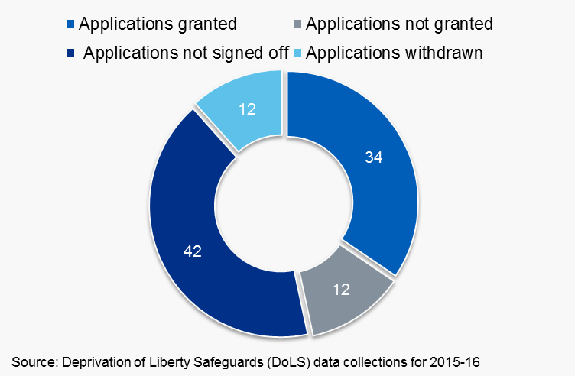

Notes:
1. Based on all applications received during the reporting year 2015-16
2. Only includes applications which had a valid Application status populated

Table 1.5: Number of not signed off DoLS applications by month, England 2015-16
Reporting month for 2015-16 | Number of applications TOTAL | Number of applications not signed off | Number of granted, not granted and withdrawn applications | Not signed off applications by 31st March 2016 (%) | Granted, Not granted and Withdrawn applications by 31st March 2016 (%)

Apr | 16,330 | 5,570 | 10,760 | 34 | 66
May | 15,795 | 5,310 | 10,485 | 34 | 66
Jun | 17,520 | 6,025 | 11,495 | 34 | 66
Jul | 17,480 | 6,095 | 11,385 | 35 | 65
Aug | 14,505 | 5,110 | 9,395 | 35 | 65
Sep | 16,085 | 5,745 | 10,335 | 36 | 64
Oct | 17,270 | 6,840 | 10,430 | 40 | 60
Nov | 16,340 | 6,750 | 9,595 | 41 | 59
Dec | 15,250 | 6,555 | 8,695 | 43 | 57
Jan | 16,720 | 8,140 | 8,575 | 49 | 51
Feb | 16,930 | 9,805 | 7,125 | 58 | 42
Mar | 15,620 | 12,150 | 3,470 | 78 | 22

Total | 195,840 | 84,085 | 111,745 | 43 | 57

Source: Deprivation of Liberty Safeguards (DoLS) data collections for 2015-16

Notes:
1. Based on all applications received during the reporting year 2015-16
2. Number of applications are rounded to the nearest 5

Figure 1.4: Proportion of DoLS applications by month and signoff status, England , 2015-16

Notes:
1. Based on all applications received during the reporting year 2015-16
2. Number of applications are rounded to the nearest 5
3. Only includes applications which had a valid Application status populated
4. Percentages are rounded to the nearest whole number and may not add up to 100 per cent due to rounding

Table 1.6: Number and proportion of applications received with urgent authorisations by region, England, 2015-16

Region | Received applications | With Urgent Authorisations | Percent Urgent
East Midlands | 15,895 | 11,055 | 70
East of England | 20,470 | 10,340 | 51
London | 21,420 | 7,680 | 36
North East | 18,895 | 12,190 | 65
North West | 24,490 | 11,370 | 46
South East | 32,310 | 11,090 | 34
South West | 21,845 | 13,595 | 62
West Midlands | 20,200 | 10,375 | 51
Yorkshire and The Humber | 20,315 | 7,800 | 38

Source: Deprivation of Liberty Safeguards (DoLS) data collections for 2015-16

Notes:
1. Based on all applications received during the reporting year 2015-16
2. Number of applications are rounded to the nearest 5

Copyright © 2016, Health and Social Care Information Centre. NHS Digital is the trading name of the Health and Social Care Information Centre.

Chapter 2
Return to Contents

Figure 1.1: Volume of DoLS applications received by month, England 2014-15 to 2015-16
 | #REF! | #REF!
 | 1 | 1
Figure 1.3: Percentage of DoLS applications by outcome, England 2015-16
 | 1
Chapter 2: Completed Applications

Table 2.1: Number of Completed DoLS applications by year, England 2010-16
Reporting Year | 2009-10 | 2010-11 | 2011-12 | 2012-13 | 2013-14 | 2014-15 | 2015-16
Completed Applications | 7,155 | 8,980 | 11,380 | 11,885 | 13,040 | 62,645 | 105,055

Figure 2.1: Number of Completed DoLS applications by year, England 2010- 2016

Notes:
1. Based on all applications completed during the relevant reporting years, irrespective of when the application was received
2. Number of applications are rounded to the nearest 5

Table 2.2: Completed DoLS applications per 100,000 by region , England 2011-16
Region | 2010-11 | 2011-12 | 2012-13 | 2013-14 | 2014-15 | 2015-16
East Midlands | 46 | 51 | 49 | 52 | 110 | 227
East of England | 13 | 21 | 28 | 31 | 127 | 217
London | 15 | 17 | 14 | 16 | 142 | 230
North East | 28 | 34 | 36 | 39 | 389 | 665
North West | 19 | 25 | 25 | 30 | 150 | 219
South East | 23 | 26 | 29 | 31 | 127 | 179
South West | 24 | 38 | 38 | 39 | 148 | 258
West Midlands | 20 | 28 | 28 | 33 | 115 | 239
Yorkshire and the Humber | 18 | 22 | 23 | 22 | 147 | 230

England | 22 | 27 | 28 | 31 | 147 | 244

Source: Deprivation of Liberty Safeguards (DoLS) data collections for 2010-11, 2011-12, 2012-13, 2013-14, 2014-15 and 2015-16

Notes:
1. Based on all applications completed during the relevant reporting year, irrespective of when the application was received
2. Application rates are rounded to the nearest whole number
3. Population data source: Office for National Statistics - 2015 mid-year population estimates

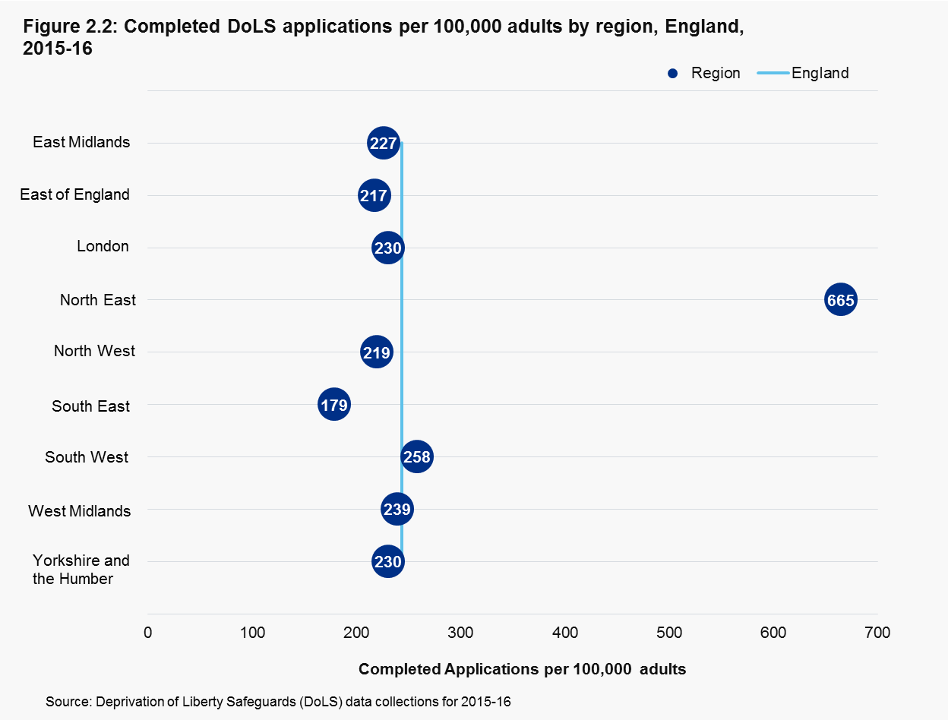

Notes:
1. Based on all applications completed during the reporting year 2015-16, irrespective of when the application was received
2. Application rates are rounded to the nearest whole number
3. Population data source: Office for National Statistics - 2015 mid-year population estimates

Notes:
1. Based on all applications completed during the relevant reporting year, irrespective of when the application was received
2. Application rates are rounded to the nearest whole number
3. Population data source: Office for National Statistics - 2015 mid-year population estimates

Table 2.3: Proportion of completed DoLS applications by outcome, England 2010-16
Reporting Year | Applications Granted | Applications Not Granted
2010-11 | 55 | 45
2011-12 | 56 | 44
2012-13 | 55 | 45
2013-14 | 59 | 41
2014-15 | 83 | 17
2015-16 | 73 | 27

Source: Deprivation of Liberty Safeguards (DoLS) data collections for 2015-16

Figure 2.4: Proportion of completed DoLS applications by outcome, England 2011-16

Notes:
1. Based on all applications completed during the relevant reporting year, irrespective of when the application was received
2. Percentages are rounded to the nearest whole number and may not add up to 100 per cent due to rounding
3. Completed applications by year: 2010-11 (8,980), 2011-12 (11,380), 2012-13 (11,885), 2013-14 (13,040), 2014-15 (62,645) and 2015-16 (105,055)

Table 2.4: Completed applications outcome by region,England, 2015-16
Region | Applications Granted | Percent Granted | Applications Not Granted | Percent Not Granted
East Midlands | 4,645 | 55 | 3,750 | 45
East of England | 5,475 | 53 | 4,895 | 47
London | 13,275 | 86 | 2,210 | 14
North East | 11,995 | 86 | 1,965 | 14
North West | 10,585 | 85 | 1,820 | 15
South East | 9,930 | 79 | 2,660 | 21
South West | 4,970 | 44 | 6,355 | 56
West Midlands | 7,700 | 72 | 3,040 | 28
Yorkshire and the Humber | 7,955 | 81 | 1,825 | 19

England | 76,530 | 73 | 28,530 | 27

Source: Deprivation of Liberty Safeguards (DoLS) data collections for 2015-16

Notes:
1. Based on all applications completed during the reporting year 2015-16, irrespective of when the application was received
2. Number of applications are rounded to the nearest 5
3. Percentages are rounded to the nearest whole number and may not add up to 100 per cent due to rounding

Table 2.5: Proportion of completed applications with urgent authorisations by region, England, 2015-16
Region | Completed Applications | With Urgent Authorisation | Percent Urgent
East Midlands | 8,395 | 5,870 | 70
East of England | 10,375 | 6,330 | 61
London | 15,485 | 5,365 | 35
North East | 13,960 | 9,200 | 66
North West | 12,405 | 6,020 | 49
South East | 12,590 | 5,915 | 47
South West | 11,325 | 6,615 | 58
West Midlands | 10,740 | 5,205 | 48
Yorkshire and the Humber | 9,780 | 3,750 | 38

England | 105,055 | 54,280 | 52

Source: Deprivation of Liberty Safeguards (DoLS) data collections for 2015-16

Notes:
1. Based on all applications completed during the reporting year 2015-16, irrespective of when the application was received
2. Number of applications are rounded to the nearest 5

Table 2.6: Proportion of Urgent completed applications which were either granted or not granted by region, England, 2015-16
Region | Application status & outcome | Granted Applications per 100,000 adults | Not Granted applications per 100,000 adults
East Midlands | Not urgent | 51 | 17
 | Urgent | 74 | 84
East of England | Not urgent | 58 | 27
 | Urgent | 57 | 76
London | Not urgent | 135 | 16
 | Urgent | 63 | 17
North East | Not urgent | 211 | 16
 | Urgent | 361 | 78
North West | Not urgent | 102 | 11
 | Urgent | 85 | 21
South East | Not urgent | 78 | 17
 | Urgent | 63 | 21
South West | Not urgent | 54 | 53
 | Urgent | 59 | 91
West Midlands | Not urgent | 94 | 29
 | Urgent | 78 | 38
Yorkshire and the Humber | Not urgent | 123 | 20
 | Urgent | 65 | 23

Source: Deprivation of Liberty Safeguards (DoLS) data collections for 2015-16

Notes:
1. Based on all applications completed during the reporting year 2015-16, irrespective of when the application was received
2. Application rates are rounded to the nearest whole number

Figure 2.5: Proportion of urgent completed applications which were either granted or not granted by region, England, 2015-16
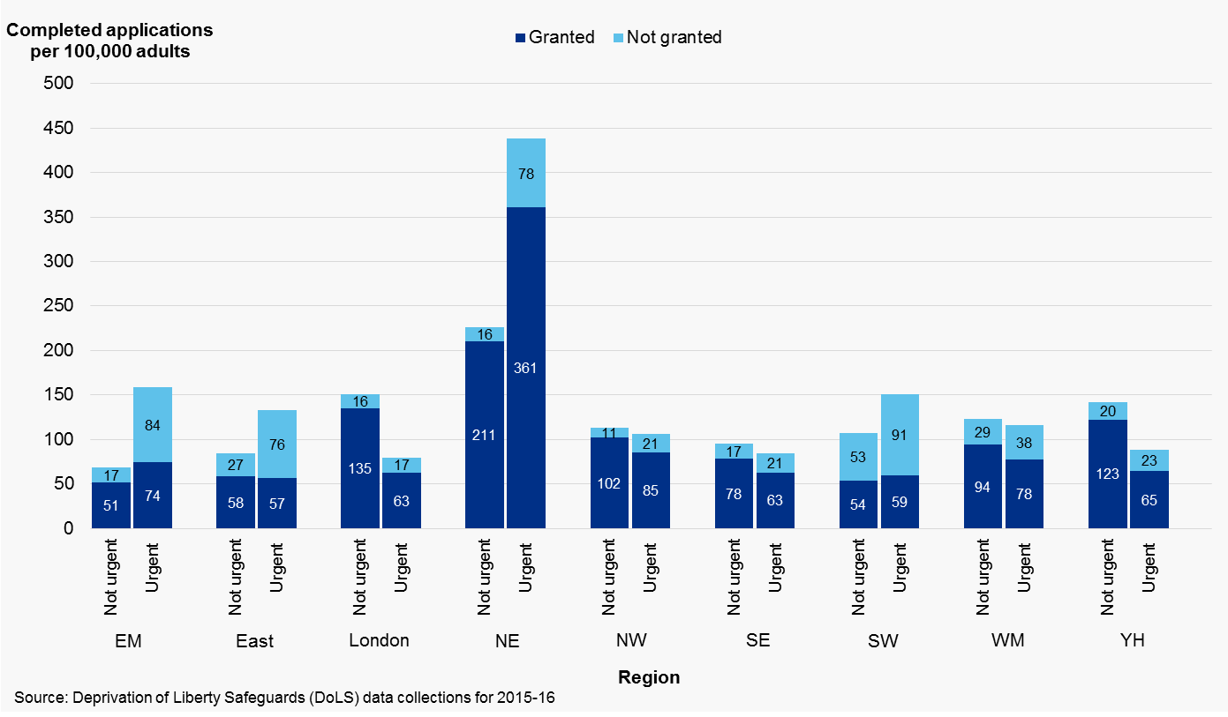

Notes:
1. Based on all applications completed during the reporting year 2015-16, irrespective of when the application was received
2. Application rates are rounded to the nearest whole number

Table 2.7 : Applications completed within time frame by region, England, 2015-16
Region | Completed Applications | Completed in 7 days | Completed in 21 days | Percent Completed in 7 days | Percent Completed in 21 days
East Midlands | 8,395 | 325 | 1,590 | 4 | 19
East of England | 10,375 | 750 | 2,260 | 7 | 22
London | 15,485 | 1,325 | 5,875 | 9 | 38
North East | 13,960 | 3,545 | 5,650 | 25 | 40
North West | 12,405 | 1,105 | 4,875 | 9 | 39
South East | 12,590 | 670 | 3,295 | 5 | 26
South West | 11,325 | 1,090 | 2,030 | 10 | 18
West Midlands | 10,740 | 435 | 1,940 | 4 | 18
Yorkshire and The Humber | 9,780 | 755 | 2,625 | 8 | 27

England | 105,055 | 10,000 | 30,140 | 10 | 29

Source: Deprivation of Liberty Safeguards (DoLS) data collections for 2015-16

Notes:
1. Based on all applications completed during the reporting year 2015-16, irrespective of when the application was received
2. Number of applications are rounded to the nearest 5

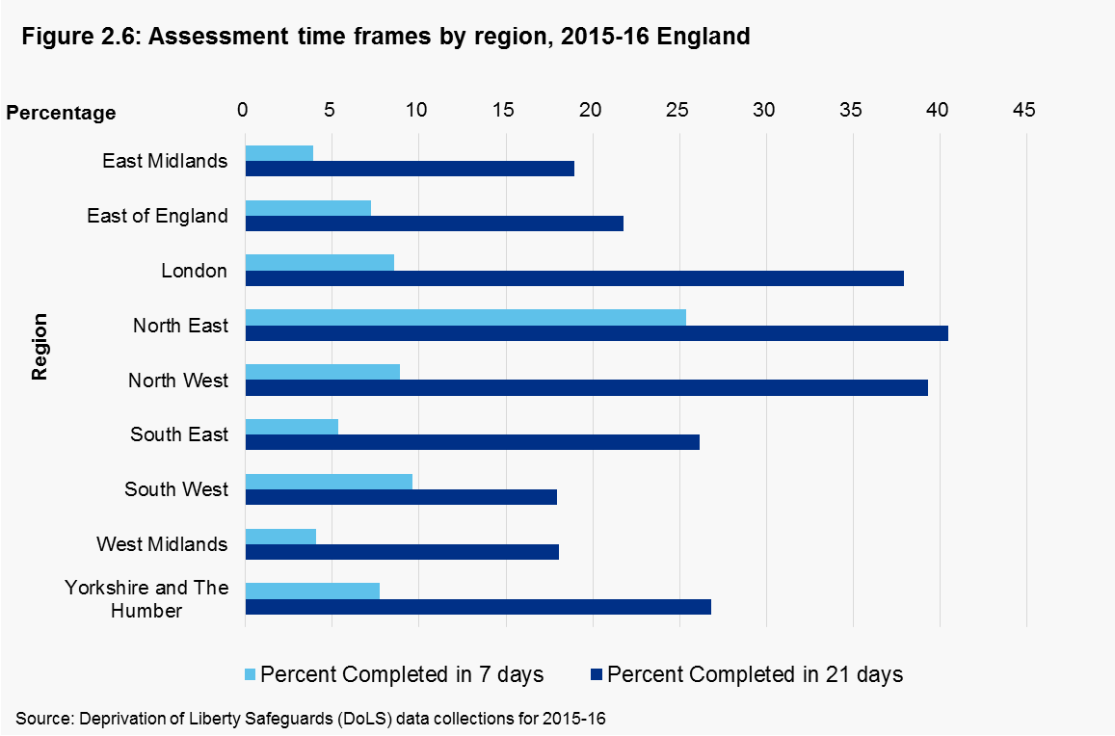

Notes:
1. Based on all applications completed during the reporting year 2015-16, irrespective of when the application was received
2. Number of applications are rounded to the nearest 5

Table 2.8: Completed Applications time frame, England, 2015-16
Application completion (sign off) time frame in days | Number of Applications | Proportion of Applications
0-7 | 10,000 | 10
8-14 | 15,935 | 15
15-21 | 14,205 | 14
22-28 | 8,845 | 8
29-35 | 6,335 | 6
36-42 | 4,445 | 4
43-49 | 3,585 | 3
50-56 | 2,940 | 3
57-63 | 2,510 | 2
64-70 | 2,240 | 2
71-77 | 1,925 | 2
78-84 | 1,675 | 2
85-91 | 1,610 | 2
92-98 | 1,415 | 1
99-105 | 1,365 | 1
106-112 | 1,270 | 1
113-119 | 1,210 | 1
120-126 | 1,115 | 1
127-133 | 1,105 | 1
134-140 | 955 | 1
141-147 | 950 | 1
148-154 | 820 | 1
155-161 | 810 | 1
162-168 | 715 | 1
169-175 | 745 | 1
176-182 | 650 | 1
183-189 | 690 | 1
190-196 | 615 | 1
197-203 | 625 | 1
204-210 | 610 | 1
211-217 | 535 | 1
218-224 | 530 | 1
225-231 | 490 | 0
232-238 | 530 | 1
239-245 | 470 | 0
246-252 | 425 | 0
253-259 | 430 | 0
260-266 | 450 | 0
267-273 | 420 | 0
274-280 | 405 | 0
281-287 | 435 | 0
288-294 | 385 | 0
295-301 | 385 | 0
302-308 | 340 | 0
309-315 | 345 | 0
316-322 | 345 | 0
323-329 | 310 | 0
330-336 | 325 | 0
337-343 | 320 | 0
344-350 | 345 | 0
351-357 | 285 | 0
358-364 | 295 | 0
365+ | 4,335 | 4

Source: Deprivation of Liberty Safeguards (DoLS) data collections for 2015-16

Notes:
1. Based on all applications completed during the reporting year 2015-16, irrespective of when the application was received
2. Only included applications which had a valid Application received and Application Sign off date populated
3. Number of applications are rounded to the nearest 5

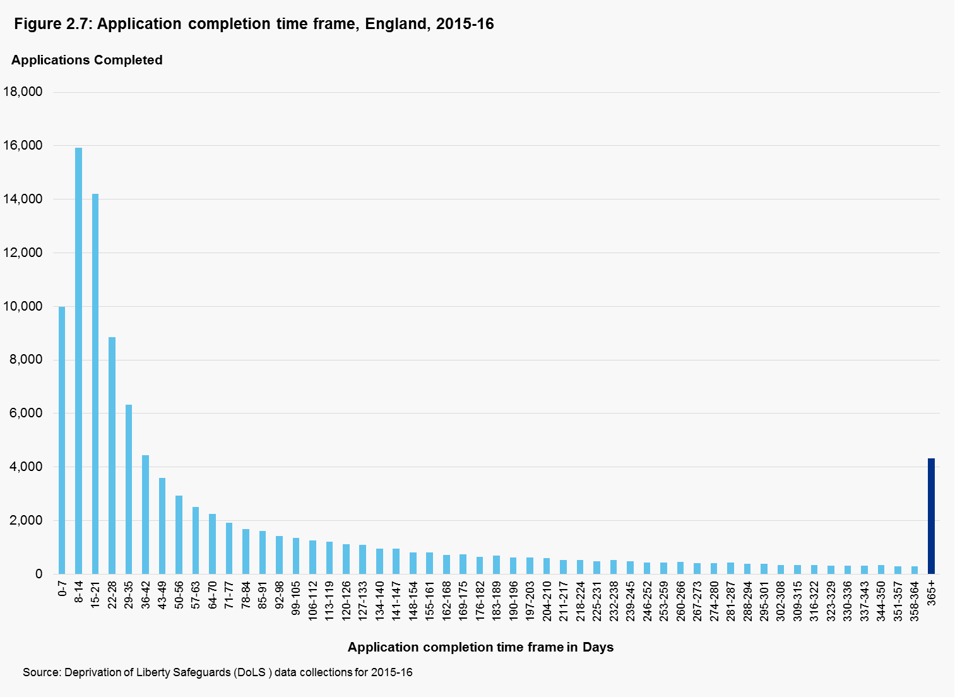

Notes:
1.Based on all applications completed (signed off) during the reporting year 2015-16, irrespective of when the application was received

Notes:
1. Based on all applications completed during the reporting year 2015-16, irrespective of when the application was received
2. Only included applications which had a valid Application received and Application Sign off date populated
3. Number of applications are rounded to the nearest 5
4. The day an application is received is classed as day 0. For an application received on, for example, a Wednesday, the next Wednesday would be day 7, the Wednesday after would be day 14, etc.

Copyright © 2016, Health and Social Care Information Centre. NHS Digital is the trading name of the Health and Social Care Information Centre.

Chapter 3
Return to Contents

Figure 1.1: Volume of DoLS applications received by month, England 2014-15 to 2015-16
 | #REF! | #REF!
 | 1 | 1
Figure 1.3: Percentage of DoLS applications by outcome, England 2015-16
 | 1
Chapter 3: Granted Applications

Table 3.1: Granted DoLS applications by Region, England, 2015-16
 | 2015-16
Region | Granted Applications | Granted Applications Per 100,000 Adults
East Midlands | 4,645 | 125
East of England | 5,475 | 115
London | 13,275 | 197
North East | 11,995 | 571
North West | 10,585 | 187
South East | 9,930 | 141
South West | 4,970 | 113
West Midlands | 7,700 | 171
Yorkshire and the Humber | 7,955 | 187

England | 76,530 | 178

Source: Deprivation of Liberty Safeguards (DoLS) data collections for 2015-16

Notes:
1. Based on all applications granted during the reporting year 2015-16
2. Population data source: Office for National Statistics - 2015 mid-year population estimates
3. Application rates are rounded to the nearest whole number

Table 3.2: Active DoLS authorisations on the last day of reporting period, England, 2010-16
Reporting Year | 2009-10 | 2010-11 | 2011-12 | 2012-13 | 2013-14 | 2014-15 | 2015-16
Last Day of the reporting year | 31 March 2010 | 31 March 2011 | 31 March 2012 | 31 March 2013 | 31 March 2014 | 31 March 2015 | 31 March 2016
Authorisations | 1,100 | 1,500 | 1,700 | 1,600 | 2,300 | 36,215 | 54,765
Source: Deprivation of Liberty Safeguards (DoLS) data collections for 2009-10, 2010-11, 2011-12, 2012-13, 2013-14, 2014-15, 2015-16

Figure 3.1: Active DoLS authorisations on the last day of reporting period, England 2010-16

Notes:
1. Based on all authorisations active on the last day of the relevant reporting years
2. Number of applications are rounded to the nearest 5

Table 3.3: Completed DoLS authorisations for the reporting period, England, 2015-16
 | 2015-16
Region | Completed Authorisations | Completed Authorisations Per 100,000 Adults
East Midlands | 2,665 | 72
East of England | 2,090 | 44
London | 3,150 | 47
North East | 4,240 | 202
North West | 3,525 | 62
South East | 2,675 | 38
South West | 2,045 | 47
West Midlands | 1,995 | 44
Yorkshire and the Humber | 2,720 | 64

England | 25,110 | 58

Source: Deprivation of Liberty Safeguards (DoLS) data collections for 2015-16

Notes:
1. Based on all completed authorisations, that were granted during the 2015-16 reporting year
2. Number of applications are rounded to the nearest 5
3. Population data source: Office for National Statistics - 2015 mid-year population estimates
4. Application rates are rounded to the nearest whole number

Table 3.4: Number and Percentage of completed DoLS authorisations in each duration category, England 2014-16
Duration category | Number of Completed authorisations |  | Percent
 | 2014-15 | 2015-16 | 2014-15 | 2015-16
Less than 3 months | 11,000 | 14,805 | 62 | 60
3-6 months | 4,130 | 5,980 | 23 | 24
More than 6 months | 2,650 | 4,080 | 15 | 16

Source: Deprivation of Liberty Safeguards (DoLS) data collections for 2014-15 and 2015-16

Notes:
1. Based on all completed authorisations, that were granted during the reporting years 2014-15 & 2015-16
2. Only includes completed authorisations which had the duration populated
3. Number of applications are rounded to the nearest 5

Figure 3.2: Number of completed authorisations in each duration category, England, 2014-16

Source: Deprivation of Liberty Safeguards (DoLS) data collections for 2014-15 and 2015-16

Notes:
1. Based on all completed authorisations, that were granted during the reporting years 2014-15 & 2015-16
2. Only includes completed authorisations which had the duration populated
3. Number of applications are rounded to the nearest 5

Figure 3.3: Percentage of completed authorisations in each duration category, England, 2014-16

2014-15
2015-16

Source: Deprivation of Liberty Safeguards (DoLS) data collections for 2015-16

Notes:
1. Based on all completed authorisations, that were granted during the reporting years 2014-15 & 2015-16
2. Only includes completed authorisations which had the duration populated
3. Percentages are rounded to the nearest whole number and may not add up to 100 per cent due to rounding

Table 3.5: Number of completed DoLS authorisations in each duration category by region, England 2015-16
 |  | 2015-16
Region | Less than 3 months | 3-6 months | More than 6 months
East Midlands | 1,260 | 710 | 695
East of England | 1,045 | 595 | 445
London | 1,860 | 780 | 485
North East | 3,020 | 805 | 415
North West | 2,360 | 705 | 460
South East | 1,605 | 670 | 395
South West | 1,195 | 530 | 320
West Midlands | 1,165 | 495 | 335
Yorkshire and the Humber | 1,295 | 685 | 525

Source: Deprivation of Liberty Safeguards (DoLS) data collections for 2015-16

Notes:
1. Based on all completed authorisations, that were granted during the 2015-16 reporting year
2. Only includes completed authorisations which had the duration populated
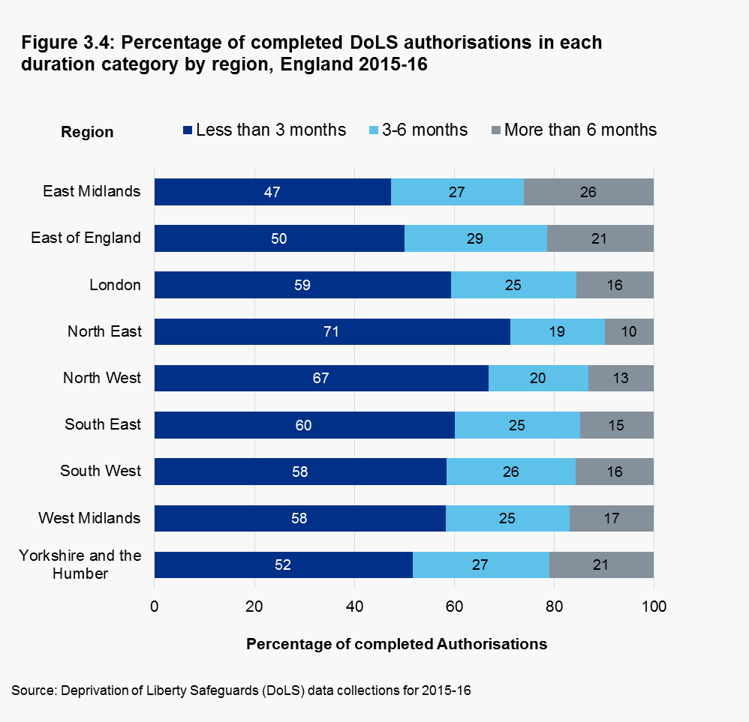

Notes:
1. Based on all completed authorisations, that were granted during the 2015-16 reporting year
2. Only includes completed authorisations which had the Duration populated
3. Percentages are rounded to the nearest whole number and may not add up to 100 per cent due to rounding

Table 3.6: Authorisations with reviews by age range, England, 2015-16
 |  | 2015-16
Age range | Authorisations | Authorisations with at least one review | Percentage of Authorisations with at least one review
18-64 Years | 15,715 | 650 | 4
65-74 Years | 8,710 | 415 | 5
75-84 Years | 22,050 | 950 | 4
85 Years or Over | 30,055 | 1,225 | 4

All Ages 18 or Over | 76,530 | 3,240 | 4

Source: Deprivation of Liberty Safeguards (DoLS) data collections for 2015-16

Notes:
1. Based on all the applications granted during the reporting year
2. Only includes authorisations which had a review and had a valid age populated
3. Number of authorisations are rounded to the nearest 5
4. Percentages are rounded to the nearest whole number

Table 3.7: Authorisations with reviews by region, England, 2015-16

 |  | 2015-16
Region | Authorisations | Authorisations with at least one review | Percentage of Authorisations with at least one review
East Midlands | 4,645 | 370 | 8
East of England | 5,475 | 235 | 4
London | 13,275 | 365 | 3
North East | 11,995 | 220 | 2
North West | 10,585 | 465 | 4
South East | 9,930 | 645 | 7
South West | 4,970 | 265 | 5
West Midlands | 7,700 | 555 | 7
Yorkshire and the Humber | 7,955 | 115 | 1

England | 76,530 | 3,240 | 4

Source: Deprivation of Liberty Safeguards (DoLS) data collections for 2015-16

Notes:
1. Based on all the applications granted during the reporting year
2. Only includes authorisations which had a review
3. Number of authorisations are rounded to the nearest 5
4. Percentages are rounded to the nearest whole number

Table 3.8: Outcome of the latest review for the authorisations, England, 2015-16
 |  | 2015-16
Outcome of the latest Review |  | Authorisations with at least one review | Percentage of completed reviews
Mental Health Requirement no longer met |  | 5 | 0
Mental Capacity Requirement no longer met |  | 45 | 1
No Refusals Requirement no longer met |  | 0 | 0
Eligibility Requirement no longer met |  | 5 | 0
Best Interests Requirement no longer met |  | 10 | 0
Change in client circumstances |  | 975 | 30
Death of client |  | 950 | 29
No criteria failed, DoLS remains |  | 1,250 | 39

Applications with outcome for the review |  | 3,240 | 100

Source: Deprivation of Liberty Safeguards (DoLS) data collections for 2015-16

Notes:
1. Based on all the applications granted during the reporting year
2. Only includes authorisations which had a review
3. Number of authorisations are rounded to the nearest 5
4. Percentages are rounded to the nearest whole number

Table 3.9: Authorisations ended earlier than planned, England, 2015-16
 | 2015-16
Region | Authorisations | Authorisations ended earlier than planned | Percentage of Authorisations ended earlier than planned
East Midlands | 4,645 | 1,680 | 36
East of England | 5,475 | 1,060 | 19
London | 13,275 | 1,220 | 9
North East | 11,995 | 2,355 | 20
North West | 10,585 | 1,405 | 13
South East | 9,930 | 1,265 | 13
South West | 4,970 | 925 | 19
West Midlands | 7,700 | 940 | 12
Yorkshire and the Humber | 7,955 | 1,775 | 22

England | 76,530 | 12,625 | 16

Source: Deprivation of Liberty Safeguards (DoLS) data collections for 2015-16

Notes:
1. Based on all the applications granted during the reporting year
2. Only includes authorisations which had an 'Actual end date' earlier than the 'Planned end date'
3. Number of authorisations are rounded to the nearest 5
4. Percentages are rounded to the nearest whole number

Copyright © 2016, Health and Social Care Information Centre. NHS Digital is the trading name of the Health and Social Care Information Centre.

Chapter 4
Return to Contents

Chapter 4: Not Granted Applications

Table 4.1: Propotions of assessment outcomes for applications that were not granted due to an assessment criterion not being met, England, 2015-16

Type of assessment | Satisfied | Not Satisfied
Age requirement | 91 | 9
Mental health requirement | 73 | 27
Mental capacity requirement | 10 | 90
No refusals requirement | 63 | 37
Eligibility requirement | 69 | 31
Best interests requirement | 28 | 72
Source: Deprivation of Liberty Safeguards (DoLS) data collections for 2015-16

Notes:
1. Based on all applications not granted due to any of the assessment criteria not being satisfied, during the reporting year 2015-16
2. Percentages are rounded to the nearest whole number and may not add up to 100 per cent due to rounding

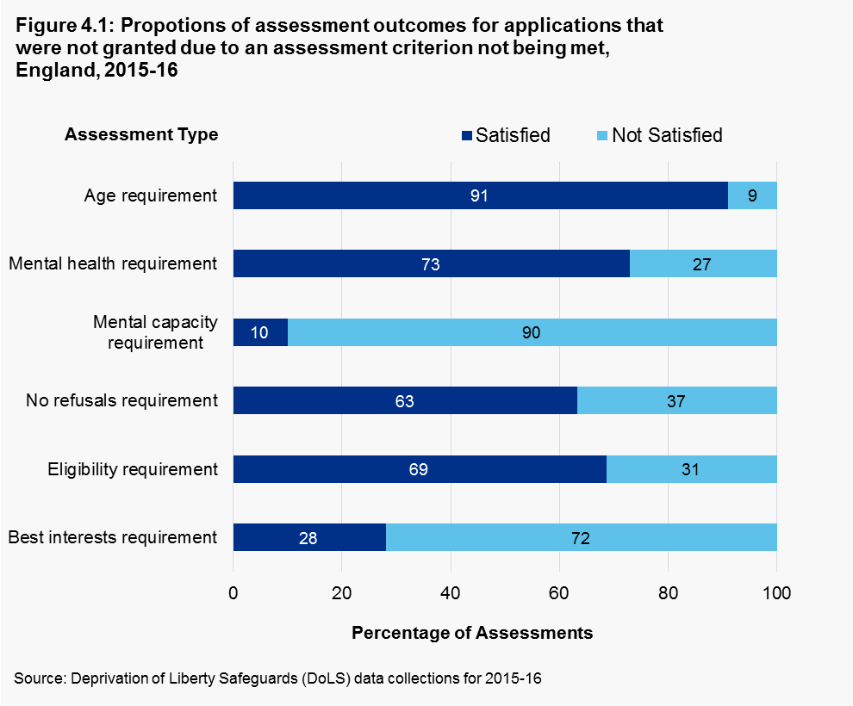

Notes:
Notes:
1. Based on all applications not granted due to any of the assessment criteria not being satisfied, during the reporting year 2015-16
2. Percentages are rounded to the nearest whole number and may not add up to 100 per cent due to rounding

Table 4.2: Not Granted DoLS Applications by region,England, 2015-16
Region | Number of Not Granted Application | Not Granted Applications Per 100,000 adults
East Midlands | 3,750 | 101
East of England | 4,895 | 103
London | 2,210 | 33
North East | 1,965 | 94
North West | 1,820 | 32
South East | 2,660 | 38
South West | 6,355 | 145
West Midlands | 3,040 | 68
Yorkshire and The Humber | 1,825 | 43

England | 28,530 | 66

Source: Deprivation of Liberty Safeguards (DoLS) data collections for 2015-16

Notes:
1. Based on all applications not granted during the reporting year 2015-16
2. Number of applications are rounded to the nearest 5
3. Application rates are rounded to the nearest whole number

Table 4.3: Not Granted DoLS Applications by Reason, England, 2015-16
Reason For Not Granting | Number of Applications Not Granted | Percentage of not granted applications
Any of Assessment criteria not satisfied | 7,740 | 27
Change of Circumstances | 12,290 | 43
Death of the Person | 8,495 | 30

Total | 28,530 | 100

Source: Deprivation of Liberty Safeguards (DoLS) data collections for 2015-16

Notes:
1. Based on all applications not granted during the reporting year 2015-16
2. Number of applications are rounded to the nearest 5
3. Percentages are rounded to the nearest whole number

Figure 4.2: Percentage of Not Granted DoLS Applications by Reason, England 2015-16

Notes:
1. Based on all applications not granted during the reporting year 2015-16
2. Percentages are rounded to the nearest whole number

Copyright © 2016, Health and Social Care Information Centre. NHS Digital is the trading name of the Health and Social Care Information Centre.

Chapter 5
Return to Contents

Chapter 5 – Not Yet Signed Off

Table 5.1: Number of urgent and not urgent applications that were not yet signed off, England, 2015-16
Duration in days as at 31 March 2016, of all applications not signed off | Number of applications with Urgent authorisations, not signed off as at 31March2016 | Number of standard applications, not signed off as at 31March2016
0 - 20 | 3655 | 4495
21 - 41 | 2945 | 4290
42 - 62 | 2880 | 4210
63 - 83 | 2625 | 3540
84 - 104 | 1635 | 2240
105 - 125 | 2010 | 2725
126 - 146 | 1960 | 2905
147 - 167 | 1895 | 2920
168 - 188 | 1770 | 2635
189 - 209 | 1525 | 2430
210 - 230 | 1390 | 2125
231 - 251 | 1375 | 2420
252 - 272 | 1470 | 2615
273 - 293 | 1500 | 2575
294 - 314 | 1345 | 2465
315 - 335 | 1515 | 2430
336 - 356 | 1535 | 2740
357 - 377 | 840 | 1570
378 - 398 | 815 | 1270
399 - 419 | 710 | 1260
420 - 440 | 640 | 1020
441 - 461 | 375 | 795
462 - 482 | 410 | 785
483 - 503 | 450 | 885
504 - 524 | 475 | 840
525 - 545 | 500 | 840
546 - 566 | 295 | 635
567 - 587 | 275 | 485
588 - 608 | 190 | 375
609 - 629 | 295 | 480
630 - 650 | 155 | 370
651 - 671 | 100 | 345
672 - 692 | 65 | 225
693 - 713 | 25 | 70
714 - 734 | 10 | 45
735 - 755 | 10 | 5
756 - 776 | 10 | 0
777 - 797 | 5 | 0
798 - 819 | 5 | 5

Source: Deprivation of Liberty Safeguards (DoLS) data collections for 2015-16
Notes:
1. Based on all applications that were received at any point up to 31 March 2016 and had not yet been signed off by 31 March 2016

Figure 5.1: Number of urgent and not urgent applications that were not yet signed off, England, 2015-16

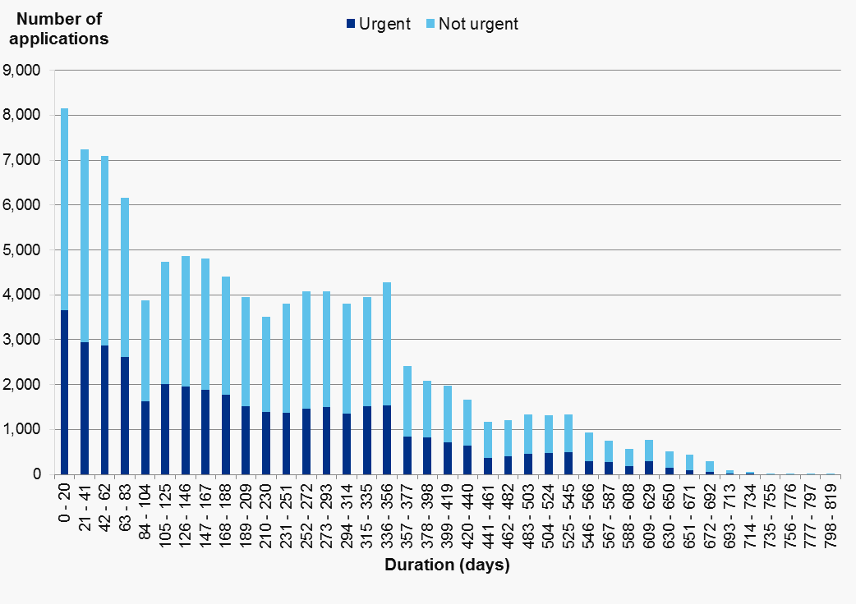

Source: Deprivation of Liberty Safeguards (DoLS) data collections for 2015-16

Notes:
1. Based on all applications that were received at any point up to 31 March 2016 and had not yet been signed off by 31 March 2016

Copyright © 2016, Health and Social Care Information Centre. NHS Digital is the trading name of the Health and Social Care Information Centre.

Chapter 6
Return to Contents

Chapter 6: Individuals

Table 6.1: Distribution of individuals with DoLS applications by age group, England, 2015-16
 | 2015-16
Age Group | Individuals with at least one DoLS application | Percentage of individuals with at least one DoLS application
18-64 Years | 34,965 | 17
65-74 Years | 21,465 | 10
75-84 Years | 57,930 | 28
85 Years or Over | 91,615 | 44

England | 206,010 | 100

Source: Deprivation of Liberty Safeguards (DoLS) data collections for 2015-16

Notes:
1. Based on all individuals with atleast one active application at any point during the 2015-16 reporting year
2. Only includes applications which had the 'Person Reference' and 'Age' populated
3. Number of applications are rounded to the nearest 5
4. Percentages are rounded to the nearest whole number

Figure 6.1: Distribution of individuals with DoLS applications by age group, England, 2015-16

Notes:
1. Based on all individuals with atleast one active application at any point during the 2015-16 reporting year
2. Only includes applications which had the 'Person Reference' and 'Age' populated
3. Percentages are rounded to the nearest whole number

Table 6.2: Individuals with DoLS applications by ethnicity, England, 2015-16
 | 2015-16
Ethnicity | Individuals with at least one DoLS application | Percentage of individuals with at least one DoLS application
White | 185,695 | 90
Mixed/Multiple | 905 | 0
Asian/Asian British | 2,965 | 1
Black/Black British | 3,190 | 2
Other Ethnic origin | 1,620 | 1
Not stated | 5,445 | 3
Undeclared/Not Known | 6,180 | 3

England | 206,010 | 100

Source: Deprivation of Liberty Safeguards (DoLS) data collections for 2015-16

Notes:
1. Based on all individuals with atleast one active application at any point during the 2015-16 reporting year
2. Only includes applications which had the 'Person Reference' and 'Ethnicity' recorded
3. Number of applications are rounded to the nearest 5
4. Percentages are rounded to the nearest whole number

Table 6.3: Demographics of individuals with DoLS applications per 100,000 adults, England 2015-16
Category | Adult Population | Individuals with Applications | Individuals with applications Per 100,000 Adults
Other Ethnic Groups | 403,414 | 1,620 | 401
Black or Black British | 1,284,281 | 3,190 | 248
Asian or Asian British | 3,007,110 | 2,965 | 99
Mixed | 602,862 | 905 | 150
White | 36,377,829 | 185,695 | 510

85 Years or Over | 1,295,289 | 91,615 | 7,073
75-84 Years | 3,130,528 | 57,930 | 1,850
65-74 Years | 5,285,755 | 21,465 | 406
18-64 Years | 33,396,899 | 34,965 | 105

Female | 22,061,122 | 126,850 | 575
Male | 21,047,349 | 79,145 | 376

England | 43,108,471 | 206,010 | 478

Source: Deprivation of Liberty Safeguards (DoLS) data collections for 2015-16,Office for National Statistics- Mid-2015 Population Estimates & 2011 census

Notes:
1. Based on all individuals with atleast one active application at any point during the 2015-16 reporting year
2. Age and gender population data source: Office for National Statistics, Mid-2015 Population Estimates
3. Ethnicity population data source: Office for National Statistics, 2011 Census
4. Number of Individuals are rounded to the nearest 5
5. Individual rates are rounded to the nearest whole number

Figure 6.2: Demographics of individuals with DoLS applications per 100,000 adults, England, 2015-16
Other Ethnic Groups | 401
Black or Black British | 248
Asian or Asian British | 99
Mixed | 150
White | 510
85 Years or Over | 7,073
75-84 Years | 1,850
65-74 Years | 406
18-64 Years | 105
Female | 575
Male | 376
England | 478

Notes:
1. Based on all individuals with atleast one active application at any point during the 2015-16 reporting year
2. Age and gender population data source: Office for National Statistics, Mid-2015 Population Estimates
3. Ethnicity population data source: Office for National Statistics, 2011 Census
4. Individual rates are rounded to the nearest whole number

Table 6.4: Individuals with DoLS applications by disability, England, 2015-16
 | 2015-16
Disability | Individuals with at least one DoLS application | Percentage of individuals with at least one DoLS application
No disability | 18,075 | 9
Physical: Hearing impairment | 2,045 | 1
Physical: Visual impairment | 3,425 | 2
Physical: Dual sensory loss | 2,420 | 1
Physical: Other | 28,080 | 14
MH needs: Dementia | 105,975 | 51
MH needs: Other | 18,655 | 9
Learning disability | 22,340 | 11
Other disability | 4,965 | 2

England | 206,010 | 100

Source: Deprivation of Liberty Safeguards (DoLS) data collections for 2015-16

Notes:
1. Based on all individuals with atleast one active application at any point during the 2015-16 reporting year
2. Only includes applications which had a valid 'Disability' recorded
3. Number of Individuals are rounded to the nearest 5
4. Percentages are rounded to the nearest whole number
Figure 6.3: Percentage of Individuals with DoLS applications by disability, England, 2015-16

Notes:
1. Based on all individuals with atleast one active application at any point during the 2015-16 reporting year
2. Only includes applications which had a valid 'Disability' recorded
3. Percentages are rounded to the nearest whole number

Table 6.5: Individuals with DoLS applications by sexual identity, England, 2015-16
 | 2015-16
Sexual Orientation | Individuals with at least one DoLS application | Percentage of individuals with at least one DoLS application
Heterosexual/Straight | 121,580 | 57
Gay/Lesbian | 265 | 0
Bisexual | 115 | 0
Not Known | 78,280 | 40
Undeclared | 5,760 | 3

England | 206,010 | 100

Source: Deprivation of Liberty Safeguards (DoLS) data collections for 2015-16

Notes:
1. Based on all individuals with atleast one active application at any point during the 2015-16 reporting year
2. Application numbers are rounded to the nearest 5
3. Percentages are rounded to the nearest whole number

Table 6.6: Individuals by number of DoLS applications, England, 2015-16
 | 2015-16
Number of applications per person | Number of Individuals | Percentage of individuals
1 application | 173,260 | 84
2 applications | 26,965 | 13
3 applications | 4,445 | 2
4 or more applications | 1,345 | 1

Total | 206,010 | 100

Source: Deprivation of Liberty Safeguards (DoLS) data collections for 2015-16

Notes:
1. Based on all individuals with atleast one active application at any point during the 2015-16 reporting year
2. Number of Individuals are rounded to the nearest 5
3. Percentages are rounded to the nearest whole number

Figure 6.4: Percentage of Individuals by number of DoLS applications, England, 2015-16
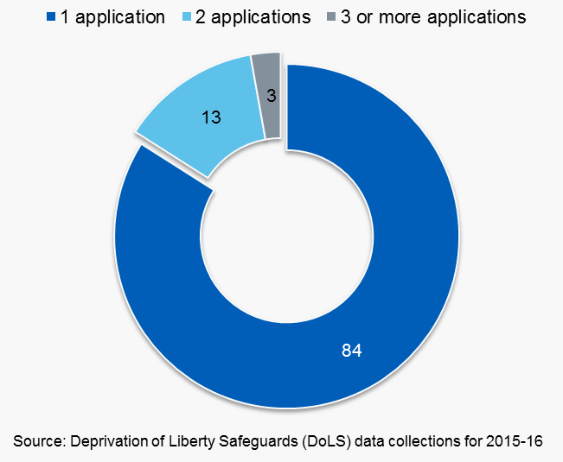

Notes:
1. Based on all individuals with atleast one active application at any point during the 2015-16 reporting year
2. Percentages are rounded to the nearest whole number

Copyright © 2016, Health and Social Care Information Centre. NHS Digital is the trading name of the Health and Social Care Information Centre.

