Pivot table help
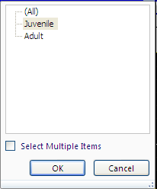
PivotTables
For ease a PivotTable has been created to help analyse the data. This PivotTable creates an interactive summary that can be manipulated based on the information that you require. |  |  |  | Report filters allow you to select areas you are interested in, just use the filter button to open up a drop down menu to select what you need.
Click anywhere in the table to bring up the pivot table field list.
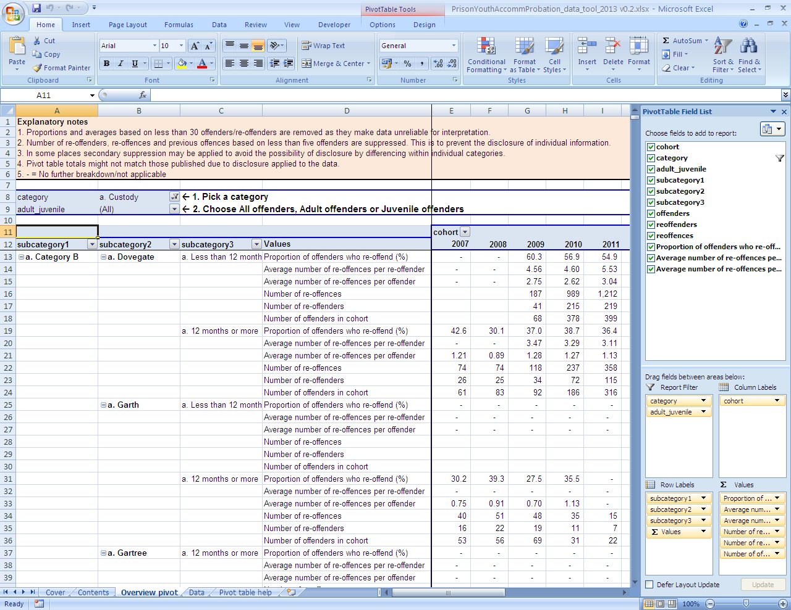
 | The PivotTable tab accesses specific functionality related to the PivotTable; just click on the PivotTable Tools tab while you are working on the PivotTable and it will appear. This goes away to display your original tab once you are done.

 |  |  | PivotTable fields pane is used to include or exclude fields from your PivotTable by selecting or clearing the box(es) next to the field name(s). Or you can drag field(s) into areas below to change display data.

Refine the display by selecting an individual item (or group of items) from the drop down box next to the field name

 |  |  | Column area fields appear along the top of PivotTables.

 |  |  | Value area fields appear as summarised values inside the PivotTable. We've calculated some fields for your ease.

 |  | Row area fields are shown along the left side of a PivotTable.

 | Summarised values include calculated fields to ensure that the data provided is consistent to what was available in the published tables.

