INSTRUCTIONS
Animal use data 2015 PLEASE ENSURE MACROS ARE ENABLED TO ENSURE THIS SPREADSHEET VALIDATES PROPERLY - if the security warning appears (see either step 1 below for windows users or M further down this page for mac users), you will need to follow the below instructions - if no security warning appears, it is likely that macros are already enabled and you will not need to follow the below instructions You will be asked to resubmit the form if macros have not been enabled The deadline for providing this return is 31 January 2016 If you require assistance, contact ASRU Business Support Team at ROPReturns@homeoffice.gsi.gov.uk or phone 020 7035 0583 / 8625

For Windows users (for Mac users, see below). Please note, this is an example and the macro message may not look exactly like this.

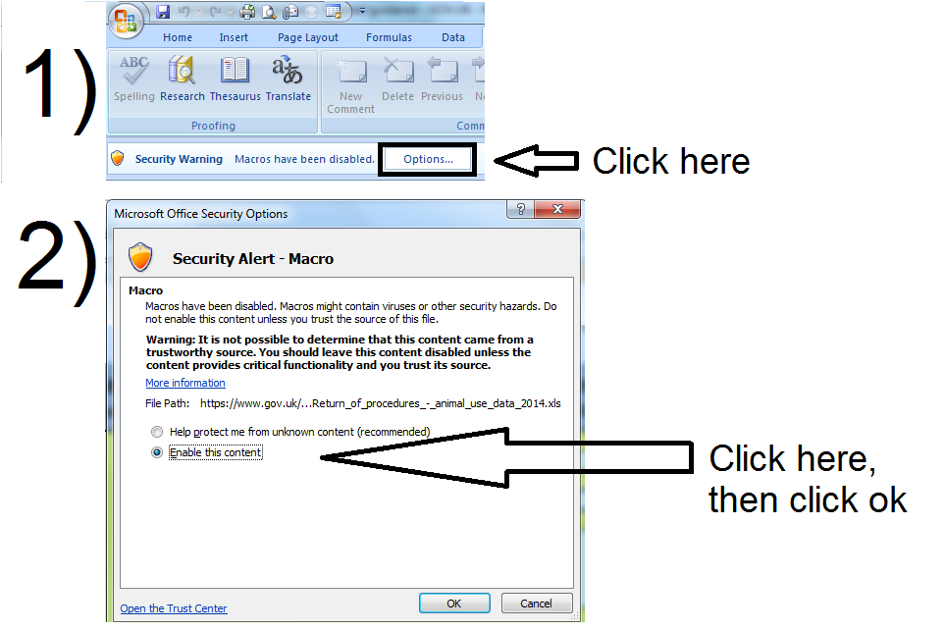

If you require assistance, contact ASRU Business Support Team at ROPReturns@homeoffice.gsi.gov.uk or phone 020 7035 0583 / 8625

For Mac users (for Windows users, see above). Please note, this is an example and the macro message may not look exactly like this.

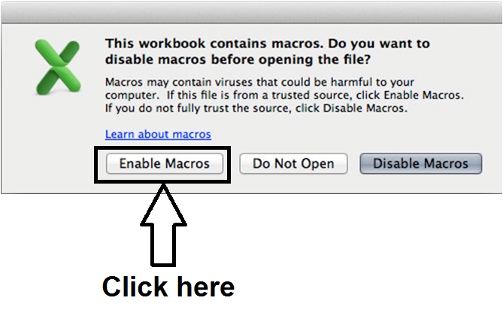
M)

