Trend charts
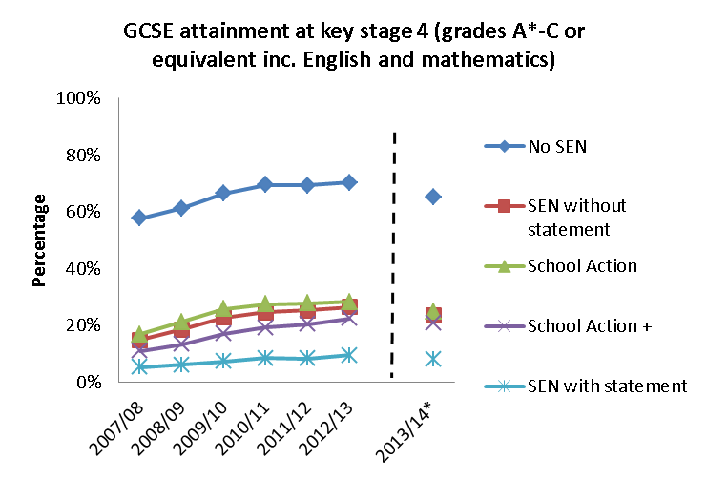
Education

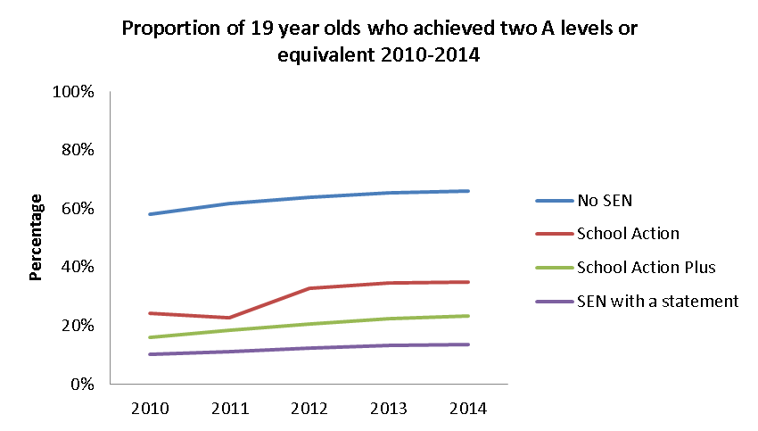

 | Disabled people
2004/05 | 19,691
2005/06 | 21,310
2006/07 | 23,561
2007/08 | 26,540
2008/09 | 27,260
2009/10 | 29,147
2010/11 | 31,182
2011/12 | 34,552
2012/13 | 38,421
2013/14 | 42,966

 |  |  | 04/05
 |  |  | 05/06
 |  |  | 06/07
 |  |  | 07/08

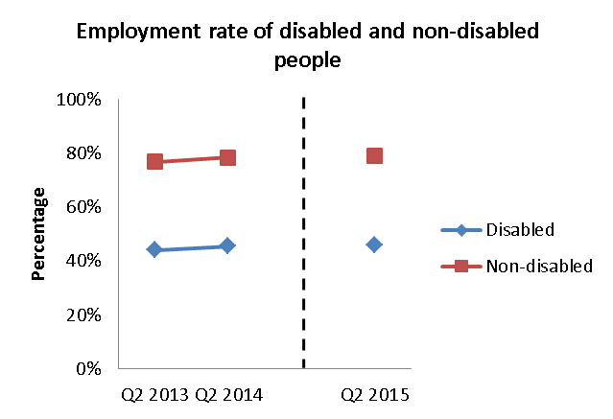

Employment

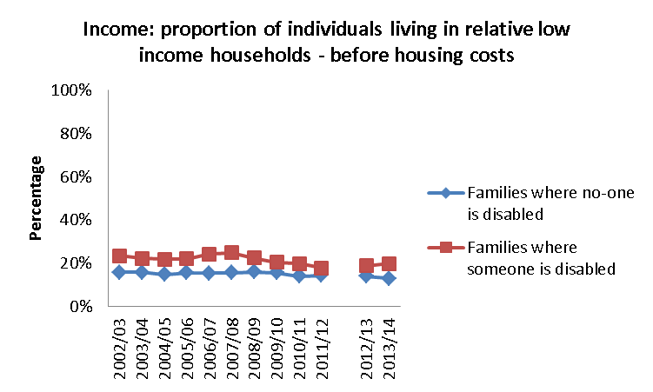
Income

Health and Wellbeing | N/A | We have not provided trend data, because there have been changes in the categories used.

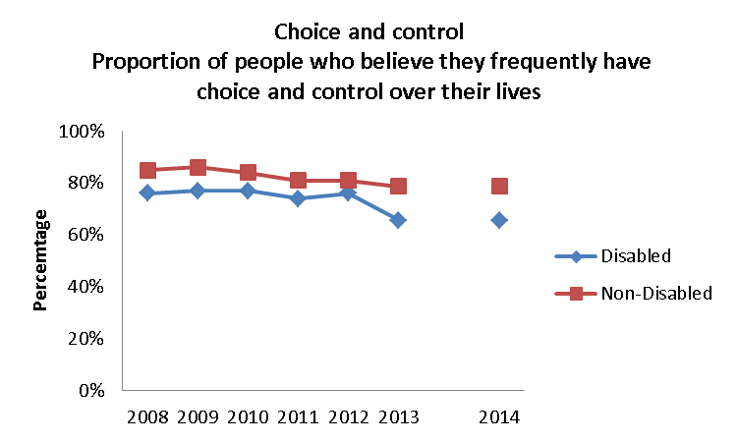
Choice and Control

Housing | N/A | Sufficient trend data is not available for this indicator.

Transport | N/A | We cannnot provide a trend as the calculation of this indicator has changed.

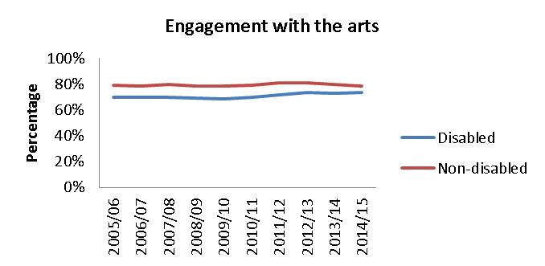
Social Participation

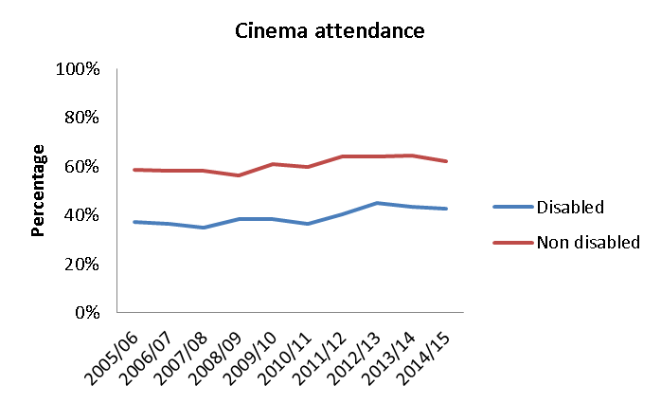

 |  | Sufficient trend data is not available for this indicator.
Friends and Family | N/A

Information and Access | N/A | We cannot provide a trend as there has been a change to how this indicator is reported.

Attitudes | N/A | Sufficient trend data is not available for this indicator.

Education charts
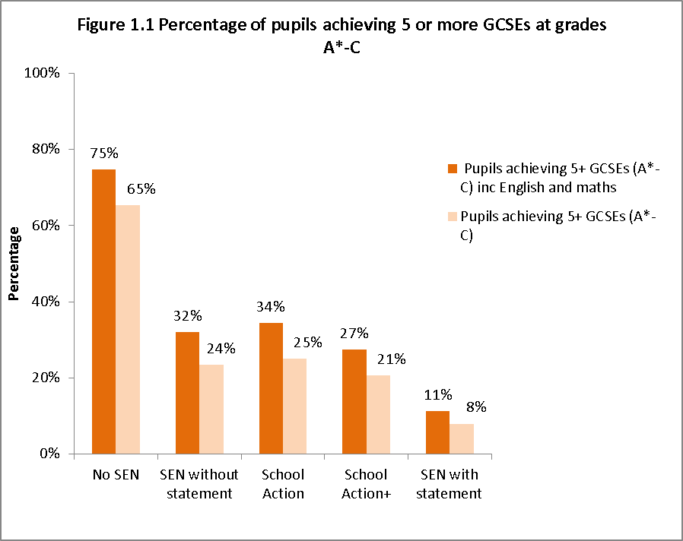

2010
2011
2012
2013

Employment charts
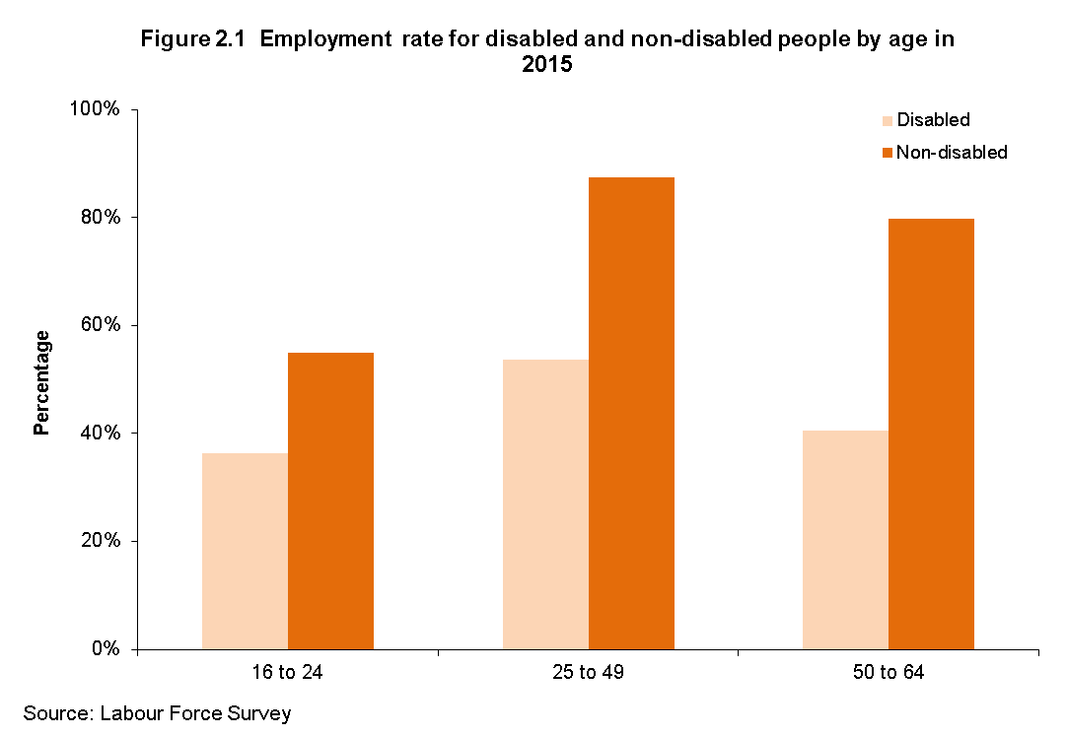

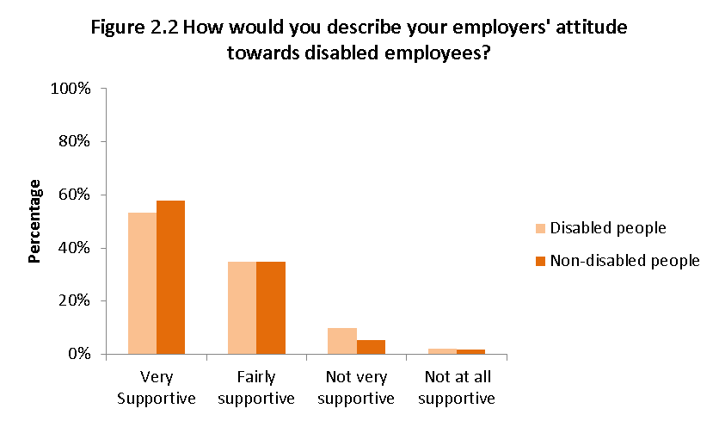

Health charts
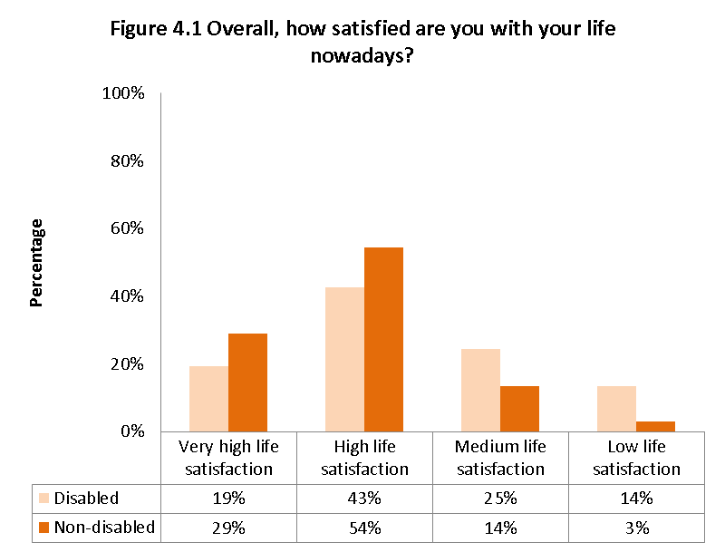

Very high life satisfaction
High life satisfaction
Medium life satisfaction
Low life satisfaction

Choice and Control chart
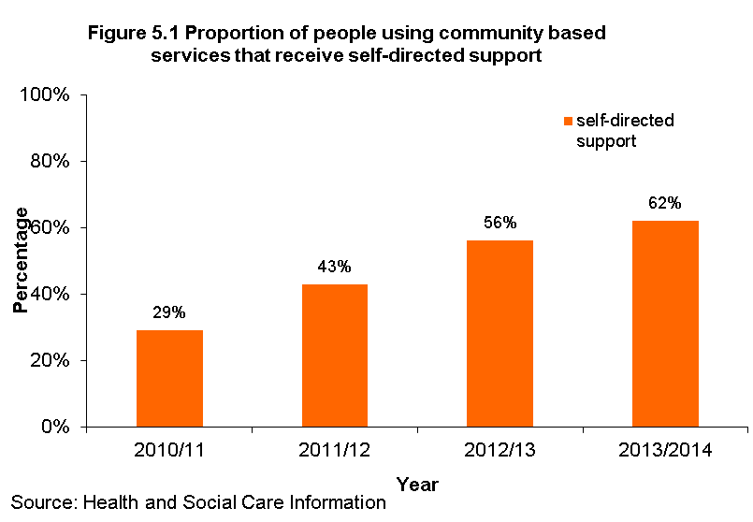
self-directed support

Social Participation charts
 | working age

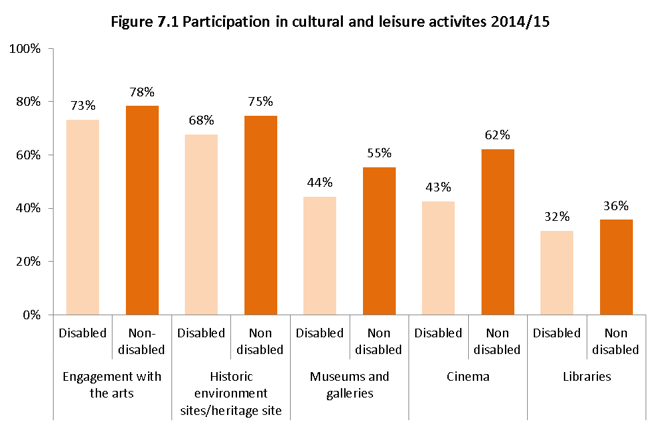

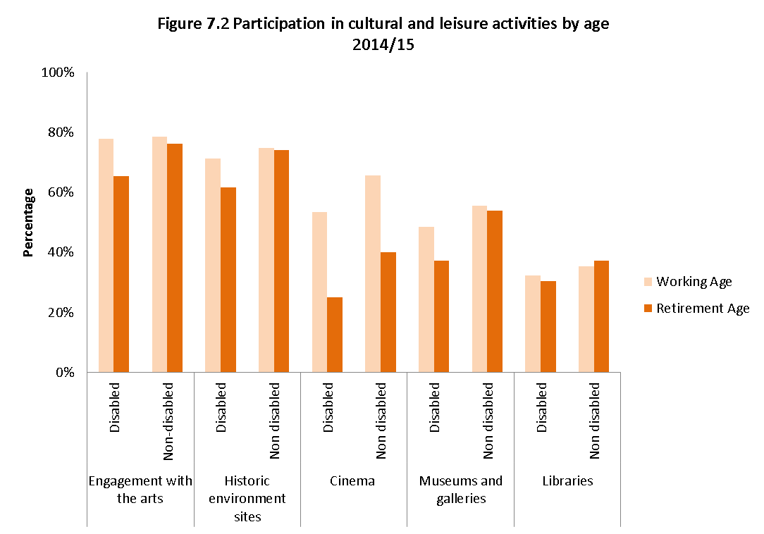

Participation in sport
 | 2005/06 | 2007/08 | 2008/09 | 2009/10 | 2010/11 | 2011/12 | 2012/13 | 2013/14

Disabled | 15.1% | 16.7% | 16.2% | 16.3% | 17.7% | 18.3% | 18.5% | 17.6%
Non-disabled | 37.8% | 39.3% | 39.2% | 38.9% | 37.7% | 39.4% | 39.2% | 39.8%

Participation in sport (at least once a week)
 | Disabled | Non-disabled
2005/06 | 15.1% | 37.8%
2007/08 | 16.7% | 39.3%
2008/09 | 16.2% | 39.2%
2009/10 | 16.3% | 38.9%
2010/11 | 17.7% | 37.7%
2011/12 | 18.3% | 39.4%
2012/13 | 18.5% | 39.2%
2013/14 | 17.6% | 39.8%

Friends & Family chart
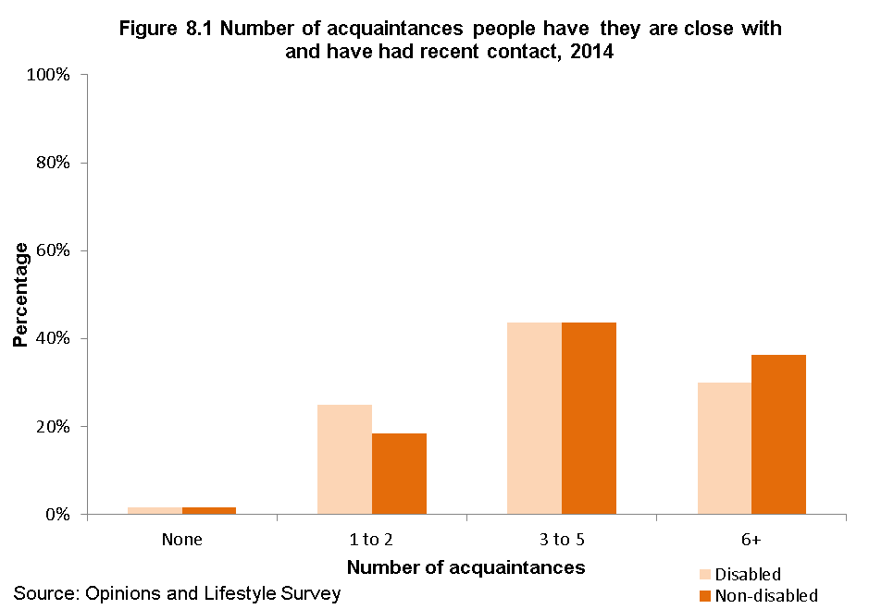

Attitudes chart
