Cover
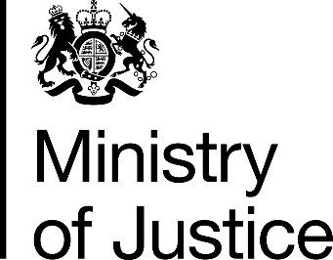

Costs per place and costs per prisoner
2014-15 Supplementary information

National Offender Management Service
Annual Report and Accounts 2014-15
Management Information Addendum

Ministry of Justice
Information Release

Published 29 October 2015

