F1
Figure 1 - Chart showing breakdown of cohort by Institution type and level 3 course
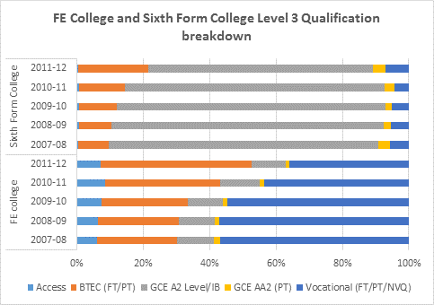

 | FE college and sixth form college level 3 course breakdown

F2
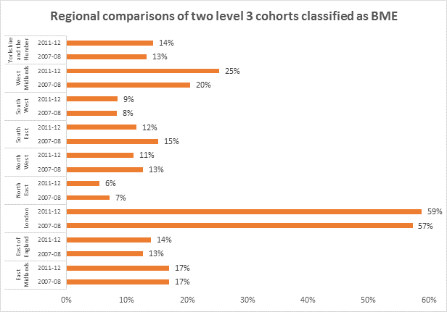
Figure 2 - Regional comparisons of percentages of two cohorts who come from BME groups

F3
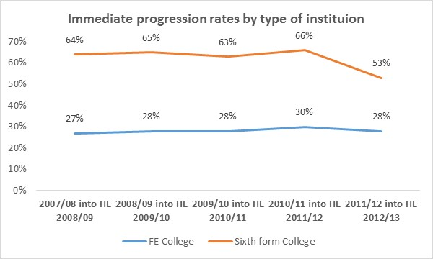
Figure 3 - Chart showing HE progression rates by type of institution

F4
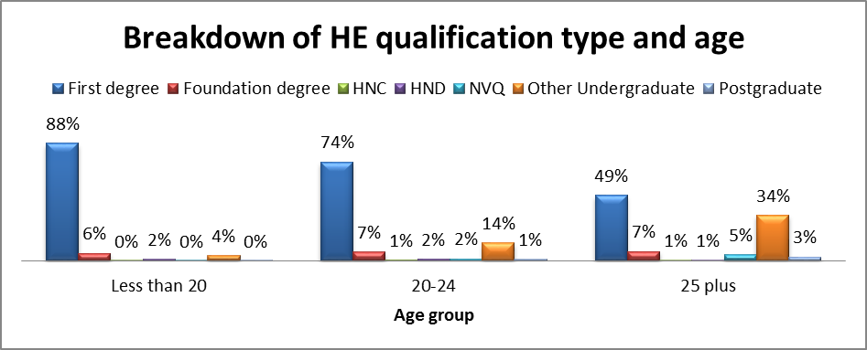
Figure 4 - Breakdown of HE qualification type by age

F5
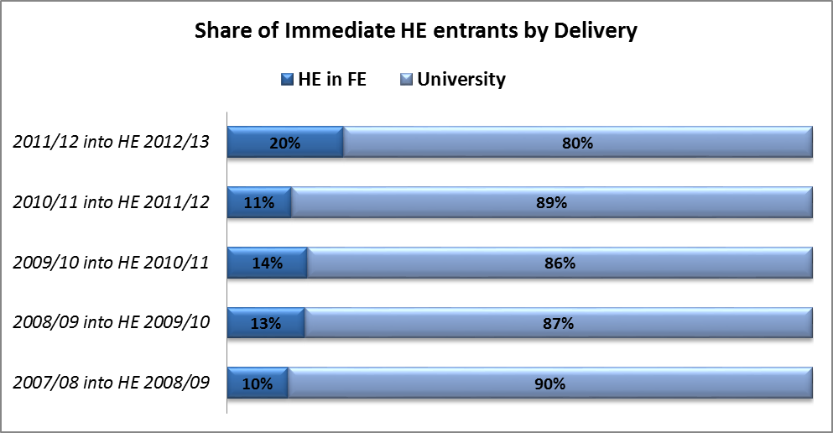
Figure 5 - Chart displaying share of immediate HE entrants to HE in FE and university

F6
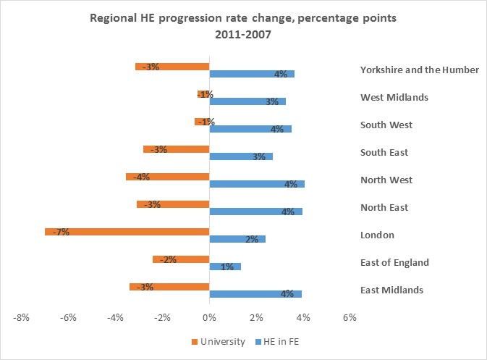
Figure 6 - Regional trends in progression by delivery in universities and colleges

F7
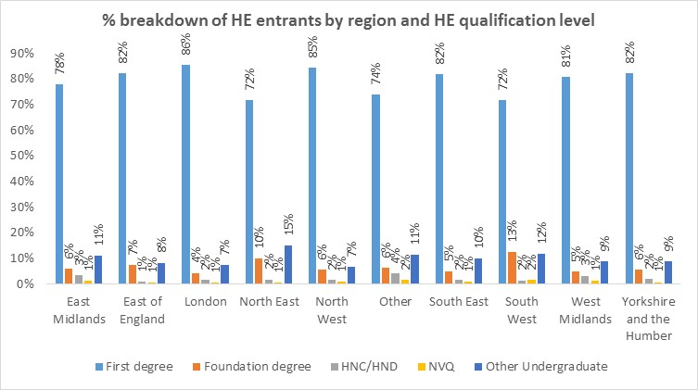
Figure 7 - Breakdown of HE entrants by region and qualification type

F8
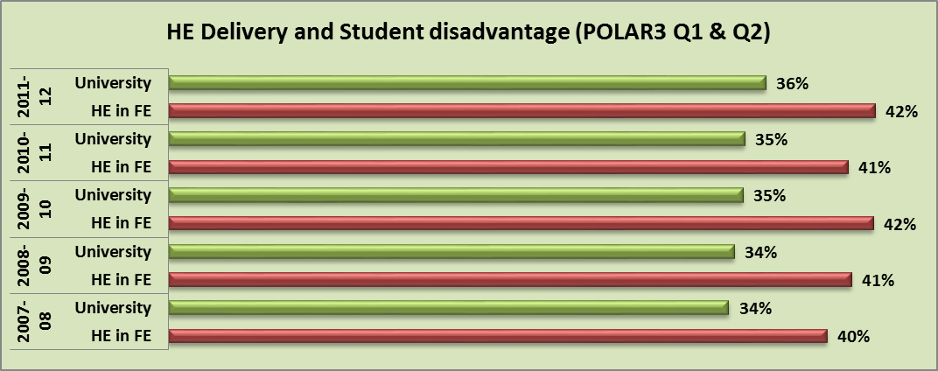
Figure 8 - Progression to college and university by relative disadvantage

F10
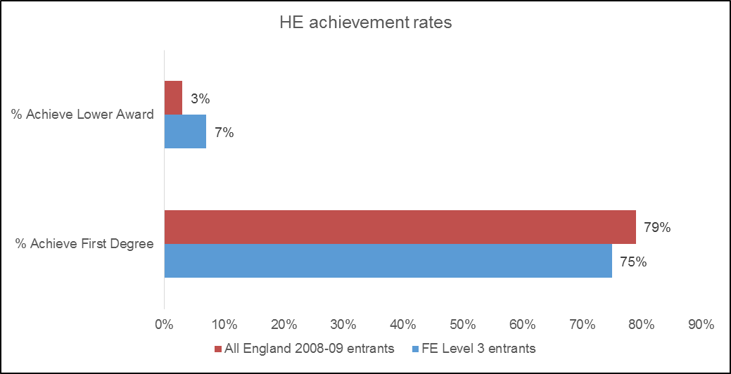
Figure 10 - Chart showing HE achievement of level 3 cohort of 2008-096 and 2009-10 full-time first degree entrants

F11
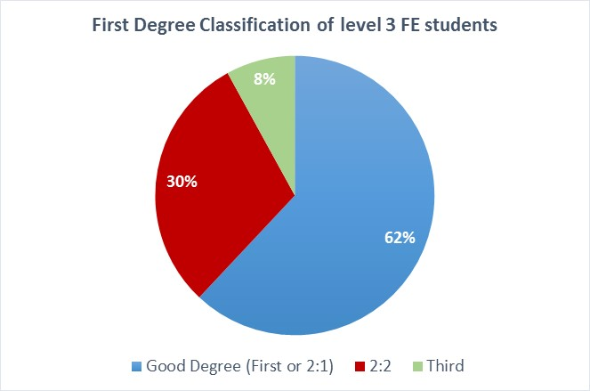
Figure 11 - Chart showing First degree classification of FE level 3 cohort who entered full-time First degree in 2008-09 and 2009-10

F12
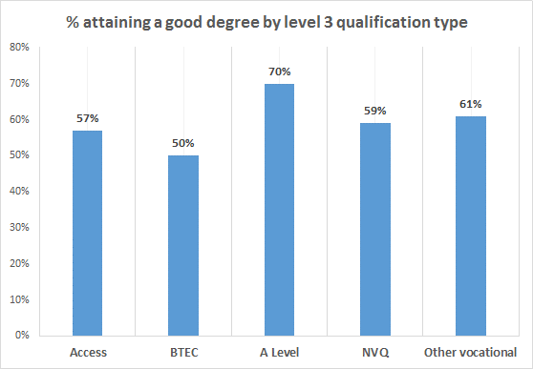
Figure 12 - Chart showing First degree classification of FE level 3 cohort who entered full-time First degree in 2008-09 and 2009-10 by level 3 qualification type

F15
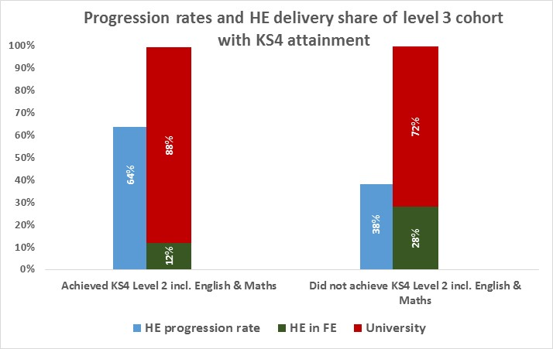
Figure 15 - Chart with HE progression rates of FE level 3 cohort and KS4 attainment at level 2 with English and Maths

F16
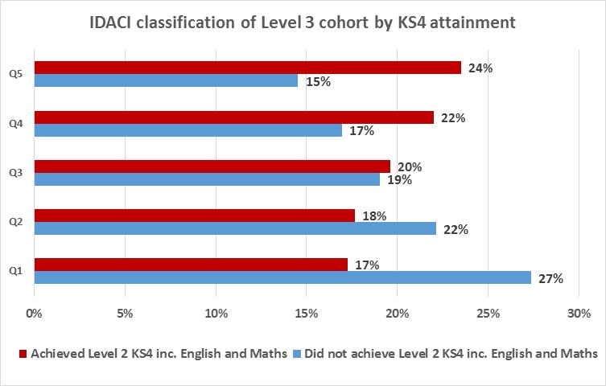
Figure 16- Disadvantage and KS4 attainment

F17
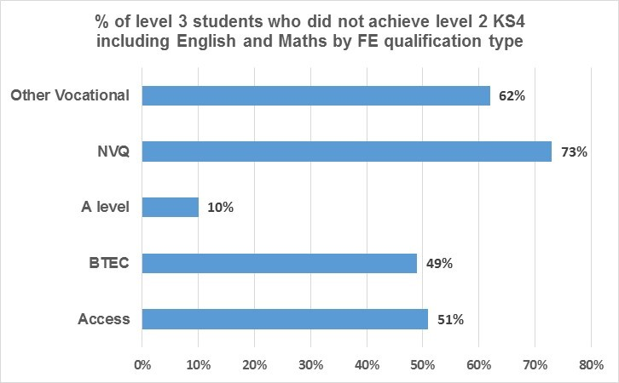
Figure 17 - Chart showing proportion of low KS4 attaining young students by FE level 3 programme type

F18
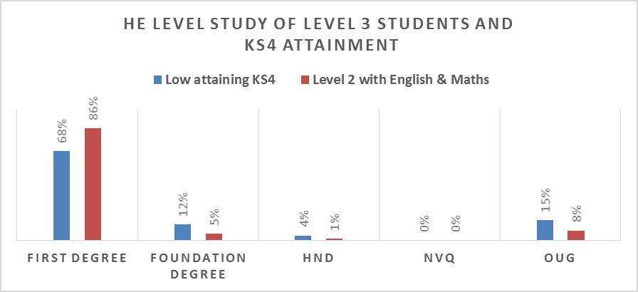
Figure 18 - Chart showing HE qualification level of level 3 entrants by KS4 attainment

