Figure 1
Results : Trends in UK Armed Forces mental health initial assessments 2007/08 – 2014/15

Figure 1 shows the percentage population at risk of UK Armed Forces personnel presenting at MOD specialist mental health Services by Service type, between 2007/08 - 2014/15

Figure 1: UK Armed Forces personnel presenting at MOD specialist mental health Services by Service type, 2007/08 - 2014/15, percentage of personnel at risk.
Source: Defence Statistics (Health) DS Database, DMICP, SSSFT and BFG

Return to Contents
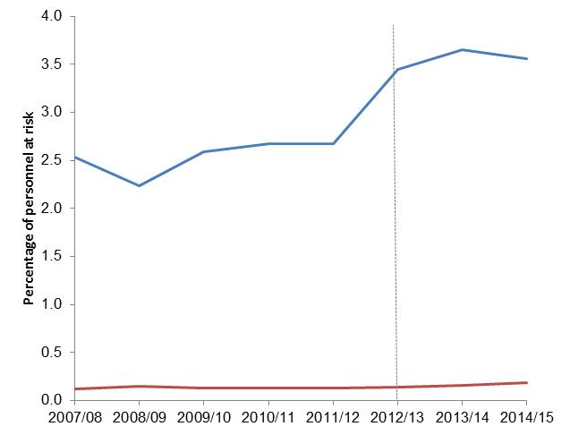
 | Change in 2014/15 on previous year |  | Underlying data:
 |  |  |  | 2007/08 | 2008/09 | 2009/101 | 2010/11 | 2011/12 | 2012/131 | 2013/14 | 2014/15
 |  |  | DCMH | 2.5 | 2.2 | 2.6 | 2.7 | 2.7 | 3.4 | 3.7 | 3.6
 | DCMH episodes | -2% | In-Patient | 0.1 | 0.1 | 0.1 | 0.1 | 0.1 | 0.1 | 0.2 | 0.2

 | In-patient admissions | 17%

1. Dotted lines represent 2012/13 revised methodology to include electronic patient record data source (paragraph 71).
2. Percentages are based on the calculation of the absolute number and are presented to 1dp (See paragraph 74).

Figure 2
Results : Trends in UK Armed Forces mental health initial assessments 2007/08 – 2014/15

Figure 2 shows the percentage population at risk of UK Armed Forces personnel presenting at MOD specialist mental health Services by initial assessment between 2007/08 - 2014/15

Figure 2: UK Armed Forces personnel presenting at MOD specialist mental health Services by initial assessment, 2007/08 - 2014/15, percentage of personnel at risk.
Source: Defence Statistics (Health) DS Database, DMICP, SSSFT and BFG

Return to Contents

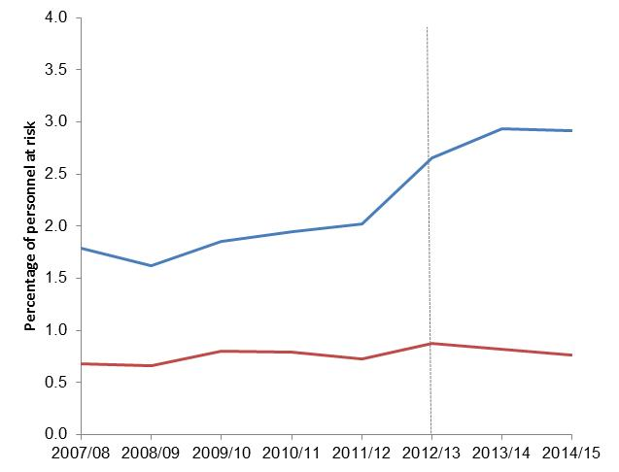
 |  |  | Underlying data:
 |  |  |  | 2007/08 | 2008/09 | 2009/101 | 2010/11 | 2011/12 | 2012/131 | 2013/14 | 2014/15
 |  |  | Personnel assessed with a mental disorder | 1.8 | 1.6 | 1.9 | 1.9 | 2.0 | 2.7 | 2.9 | 2.9
 |  |  | Personnel assessed without a mental disorder | 0.7 | 0.7 | 0.8 | 0.8 | 0.7 | 0.9 | 0.8 | 0.8
 | Change in 2014/15 on previous year
 | Personnel assessed with a mental disorder | -1%

 | Personnel assessed without a mental disorder | -6%

1. Dotted lines represent 2012/13 revised methodology to include electronic patient record data source (paragraph 71).
2. Percentages are based on the calculation of the absolute number and are presented to 1dp (See paragraph 74).

Table 2
Results : Demographic Risk Groups 2007/08 - 2014/15

Table 2 shows the percentage population at risk of UK Armed Forces personnel assessed with a mental disorder at MOD Mental Health Services by demographics for 2014/15

Table 2: UK Armed Forces personnel assessed with a mental disorder at MOD Mental Health Services by demographics, 2014/15, number and percentage of personnel at risk

Source: Defence Statistics (Health) DS Database, DMICP, SSSFT and BFG

Return to Contents
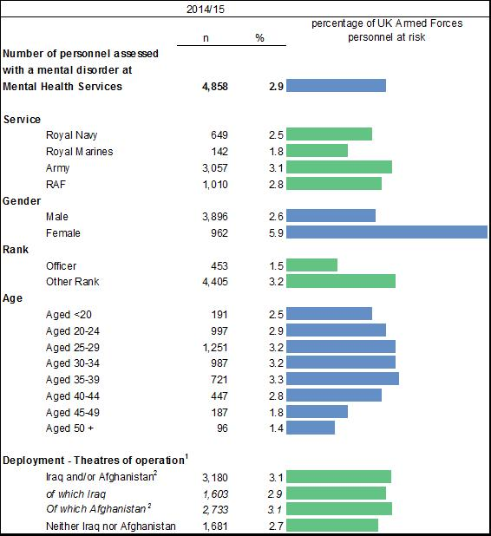

1. Deployment to the wider theatre of operation (see BQR)
2. Data for Afghanistan between 1 January 2003 and 14 October 2005 were not available for person level deployment (see BQR).
3. Percentages are based on the calculation of the absolute number and are presented to 1dp (paragraph 74)
4. Excludes personnel where Initial diagnosis was not supplied (See BQR)
5. Numbers within demographic groups may not sum the total as personnel who have more than one episode of care in a year and change age group, rank or deployment status will be counted once in each sub-category.

Results : Demographic Risk Groups 2007/08 - 2014/15
Table 2.1 shows the rate per 1,000 personnel at risk and 95% Confidence intervals for UK Armed Forces personnel assessed with a mental disorder at MOD Mental Health Services by demographics for 2014/15

Table 2.1: UK Armed Forces personnel assessed with a mental disorder at MOD Mental Health Services by demographics, 2014/15, rate per 1,000 personnel at risk and 95% CI

 |  | Rate per 1,000 personnel at risk | 95% CI

Number of personnel assessed
with a mental disorder
at MOD MH Services |  | 29.1 | (28.3 - 30.0)

Service
 | Royal Navy | 25.2 | (23.3 - 27.2)
 | Royal Marines | 18.1 | (15.1 - 21.1)
 | Army | 31.3 | (30.2 - 32.4)
 | RAF | 28.4 | (26.7 - 30.2)
Gender
 | Male | 25.9 | (25.1 - 26.7)
 | Female | 58.9 | (55.2 - 62.6)
Rank
 | Officer | 14.7 | (13.4 - 16.1)
 | Other Rank | 32.4 | (31.4 - 33.4)
Age
 | Aged <20 | 24.5 | (21.0 - 28.0)
 | Aged 20-24 | 29.2 | (27.4 - 31.1)
 | Aged 25-29 | 32.0 | (30.2 - 33.7)
 | Aged 30-34 | 32.4 | (30.4 - 34.5)
 | Aged 35-39 | 32.8 | (30.4 - 35.2)
 | Aged 40-44 | 28.1 | (25.5 - 30.7)
 | Aged 45-49 | 18.1 | (15.5 - 20.7)
 | Aged 50 + | 13.6 | (10.9 - 16.3)

Deployment - Theatres of operation
 | Iraq and/or Afghanistan | 30.7 | (29.6 - 31.8)
 | of which Iraq | 28.8 | (27.4 - 30.2)
 | of which Afghanistan | 31.3 | (30.1 - 32.4)
 | Neither Iraq nor Afghanistan | 26.6 | (25.4 - 27.9)

Figure 3
Results : Demographic Risk Groups 2007/08 - 2014/15

Figure 3 shows the percentage personnel at risk of UK Armed Forces personnel assessed with a mental disorder at MOD Specialist Mental Health Services by Service between 2007/08 - 2014/15

Figure 3 : UK Armed Forces personnel assessed with a mental disorder at MOD Specialist Mental Health Services by Service, 2007/08 - 2014/15, percentage of personnel at risk
Source: Defence Statistics (Health) DS Database, DMICP, SSSFT and BFG

Return to Contents

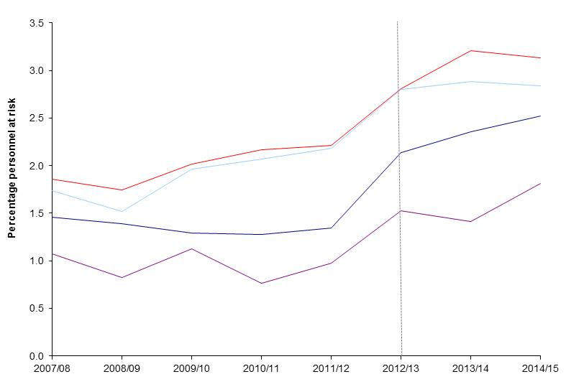

 | Change in 2014/15 on previous year |  |  | Underlying data: |  |  |  |  |  |  |  |  |  | 2007/08 |  |  | 2008/09 |  |  | 2009/10 |  |  | 2010/11 |  |  | 2011/12 |  |  | 2012/13 |  |  | 2013/14 |  |  | 2014/15
 |  |  |  |  | 2007/08 | 2008/09 | 2009/10 | 2010/11 | 2011/12 | 2012/131 | 2013/14 | 2014/15 |  | n | rate | 95% CI | n | rate | 95% CI | n | rate | 95% CI | n | rate | 95% CI | n | rate | 95% CI | n | rate | 95% CI | n | rate | 95% CI | n | rate | 95% CI
 | Army | -2% | -2% | Royal Navy | 1.5 | 1.4 | 1.3 | 1.3 | 1.3 | 2.1 | 2.4 | 2.5 | Royal Navy | 461 | 14.6 | (13.3 - 15.9) | 434 | 13.9 | (12.6 - 15.2) | 404 | 12.9 | (11.7 - 14.2) | 394 | 12.8 | (11.5 - 14.0) | 392 | 13.4 | (12.1 - 14.8) | 586 | 21.4 | (19.7 - 23.1) | 617 | 23.5 | (21.7 - 25.4) | 649 | 24.8 | (22.9 - 26.7)
 | RAF | -1% | -1% | Royal Marines | 1.1 | 0.8 | 1.1 | 0.8 | 1.0 | 1.5 | 1.4 | 1.8 | Royal Marines | 83 | 10.7 | (8.4 - 13.1) | 65 | 8.3 | (6.3 - 10.3) | 91 | 11.3 | (9.0 - 13.6) | 63 | 7.6 | (5.7 - 9.5) | 79 | 9.7 | (7.6 - 11.9) | 120 | 15.2 | (12.5 - 18.0) | 111 | 14.2 | (11.5 - 16.8) | 60 | 14.2 | (11.5 - 16.8)
 |  |  |  | Army | 1.9 | 1.7 | 2.0 | 2.2 | 2.2 | 2.8 | 3.2 | 3.1 | Army | 2135 | 18.6 | (17.8 - 19.4) | 1998 | 17.4 | (16.7 - 18.2) | 2381 | 20.1 | (19.3 - 20.9) | 2538 | 21.6 | (20.8 - 22.5) | 2556 | 22.1 | (21.2 - 23.0) | 3150 | 28.1 | (27.1 - 29.0) | 3377 | 32.1 | (31.0 - 33.2) | 3057 | 29.1 | (28.0 - 30.1)
 | Royal Navy | 7% | 7% | RAF | 1.7 | 1.5 | 2.0 | 2.1 | 2.2 | 2.8 | 2.9 | 2.8 | RAF | 775 | 17.4 | (16.1 - 18.6) | 664 | 15.2 | (14.0 - 16.3) | 870 | 19.6 | (18.3 - 20.9) | 907 | 20.7 | (19.3 - 22.0) | 917 | 21.9 | (20.4 - 23.3) | 1096 | 28.0 | (26.4 - 29.7) | 1060 | 28.9 | (27.1 - 30.6) | 1010 | 27.5 | (25.8 - 29.2)

 | Royal Marines | 28% | 28%

1. Dotted lines represent 2012/13 revised methodology to include electronic patient record data source (paragraph 71).
2. Percentages are based on the calculation of the absolute number and are presented to 1dp (See paragraph 74).
3. Excludes personnel where Initial diagnosis was not supplied (See BQR)

Figure 4
Results : Demographic Risk Groups 2007/08 - 2014/15

Figure 4 shows percentage personnel at risk, for UK Armed Forces personnel assessed with a mental disorder at MOD Specialist Mental Health Services by gender between 2007/08 - 2014/15

Figure 4 : UK Armed Forces personnel assessed with a mental disorder at MOD Specialist Mental Health Services by gender, 2007/08 - 2014/15, percentage of personnel at risk
Source: Defence Statistics (Health) DS Database, DMICP, SSSFT and BFG

Return to Contents
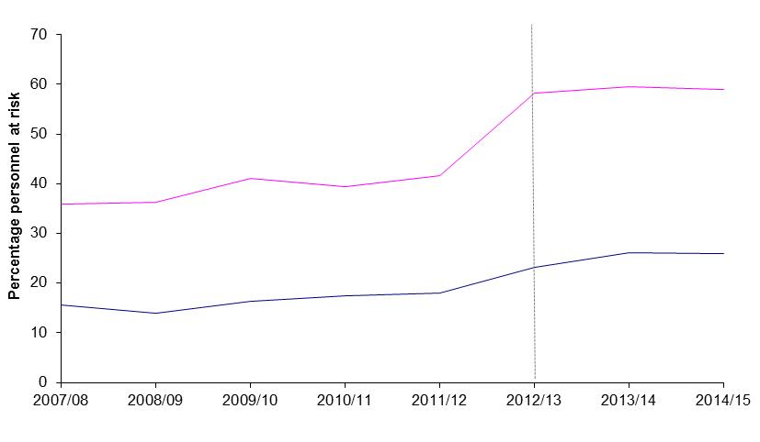
 |  |  | Underlying data: |  |  |  |  |  |  |  |  |  | 2007/08 |  |  | 2008/09 |  |  | 2009/10 |  |  | 2010/11 |  |  | 2011/12 |  |  | 2012/13 |  |  | 2013/14 |  |  | 2014/15
 |  |  |  | 2007/08 | 2008/09 | 2009/10 | 2010/11 | 2011/12 | 2012/131 | 2013/14 | 2014/15 |  | n | rate | 95% CI | n | rate | 95% CI | n | rate | 95% CI | n | rate | 95% CI | n | rate | 95% CI | n | rate | 95% CI | n | rate | 95% CI | n | rate | 95% CI
 | Change in 2014/15 on previous year |  | Male | 1.6 | 1.4 | 1.6 | 1.7 | 1.8 | 2.3 | 2.6 | 2.6 | Male | 2805 | 15.5 | (15.0 - 16.1) | 2508 | 14.0 | (13.4 - 14.5) | 2981 | 16.3 | (15.7 - 16.8) | 3157 | 17.4 | (16.8 - 18.0) | 3171 | 18.0 | (17.4 - 18.6) | 3932 | 23.3 | (22.5 - 24.0) | 4170 | 26.2 | (25.4 - 27.0) | 3896 | 25.9 | (25.1 - 26.7)
 |  |  | Female | 3.6 | 3.6 | 4.1 | 3.9 | 4.2 | 5.8 | 6.0 | 5.9 | Female | 649 | 35.8 | (33.1 - 38.6) | 653 | 36.2 | (33.4 - 39.0) | 765 | 41.0 | (38.1 - 43.9) | 745 | 39.5 | (36.6 - 42.3) | 773 | 41.6 | (38.6 - 44.5) | 1020 | 58.3 | (54.7 - 61.9) | 995 | 59.6 | (55.9 - 63.3) | 962 | 58.9 | (55.2 - 62.6)
 | Females | -1%

 | Males | -1%

1. Dotted lines represent 2012/13 revised methodology to include electronic patient record data source (paragraph 71).
2. Percentages are based on the calculation of the absolute number and are presented to 1dp (See paragraph 74).
3. Excludes personnel where Initial diagnosis was not supplied (See BQR)

Figure 5
Results : Demographic Risk Groups 2007/08 - 2014/15

Figure 5 shows the percentage personnel at risk for UK Armed Forces personnel assessed with a mental disorder at MOD Specialist Mental Health Services by Officer/Other Rank between 2007/08 - 2014/15

Figure 5: UK Armed Forces personnel assessed with a mental disorder at MOD Specialist Mental Health Services by Officer/Other Rank, 2007/08 - 2014/15, percentage of personnel at risk
Source: Defence Statistics (Health) DS Database, DMICP, SSSFT and BFG

Return to Contents
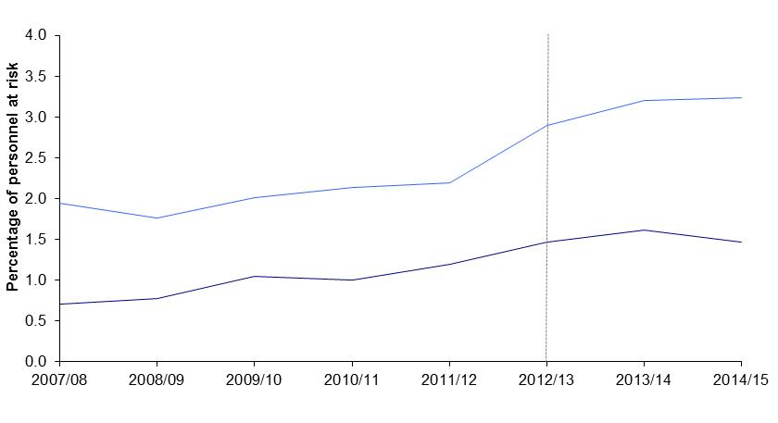
 |  |  | Underlying data: |  |  |  |  |  |  |  |  |  | 2007/08 |  |  | 2008/09 |  |  | 2009/10 |  |  | 2010/11 |  |  | 2011/12 |  |  | 2012/13 |  |  | 2013/14 |  |  | 2014/15
 |  |  |  | 2007/08 | 2008/09 | 2009/10 | 2010/11 | 2011/12 | 2012/131 | 2013/14 | 2014/15 |  | n | rate | 95% CI | n | rate | 95% CI | n | rate | 95% CI | n | rate | 95% CI | n | rate | 95% CI | n | rate | 95% CI | n | rate | 95% CI | n | rate | 95% CI
 | Change in 2014/15 on previous year |  | Officers | 0.7 | 0.8 | 1.0 | 1.0 | 1.2 | 1.5 | 1.6 | 1.5 | Officer | 237 | 7.1 | (6.2 - 8.0) | 261 | 7.8 | (6.9 - 8.8) | 353 | 10.5 | (9.4 - 11.6) | 340 | 10.1 | (9.0 - 11.1) | 395 | 11.9 | (10.8 - 13.1) | 464 | 14.7 | (13.4 - 16.1) | 487 | 16.2 | (14.8 - 17.6) | 453 | 14.7 | (13.4 - 16.1)
 | Other Ranks | 1% | Other Ranks | 1.9 | 1.8 | 2.0 | 2.1 | 2.2 | 2.9 | 3.2 | 3.2 | Other ranks | 3217 | 19.5 | (18.8 - 20.2) | 2900 | 17.7 | (17 - 18.3) | 3393 | 20.2 | (19.5 - 20.8) | 3562 | 21.4 | (20.7 - 22.1) | 3549 | 21.9 | (21.2 - 22.7) | 4488 | 28.9 | (28.1 - 29.8) | 4678 | 32.1 | (31.1 - 33.0) | 4405 | 32.4 | (31.4 - 33.4)

 | Officers | -9%

1. Dotted lines represent 2012/13 revised methodology to include electronic patient record data source (paragraph 71).
2. Percentages are based on the calculation of the absolute number and are presented to 1dp (See paragraph 74).
3. Excludes personnel where Initial diagnosis was not supplied (See BQR)

Figure 6
Results : Demographic Risk Groups 2007/08 - 2014/15

Figure 6 shows percentage population at risk for UK Armed Forces personnel assessed with a mental disorder at MOD Specialist Mental Health Services by Age group between 2007/08 and 2014/15

Figure 6 : UK Armed Forces personnel assessed with a mental disorder at MOD Specialist Mental Health Services by Age group, 2007/08 - 2014/15, percentage of personnel at risk
Source: Defence Statistics (Health) DS Database, DMICP, SSSFT and BFG

Return to Contents
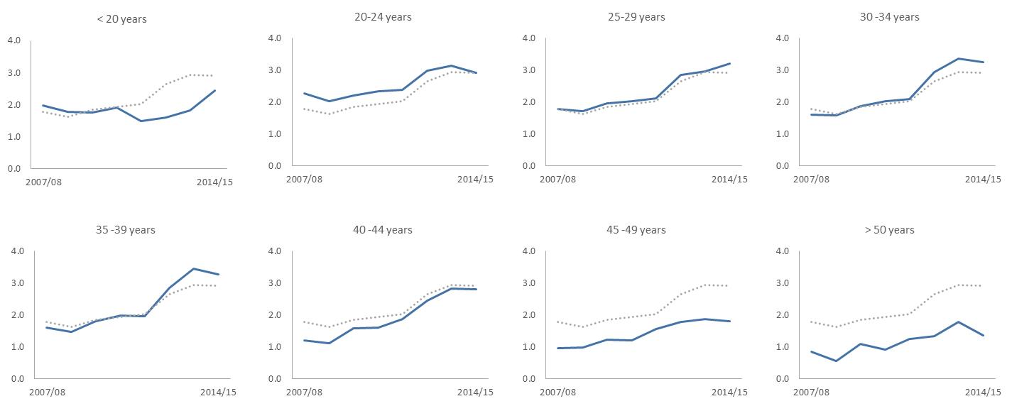
 | Underlying data: |  |  |  |  |  |  |  |  |  | 2007/08 |  |  | 2008/09 |  |  | 2009/10 |  |  | 2010/11 |  |  | 2011/12 |  |  | 2012/13 |  |  | 2013/14 |  |  | 2014/15
 |  | 2007/08 | 2008/09 | 2009/10 | 2010/11 | 2011/12 | 2012/13 | 2013/14 | 2014/15 |  | n | rate | 95% CI | n | rate | 95% CI | n | rate | 95% CI | n | rate | 95% CI | n | rate | 95% CI | n | rate | 95% CI | n | rate | 95% CI | n | rate | 95% CI
 | <20 | 2.0 | 1.8 | 1.8 | 1.9 | 1.5 | 1.6 | 1.8 | 2.5 | <20 | 318 | 19.9 | (17.7 - 22.1) | 281 | 17.8 | (15.7 - 19.8) | 289 | 17.6 | (15.6 - 19.7) | 248 | 19.1 | (16.7 - 21.4) | 157 | 15.0 | (12.7 - 17.4) | 148 | 16.0 | (13.4 - 18.6) | 154 | 18.2 | (15.3 - 21.0) | 191 | 24.5 | (21.0 - 28.0)
 | 20-24 | 2.3 | 2.0 | 2.2 | 2.3 | 2.4 | 3.0 | 3.1 | 2.9 | 20-24 | 1021 | 22.7 | (21.3 - 24.1) | 896 | 20.2 | (18.9 - 21.5) | 1013 | 22.0 | (20.7 - 23.4) | 1068 | 23.5 | (22.1 - 24.9) | 1038 | 23.9 | (22.5 - 25.4) | 1217 | 29.8 | (28.2 - 31.5) | 1172 | 31.4 | (29.6 - 33.2) | 997 | 29.2 | (27.4 - 31.1)
 | 25-29 | 1.8 | 1.7 | 2.0 | 2.0 | 2.1 | 2.8 | 3.0 | 3.2 | 25-29 | 748 | 17.9 | (16.6 - 19.2) | 727 | 17.2 | (16 - 18.5.0) | 837 | 19.5 | (18.2 - 20.8) | 878 | 20.3 | (18.9 - 21.6) | 918 | 21.1 | (19.8 - 22.5) | 1208 | 28.4 | (26.9 - 30.1) | 1208 | 29.6 | (28.0 - 31.3) | 1251 | 32.0 | (30.2 - 33.7)
 | 30-34 | 1.6 | 1.6 | 1.9 | 2.0 | 2.1 | 2.9 | 3.4 | 3.2 | 30-34 | 466 | 16.1 | (14.6 - 17.6) | 448 | 15.8 | (14.4 - 17.3) | 556 | 18.8 | (17.2 - 20.3) | 635 | 20.2 | (18.6 - 21.8) | 686 | 20.8 | (19.3 - 22.5) | 973 | 29.3 | (27.5 - 31.2) | 1083 | 33.8 | (31.7 - 35.7) | 987 | 32.4 | (30.4 - 34.5)
 | 35-39 | 1.6 | 1.5 | 1.8 | 2.0 | 2.0 | 2.8 | 3.4 | 3.3 | 35-39 | 546 | 16.1 | (14.7 - 17.4) | 479 | 14.7 | (13.4 - 16.0) | 557 | 18.0 | (16.5 - 19.5) | 580 | 19.9 | (18.3 - 21.6) | 523 | 19.7 | (18.0 - 21.3) | 688 | 28.3 | (26.3 - 30.5) | 775 | 34.3 | (32.0 - 36.9) | 721 | 32.8 | (30.4 - 35.2)
 | 40-44 | 1.2 | 1.1 | 1.6 | 1.6 | 1.9 | 2.4 | 2.8 | 2.8 | 40-44 | 219 | 12.2 | (10.6 - 13.8) | 205 | 11.1 | (9.6 - 12.6) | 311 | 15.9 | (14.1 - 17.7) | 329 | 16.0 | (14.3 - 17.7) | 389 | 18.9 | (17.0 - 20.7) | 474 | 24.6 | (22.2 - 26.6) | 497 | 28.2 | (25.8 - 30.8) | 447 | 28.2 | (25.5 - 30.7)
 | 45-49 | 1.0 | 1.0 | 1.2 | 1.2 | 1.6 | 1.8 | 1.9 | 1.8 | 45-49 | 91 | 9.6 | (7.6 - 11.5) | 96 | 9.8 | (7.8 - 11.7) | 126 | 12.2 | (10.1 - 14.4) | 128 | 12.1 | (9.9 - 14.1) | 168 | 15.5 | (13.2 - 17.9) | 188 | 17.5 | (15.2 - 20.3) | 195 | 19.0 | (16.0 - 21.3) | 187 | 18.0 | (15.5 - 20.7)
 | 50+ | 0.9 | 0.6 | 1.1 | 0.9 | 1.3 | 1.3 | 1.8 | 1.4 | 50+ | 46 | 8.5 | (6.1 - 11.0) | 32 | 5.6 | (3.6 - 7.5) | 69 | 11.0 | (8.4 - 13.6) | 61 | 9.2 | (6.9 - 11.5) | 84 | 12.9 | (9.9 - 15.2) | 90 | 13.5 | (10.6 - 16.1) | 121 | 17.8 | (14.6 - 21.0) | 96 | 13.7 | (10.9 - 16.3)
 | overall | 1.8 | 1.6 | 1.9 | 1.9 | 2.0 | 2.7 | 2.9 | 2.9

1. Percentages are based on the calculation of the absolute number and are presented to 1dp (paragraph 74).
2. Excludes personnel where Initial diagnosis was not supplied (See BQR)

Figure 8
Results : UK Armed Forces mental disorders at MOD DCMH 2007/08-2014/15

Figure 8 shows the percentage personnel at risk for UK Armed Forces personnel by mental disorder at initial assessment at MOD DCMH between 2007/08 and 2014/15

Figure 8: UK Armed Forces personnel by mental disorder at initial assessment at MOD DCMH, 2007/08-2014/15, percentage of personnel at risk.
Source: Defence Statistics (Health) DS Database, DMICP, SSSFT and BFG

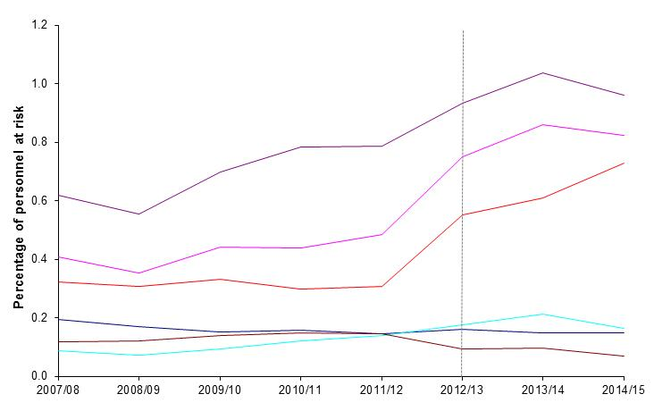
Return to Contents
 |  |  |  |  |  |  |  |  |  |  |  |  |  | 2007/08 |  |  | 2008/09 |  |  | 2009/10 |  |  | 2010/11 |  |  | 2011/12 |  |  | 2012/13 |  |  | 2013/14 |  |  | 2014/15
 |  |  |  | Underlying data: | 2007/08 | 2008/09 | 2009/10 | 2010/11 | 2011/12 | 2012/13 | 2013/14 | 2014/15 |  | n | rate | 95% CI | n | rate | 95% CI | n | rate | 95% CI | n | rate | 95% CI | n | rate | 95% CI | n | rate | 95% CI | n | rate | 95% CI | n | rate | 95% CI
 |  |  |  | Psychoactive substance use | 0.2 | 0.2 | 0.2 | 0.2 | 0.1 | 0.2 | 0.1 | 0.1 | Psychoactive substance use | 385 | 1.9 | (1.7 - 2.1) | 337 | 1.7 | (1.5 - 1.9) | 307 | 1.5 | (1.4 - 1.7) | 317 | 1.6 | (1.4 - 1.8) | 281 | 1.4 | (1.3 - 1.6) | 301 | 1.6 | (1.4 - 1.8) | 260 | 1.5 | (1.3 - 1.7) | 247 | 1.5 | (1.3 - 1.7)
 |  |  |  | Mood Disorders | 0.4 | 0.4 | 0.4 | 0.4 | 0.5 | 0.8 | 0.9 | 0.8 | Mood Disorders | 810 | 4.1 | (3.3 - 3.8) | 810 | 4.1 | (4.1 - 4.7) | 810 | 4.1 | (4.1 - 4.7) | 810 | 4.1 | (4.5 - 5.2) | 810 | 4.1 | (7.1 - 7.9) | 810 | 4.1 | (8.2 - 9.0) | 810 | 4.1 | (7.8 - 8.7) | 697 | 3.5 | (7.8 - 8.7)
 | Change in 2014/15 on previous year |  |  | Other Neurotic disorders | 0.3 | 0.3 | 0.3 | 0.3 | 0.3 | 0.6 | 0.6 | 0.7 | Other Neurotic disorders | 638 | 3.2 | (3.0 - 3.5) | 609 | 3.1 | (2.8 - 3.3) | 670 | 3.3 | (3.1 - 3.6) | 596 | 3.0 | (2.7 - 3.2) | 600 | 3.1 | (2.8 - 3.3) | 1031 | 5.5 | (5.2 - 5.9) | 1075 | 6.1 | (5.7 - 6.5) | 1217 | 7.3 | (6.9 - 7.7)
 | Adjustment disorders | -7.3% | -7% | PTSD | 0.1 | 0.1 | 0.1 | 0.1 | 0.1 | 0.2 | 0.2 | 0.2 | PTSD | 174 | 0.9 | (0.7 - 1.0) | 141 | 0.7 | (0.6 - 0.8) | 188 | 0.9 | (0.8 - 1.1) | 244 | 1.2 | (1.1 - 1.4) | 269 | 1.4 | (1.2 - 1.5) | 330 | 1.8 | (1.6 - 2.0) | 375 | 2.1 | (1.9 - 2.3) | 274 | 1.6 | (1.4 - 1.8)
 |  |  |  | Adjustment disorders | 0.6 | 0.6 | 0.7 | 0.8 | 0.8 | 0.9 | 1.0 | 1.0 | Adjustment disorders | 1231 | 6.2 | (5.9 - 6.5) | 1094 | 5.5 | (5.2 - 5.9) | 1409 | 7.0 | (6.6 - 7.3) | 1572 | 7.8 | (7.5 - 8.2) | 1536 | 7.9 | (7.5 - 8.3) | 1742 | 9.3 | (8.9 - 9.8) | 1827 | 10.4 | (9.9 - 10.9) | 1604 | 9.6 | (9.2 - 10.1)
 | Mood Disorders | -4.1% | -4% | Other mental disorders | 0.1 | 0.1 | 0.1 | 0.1 | 0.1 | 0.1 | 0.1 | 0.1 | Other mental disorders | 237 | 1.2 | (1.0 - 1.3) | 240 | 1.2 | (1.1 - 1.4) | 283 | 1.4 | (1.2 - 1.6) | 297 | 1.5 | (1.3 - 1.7) | 281 | 1.4 | (1.3 - 1.6) | 176 | 0.9 | (0.8 - 1.1) | 168 | 1.0 | (0.8 - 1.1) | 118 | 0.7 | (0.6 - 0.8)
 | Other Neurotic disorders | 19.5% | 19%

 | PTSD | -22.9% | -23%
 | Psychoactive substance use | 0.3% | 0%
 | Other mental disorders | -25.9% | -26%

1. Dotted lines represent 2012/13 revised methodology to include electronic patient record data source (paragraph 71).
2. Percentages are based on the calculation of the absolute number and are presented to 1dp (paragraph 74).
3. Excludes personnel where Initial diagnosis was not supplied (See BQR)

Figure 9
Results : UK Armed Forces mental disorders at MOD DCMH 2007/08-2014/15

Figure 9 shows percentage personnel at risk for UK Armed Forces personnel with an initial assessment at the MOD’s DCMH, for psychoactive substance misuse due to alcohol, by Service between 2007/08 and 2014/15

Figure 9: UK Armed Forces personnel with an initial assessment at the MOD’s DCMH, for psychoactive substance misuse due to alcohol, by Service, 2007/08 – 2014/15, percentage personnel at risk.
Source: Defence Statistics (Health) DS Database, DMICP, SSSFT and BFG

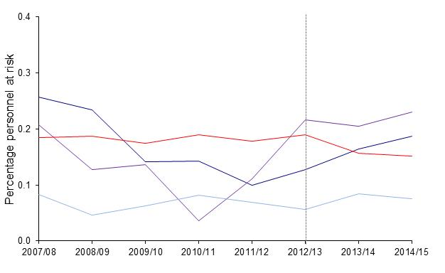
Return to Contents
 |  |  |  |  |  |  |  |  |  |  |  |  |  | 2007/08 |  |  | 2008/09 |  |  | 2009/10 |  |  | 2010/11 |  |  | 2011/12 |  |  | 2012/13 |  |  | 2013/14 |  |  | 2014/15
 | Change in 2014/15 on previous year |  |  | Underlying data: | 2007/08 | 2008/09 | 2009/10 | 2010/11 | 2011/12 | 2012/13 | 2013/14 | 2014/15 |  | n | rate | 95% CI | n | rate | 95% CI | n | rate | 95% CI | n | rate | 95% CI | n | rate | 95% CI | n | rate | 95% CI | n | rate | 95% CI | n | rate | 95% CI
 |  |  |  | Royal Navy | 0.3 | 0.2 | 0.1 | 0.1 | 0.1 | 0.1 | 0.2 | 0.2 | Royal Navy | 81 | 2.7 | (2.0 - 3.1) | 73 | 2.3 | (1.8 - 2.9) | 44 | 1.5 | (1 - 1.8) | 44 | 1.5 | (1 - 1.8) | 29 | 1.1 | (0.7 - 1.4) | 35 | 1.3 | (0.9 - 1.7) | 43 | 1.6 | (1.2 - 2.1) | 48 | 1.9 | (1.3 - 2.4)
 |  |  |  | Royal Marines | 0.2 | 0.1 | 0.1 | 0.0 | 0.1 | 0.2 | 0.2 | 0.2 | Royal Marines | 16 | 2.2 | (1.2 - 3.4) | 10 | 1.3 | (0.6 - 2.3) | 11 | 1.4 | (0.7 - 2.4) | ~ | 0.4 | (0.1 - 1.1) | 9 | 1.1 | (0.5 - 2.1) | 17 | 2.3 | (1.3 - 3.5) | 16 | 2.0 | (1.2 - 3.3) | 18 | 2.3 | (1.4 - 3.6)
 |  |  |  | Army | 0.2 | 0.2 | 0.2 | 0.2 | 0.2 | 0.2 | 0.2 | 0.2 | Army | 212 | 2.1 | (1.6 - 2.1) | 214 | 2.0 | (1.6 - 2.1) | 206 | 1.9 | (1.5 - 2) | 222 | 2.0 | (1.6 - 2.1) | 206 | 1.8 | (1.5 - 2) | 213 | 2.0 | (1.6 - 2.2) | 164 | 1.6 | (1.3 - 1.8) | 148 | 1.6 | (1.3 - 1.8)
 |  |  |  | RAF | 0.1 | 0.0 | 0.1 | 0.1 | 0.1 | 0.1 | 0.1 | 0.1 | RAF | 37 | 0.9 | (0.6 - 1.1) | 20 | 0.5 | (0.3 - 0.7) | 28 | 0.6 | (0.4 - 0.9) | ~ | 0.8 | (0.6 - 1.1) | 29 | 0.7 | (0.5 - 1) | 22 | 0.6 | (0.4 - 0.9) | 31 | 0.8 | (0.5 - 1.1) | 27 | 0.8 | (0.5 - 1.1)
 | Royal Marines | 12% | 12%

 | Royal Navy | 14% | 14%
 | Army | -3% | -3%

 | RAF | -10% | -10%

1. Dotted lines represent 2012/13 revised methodology to include electronic patient record data source (paragraph 71).
2. Percentages are based on the calculation of the absolute number and are presented to 1dp (paragraph 74).
3. Excludes personnel where Initial diagnosis was not supplied (See BQR)

Figure 10
Results : UK Armed Forces mental disorders at MOD DCMH 2007/08-2014/15

Figure 10 shows the percentage of personnel at riskfor UK Armed Forces personnel seen with an initial assessment at the MOD’s DCMH, for PTSD by Service between 2007/08 and 2014/15

Figure 10: UK Armed Forces personnel with an initial assessment at the MOD’s DCMH, for PTSD by Service, 2007/08 – 2014/15, percentage personnel at risk.
Source: Defence Statistics (Health) DS Database and DMICP

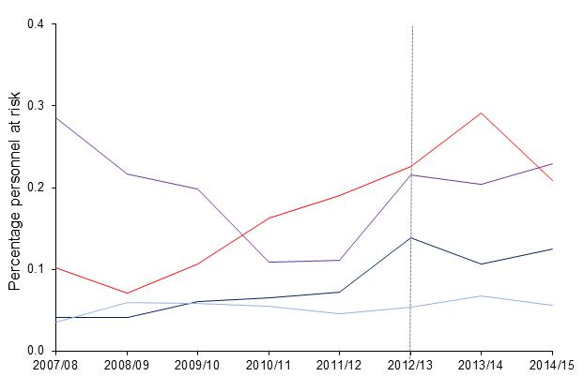
Return to Contents
 |  |  |  |  |  |  |  |  |  |  |  |  |  | 2007/08 |  |  | 2008/09 |  |  | 2009/10 |  |  | 2010/11 |  |  | 2011/12 |  |  | 2012/13 |  |  | 2013/14 |  |  | 2014/15
 |  |  |  | Underlying data: | 2007/08 | 2008/09 | 2009/10 | 2010/11 | 2011/12 | 2012/13 | 2013/14 | 2014/15 |  | n | rate | 95% CI | n | rate | 95% CI | n | rate | 95% CI | n | rate | 95% CI | n | rate | 95% CI | n | rate | 95% CI | n | rate | 95% CI | n | rate | 95% CI
 | Change in 2014/15 on previous year |  |  | Royal Navy | 0.0 | 0.0 | 0.1 | 0.1 | 0.1 | 0.1 | 0.1 | 0.1 | Royal Navy | 13 | 0.4 | (0.2 - 0.7) | 13 | 0.4 | (0.2 - 0.7) | 19 | 0.6 | (0.4 - 0.9) | 20 | 0.6 | (0.4 - 1.0) | 21 | 0.7 | (0.4 - 1.1) | 38 | 1.4 | (0.9 - 1.8) | 28 | 1.1 | (0.7 - 1.5) | 32 | 1.2 | (0.8 - 1.7)
 |  |  |  | Royal Marines | 0.3 | 0.2 | 0.2 | 0.1 | 0.1 | 0.2 | 0.2 | 0.2 | Royal Marines | 22 | 2.8 | (1.8 - 4.3) | 17 | 2.2 | (1.3 - 3.5) | 16 | 2.0 | (1.1 - 3.2) | 9 | 1.1 | (0.5 - 2.1) | 9 | 1.1 | (0.5 - 2.1) | 17 | 2.2 | (1.3 - 3.5) | 16 | 2.0 | (1.2 - 3.3) | 18 | 2.3 | (1.4 - 3.6)
 |  |  |  | Army | 0.1 | 0.1 | 0.1 | 0.2 | 0.2 | 0.2 | 0.3 | 0.2 | Army | 117 | 1.0 | (0.8 - 1.2) | 81 | 0.7 | (0.6 - 0.9) | 126 | 1.1 | (0.9 - 1.3) | 191 | 1.6 | (1.4 - 1.9) | 220 | 1.9 | (1.7 - 2.2) | 254 | 2.3 | (2.0 - 2.5) | 306 | 2.9 | (2.6 - 3.2) | 204 | 2.1 | (1.8 - 2.4)
 | Royal Marines | 12% | 12% | RAF | 0.0 | 0.1 | 0.1 | 0.1 | 0.0 | 0.1 | 0.1 | 0.1 | RAF | 16 | 0.4 | (0.2 - 0.6) | 26 | 0.6 | (0.4 - 0.9) | 26 | 0.6 | (0.4 - 0.9) | 24 | 0.5 | (0.4 - 0.8) | 19 | 0.5 | (0.3 - 0.7) | 21 | 0.5 | (0.3 - 0.8) | 25 | 0.7 | (0.4 - 1.0) | 20 | 0.6 | (0.3 - 0.9)
 | Army | -28% | -28%

 | Royal Navy | 16% | 16%

 | RAF | -17% | -17%

1. Dotted lines represent 2012/13 revised methodology to include electronic patient record data source (paragraph 71).
2. Percentages are based on the calculation of the absolute number and are presented to 1dp (paragraph 74).
3. Excludes personnel where Initial diagnosis was not supplied (See BQR)

Figure 11
Results: Differences in mental disorders among those previously deployed to Iraq/Afghanistan compared to those not previously deployed there

Figure 11 shows the percentage population at risk for UK Armed Forces personnel assessed with a mental disorder at MOD Specialist Mental Health Services by Deployment Status between 2007/08 and 2014/15

Figure 11 : UK Armed Forces personnel assessed with a mental disorder at MOD Specialist Mental Health Services by Deployment Status2,3, 2007/08 - 2014/15, percentage of personnel at risk
Source: Defence Statistics (Health) DS Database and DMICP

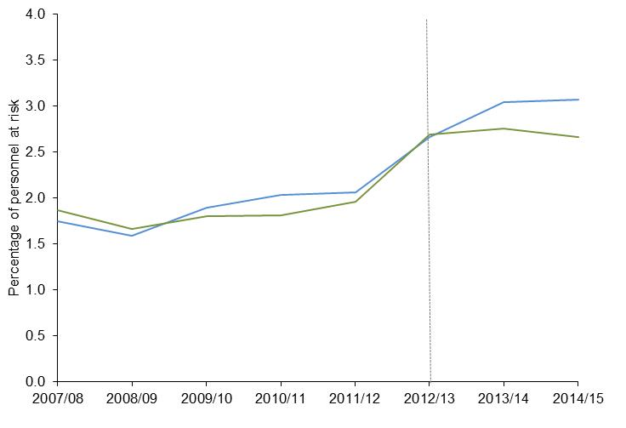
Return to Contents
 |  |  |  |  |  |  |  |  |  |  |  |  | 2007/08 |  |  | 2008/09 |  |  | 2009/10 |  |  | 2010/11 |  |  | 2011/12 |  |  | 2012/13 |  |  | 2013/14 |  |  | 2014/15
 | Change in 2014/15 on previous year |  | Underlying data: | 2007/08 | 2008/09 | 2009/10 | 2010/11 | 2011/12 | 2012/13 | 2013/14 | 2014/15 |  | n | rate | 95% CI | n | rate | 95% CI | n | rate | 95% CI | n | rate | 95% CI | n | rate | 95% CI | n | rate | 95% CI | n | rate | 95% CI | n | rate | 95% CI
 |  |  | Iraq and/or Afghanistan | 1.8 | 1.6 | 1.9 | 2.0 | 2.1 | 2.7 | 3.0 | 3.1 | Iraq and/or Afghanistan | 1834 | 17.5 | (16.7 - 18.3) | 1804 | 15.9 | (15.1 - 16.6) | 2267 | 19.0 | (18.2 - 19.8) | 2497 | 20.3 | (19.5 - 21.1) | 2541 | 20.6 | (19.8 - 21.4) | 3182 | 26.6 | (25.7 - 27.6) | 3427 | 30.4 | (29.4 - 31.4) | 3180 | 35.4 | (29.6 - 31.8)
 |  |  | Neither Iraq nor Afghanistan | 1.9 | 1.7 | 1.8 | 1.8 | 2.0 | 2.7 | 2.8 | 2.7 | Neither Iraq nor Afghanistan | 1725 | 18.7 | (17.8 - 19.6) | 1395 | 16.7 | (15.8 - 17.5) | 1486 | 18.0 | (17.1 - 18.9) | 1405 | 18.1 | (17.2 - 19.1) | 1403 | 19.7 | (18.6 - 20.6) | 1807 | 26.9 | (25.7 - 28.2) | 1744 | 27.6 | (26.2 - 28.8) | 1681 | 26.6 | (25.4 - 27.9)
 | Previously deployed | 1%
 | to Iraq and/or Afghanistan

 | Not previously deployed | -3%
 | to Iraq and/or Afghanistan

1. Dotted lines represent 2012/13 revised methodology to include electronic patient record data source (paragraph 71).
2. Deployment to the wider theatre of operation (see BQR)
3. Data for Afghanistan between 1 January 2003 and 14 October 2005 were not available for person level deployment (see BQR).
4. Percentages are based on the calculation of the absolute number and are presented to 1dp (paragraph 74).
5. Excludes personnel where Initial diagnosis was not supplied (See BQR)

Figure 12
Results: Differences in mental disorders among those previously deployed to Iraq/Afghanistan compared to those not previously deployed there

Figure 12 shows the rate ration and CI for UK Armed Forces personnel seen at the MOD’s DCMH’s, for Iraq and/or Afghanistan by mental disorder in 2014/15

Figure 12 : UK Armed Forces personnel seen at the MOD’s DCMH’s, for Iraq and/or Afghanistan by mental disorder, 2014/15, Rate Ratio, 95% Confidence Interval
Source: Defence Statistics (Health) DS Database and DMICP

Return to Contents

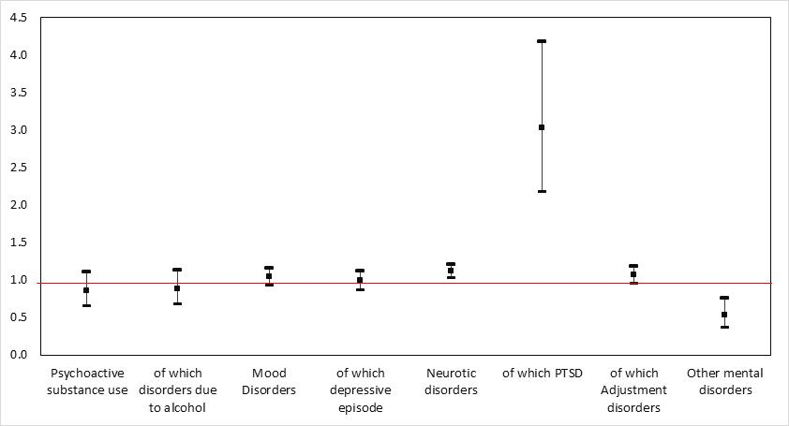
 |  |  |  |  |  |  |  |  |  |  | Underlying data: | RR | LCI | UCI
 |  |  |  |  |  |  |  |  |  |  | Psychoactive substance use | 0.9 | 0.7 | 1.1
 |  |  |  |  |  |  |  |  |  |  | of which disorders due to alcohol | 0.9 | 0.7 | 1.1
 |  |  |  |  |  |  |  |  |  |  | Mood Disorders | 1.0 | 0.9 | 1.2
 |  |  |  |  |  |  |  |  |  |  | of which depressive episode | 1.0 | 0.9 | 1.1
 |  |  |  |  |  |  |  |  |  |  | Neurotic disorders | 1.1 | 1.0 | 1.2
 |  |  |  |  |  |  |  |  |  |  | of which PTSD | 3.0 | 2.2 | 4.2
 |  |  |  |  |  |  |  |  |  |  | of which Adjustment disorders | 1.1 | 1.0 | 1.2
 |  |  |  |  |  |  |  |  |  |  | Other mental disorders | 0.5 | 0.4 | 0.8

1. Deployment to the wider theatre of operation (see BQR)
2. Data for Afghanistan between 1 January 2003 and 14 October 2005 were not available for person level deployment (see BQR).

Table 12 shows the number of patients seen and rate ratios by disorder and deployment 2014/15

Table 12: UK Armed Forces assessed at the MOD’s DCMH by ICD-10 and deployment 2014/15, numbers and rate ratios.
Source: Defence Statistics (Health) DS Database and DMICP

 |  |  | Deployment - Theatres of operation1
 |  |  | Iraq and/or Afghanistan2 |  |  | of which |  |  |  |  |  |  | Not previously deployed
 |  | All patients seen |  |  |  | Iraq |  |  |  | Afghanistan3
ICD-10 description |  |  | Patients seen | Rate ratio | 95% CI | Patients seen | Rate ratio |  | 95% CI | Patients seen | Rate ratio | 95% CI | Patients seen
Psychoactive substance use |  | 247 | 149 | 0.9 | (0.7 - 1.1) | 76 | 0.9 | r | (0.7 - 1.2) | 121 | 0.9 | (0.7 - 1.2) | 98
of which disorders due to alcohol |  | 241 | 147 | 0.9 | (0.7 - 1.1) | 75 | 0.9 | r | (0.7 - 1.2) | 120 | 0.9 | (0.7 - 1.2) | 94
Mood disorders |  | 1373 | 890 | 1.0 | (0.9 - 1.2) | 458 | 1.1 | r | (0.9 - 1.2) | 738 | 1.1 | (1.0 - 1.2) | 483
of which depressive episode |  | 1109 | 707 | 1.0 | (0.9 - 1.1) | 374 | 1.1 | r | (0.9 - 1.2) | 573 | 1.0 | (0.9 - 1.2) | 402
Neurotic disorders |  | 3067 | 2040 | 1.1 | (1.0 - 1.2) | 1024 | 1.1 | r | (1.0 - 1.2) | 1789 | 1.3 | (1.2 - 1.4) | 1028
of which PTSD |  | 274 | 231 | 3.0 | (2.2 - 4.2) | 104 | 2.7 | r | (1.9 - 3.9) | 219 | 3.7 | (2.7 - 5.1) | 43
of which Adjustment disorders |  | 1604 | 1049 | 1.1 | (1.0 - 1.2) | 510 | 1.0 | r | (0.9 - 1.2) | 921 | 1.2 | (1.1 - 1.3) | 555
Other mental and behavioural disorders |  | 118 | 57 | 0.5 | (0.4 - 0.8) | 28 | 0.5 | r | (0.3 - 0.8) | 47 | 0.6 | (0.4 - 0.8) | 61

1. | Deployment to the wider theatre of operation (see BQR).

2. | Rate ratio compares personnel identified as deployed to these theatres of operation with those not identified as deployed to either theatre of operation (see paragraph 39).

3. | Figures for Afghanistan theatre of Operation for period October 2005 – present (see BQR).

4. | r annotates changes to previously published rate ratios for those previously deployed to Iraq following an error in the denominator used in the calculations. Please see Revisions section of the bulletin for further information.

Figure 13
Results : UK Armed Forces mental disorders at MOD DCMH 2007/08-2014/15

Figure 13 shows percentage personnel at risk for UK Armed Forces personnel with an initial assessment at the MOD’s DCMH, for adjustment disorder, by Service between 2007/08 and 2014/15

Figure 13: UK Armed Forces personnel with an initial assessment at the MOD’s DCMH, for adjustment disorder, by Service, 2007/08 – 2014/15, percentage personnel at risk.
Source: Defence Statistics (Health) DS Database, DMICP, SSSFT and BFG

Return to Contents
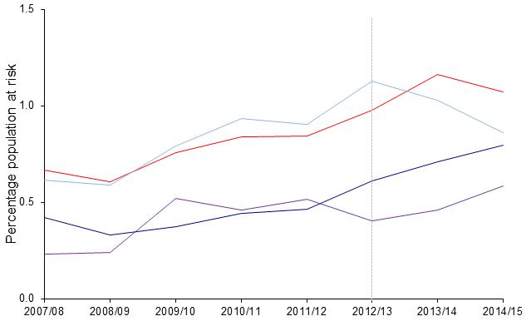
 | Change in 2014/15 on previous year |  |  | Underlying data: |  |  |  |  |  |  |  |  |  | 2007/08 |  |  | 2008/09 |  |  | 2009/101 |  |  | 2010/11 |  |  | 2011/12 |  |  | 2012/131 |  |  | 2013/14 |  |  | 2014/15
 |  |  |  |  | 2007/08 | 2008/09 | 2009/10 | 2010/11 | 2011/12 | 2012/13 | 2013/14 | 2014/15 |  | n | rate | 95% CI | n | rate | 95% CI | n | rate | 95% CI | n | rate | 95% CI | n | rate | 95% CI | n | rate | 95% CI | n | rate | 95% CI | n | rate | 95% CI
 |  |  |  | Royal Navy | 0.4 | 0.3 | 0.4 | 0.4 | 0.5 | 0.6 | 0.7 | 0.8 | Royal Navy | 133 | 4.2 | (3.5 - 4.9) | 103 | 3.3 | (2.7 - 3.9) | 117 | 3.7 | (3.1 - 4.4) | 137 | 4.4 | (3.7 - 5.2) | 136 | 4.7 | (3.9 - 5.4) | 168 | 6.1 | (5.2 - 7.1) | 186 | 7.1 | (6.1 - 8.1) | 205 | 8.0 | (6.9 - 9.1)
 |  |  |  | Royal Marines | 0.2 | 0.2 | 0.5 | 0.5 | 0.5 | 0.4 | 0.5 | 0.6 | Royal Marines | 18 | 2.3 | (1.4 - 3.7) | 19 | 2.4 | (1.5 - 3.8) | 42 | 5.2 | (3.6 - 6.8) | 38 | 4.6 | (3.1 - 6.0) | 42 | 5.2 | (3.6 - 6.7) | 32 | 4.1 | (2.7 - 5.5) | 36 | 4.6 | (3.1 - 6.1) | 46 | 5.9 | (4.2 - 7.6)
 | Army | -8% | -8% | Army | 0.7 | 0.6 | 0.8 | 0.8 | 0.8 | 1.0 | 1.2 | 1.1 | Army | 768 | 6.7 | (6.2 - 7.2) | 697 | 6.1 | (5.6 - 6.5) | 895 | 7.6 | (7.1 - 8.1) | 986 | 8.4 | (7.9 - 8.9) | 979 | 8.5 | (7.9 - 9.0) | 1100 | 9.8 | (9.2 - 10.4) | 1226 | 11.7 | (11.0 - 12.3) | 1046 | 10.7 | (10.1 - 11.4)
 |  |  |  | RAF | 0.6 | 0.6 | 0.8 | 0.9 | 0.9 | 1.1 | 1.0 | 0.9 | RAF | 276 | 6.2 | (5.5 - 6.9) | 259 | 5.9 | (5.2 - 6.6) | 352 | 7.9 | (7.1 - 8.8) | 411 | 9.4 | (8.5 - 10.3) | 379 | 9.0 | (8.1 - 9.9) | 442 | 11.3 | (10.2 - 12.4) | 379 | 10.3 | (9.3 - 11.4) | 307 | 8.6 | (7.7 - 9.6)

 | RAF | -16% | -16%
 | Royal Navy | 12% | 12%
 | Royal Marines | 28% | 28%

1. Dotted lines represent 2012/13 revised methodology to include electronic patient record data source (paragraph 71).
2. Percentages are based on the calculation of the absolute number and are presented to 1dp (See paragraph 74)
3. Excludes personnel where Initial diagnosis was not supplied (See BQR)

Figure 14
Results : UK Armed Forces mental disorders at MOD DCMH 2007/08-2014/15

Figure 14 shows percentage personnel at risk for UK Armed Forces personnel with an initial assessment at the MOD’s DCMH, for mood disorder, by Service between 2007/08 and 2014/15

Figure 14: UK Armed Forces personnel with an initial assessment at the MOD’s DCMH, for mood disorder, by Service, 2007/08 – 2014/15, percentage personnel at risk.
Source: Defence Statistics (Health) DS Database, DMICP, SSSFT and BFG

Return to Contents

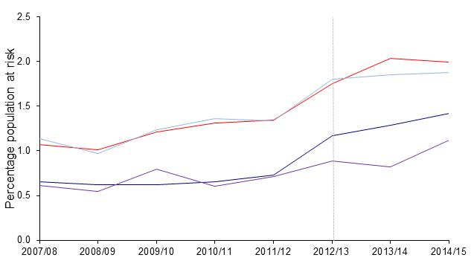
 | Change in 2014/15 on previous year |  |  | Underlying data: |  |  |  |  |  |  |  |  |  | 2007/08 |  |  | 2008/09 |  |  | 2009/101 |  |  | 2010/11 |  |  | 2011/12 |  |  | 2012/131 |  |  | 2013/14 |  |  | 2014/15
 |  |  |  |  | 2007/08 | 2008/09 | 2009/10 | 2010/11 | 2011/12 | 2012/13 | 2013/14 | 2014/15 |  | n | rate | 95% CI | n | rate | 95% CI | n | rate | 95% CI | n | rate | 95% CI | n | rate | 95% CI | n | rate | 95% CI | n | rate | 95% CI | n | rate | 95% CI
 | Army | -2% | -2% | Royal Navy | 0.7 | 0.6 | 0.6 | 0.7 | 0.7 | 1.2 | 1.3 | 1.4 | Royal Navy | 123 | 6.6 | (3.2 - 4.6) | 115 | 6.2 | (3.0 - 4.4) | 131 | 6.2 | (3.5 - 4.9) | 121 | 6.5 | (3.2 - 4.6) | 121 | 7.3 | (3.4 - 4.9) | 207 | 11.7 | (6.5 - 8.6) | 211 | 12.9 | (7.0 - 9.1) | 218 | 14.2 | (7.3 - 9.6)
 | RAF | 1% | 1% | Royal Marines | 0.6 | 0.5 | 0.8 | 0.6 | 0.7 | 0.9 | 0.8 | 1.1 | Royal Marines | 14 | 6.1 | (1.0 - 3.0) | 10 | 5.5 | (0.6 - 2.3) | 14 | 7.9 | (0.9 - 2.9) | 8 | 6.0 | (0.4 - 1.9) | 7 | 7.1 | (0.3 - 1.8) | 28 | 8.9 | (2.4 - 5.1) | 24 | 8.2 | (2.0 - 4.6) | 28 | 11.2 | (2.4 - 5.2)
 |  |  |  | Army | 1.1 | 1.0 | 1.2 | 1.3 | 1.3 | 1.8 | 2.0 | 2.0 | Army | 477 | 10.7 | (3.8 - 4.5) | 408 | 10.1 | (3.2 - 3.9) | 518 | 12.1 | (4.0 - 4.8) | 549 | 13.1 | (4.3 - 5.1) | 561 | 13.4 | (4.4 - 5.3) | 828 | 17.6 | (6.9 - 7.9) | 948 | 20.3 | (8.4 - 9.6) | 824 | 19.9 | (7.9 - 9.0)
 | Royal Navy | 11% | 11% | RAF | 1.1 | 1.0 | 1.2 | 1.4 | 1.3 | 1.8 | 1.9 | 1.9 | RAF | 181 | 11.4 | (3.5 - 4.6) | 158 | 9.7 | (3.1 - 4.2) | 230 | 12.3 | (4.5 - 5.9) | 202 | 13.6 | (4.0 - 5.2) | 256 | 13.4 | (5.4 - 6.9) | 339 | 18.0 | (7.7 - 9.6) | 328 | 18.5 | (8.0 - 9.9) | 303 | 18.8 | (7.6 - 9.5)

 | Royal Marines | 37% | 37%

1. Dotted lines represent 2012/13 revised methodology to include electronic patient record data source (paragraph 71).
2. Percentages are based on the calculation of the absolute number and are presented to 1dp (See paragraph 74)
3. Excludes personnel where Initial diagnosis was not supplied (See BQR)

