Figure1
Figure 1: Maintained nursery and state-funded primary and secondary schools: Full-time equivalent (FTE) number of pupils (aged up to and including 15) by type of school
Years: January 1970 to 2015 (actual) – January 2016 to 2024 (projection)
Coverage: England

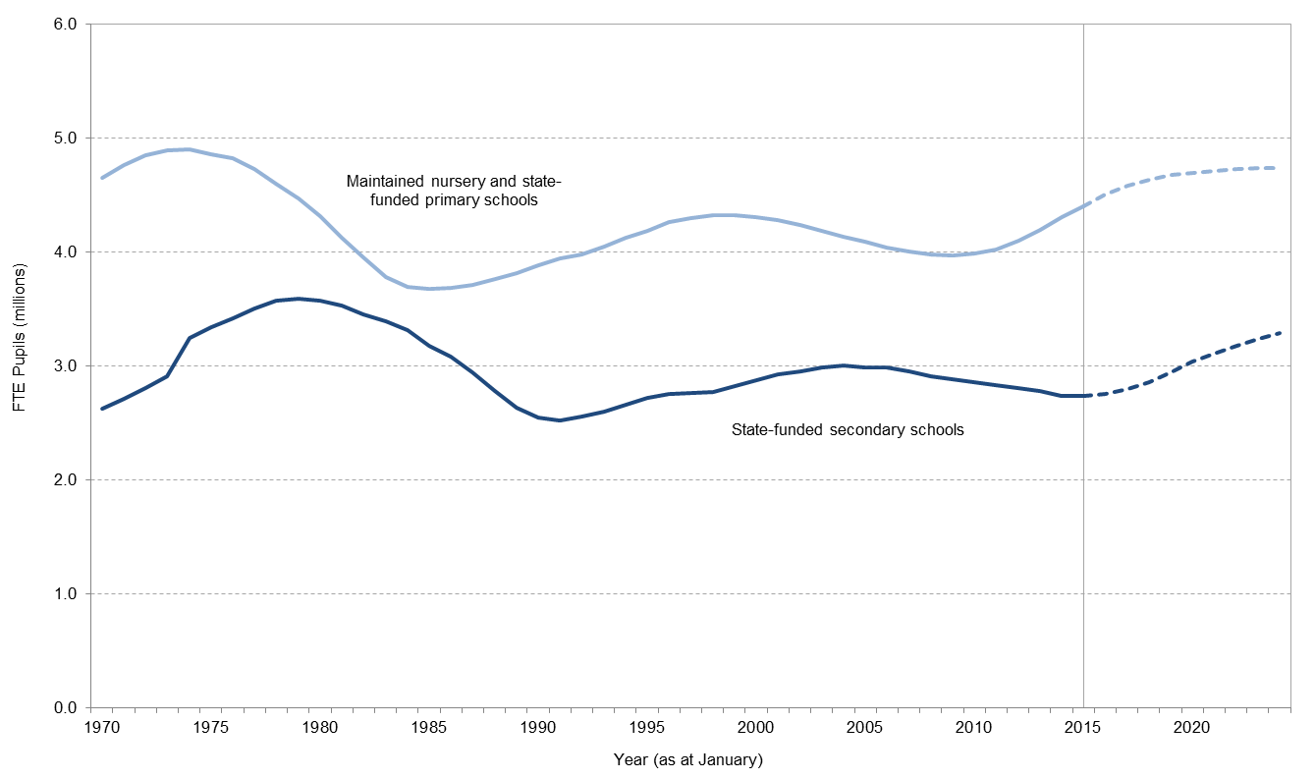

Notes
1. | Projections based on January 2015 school census and mid-2012 based national principal population projections produced by the ONS, updated with additional ONS 2013 estimates and births data

Figure 2
Figure 2: Comparison of the full-time equivalent number of pupils aged 5 to 15 based on varying the assumptions that underlie the ONS population projections
Years: January 2015 (actual) – January 2016 to 2024 (projection)
Coverage: England

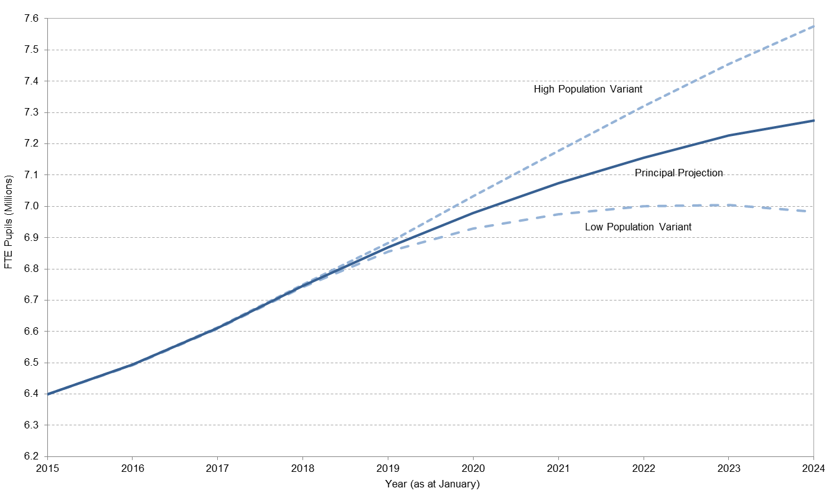

Notes
1 | Projections based on January 2015 school census and mid-2012 based national principal population projections produced by the ONS, updated with additional ONS 2013 estimates and births data
2 | Projections incorporate the ONS principal projections and high and low population variant scenarios which assume a combination of high and low fertility, life expectancy and net migration.
3 | All state-funded schools include maintained nursery, primary, secondary and special schools, pupil referral units, city technical colleges, free schools and all academy types.

Figure 3a
Figure 3: Population aged 5 to 10 (age at mid-year): Percentage change in population size compared to 2012
Years: Mid-2012 to Mid-2017
Coverage: Government Office Regions in England

 | London | East of England | South East | South West | ENGLAND | East Midlands | Yorkshire and the Humber | North West | North East | West Midlands
2012 | 0 | 0 | 0 | 0 | 0 | 0 | 0 | 0 | 0 | 0
2013 | 0.036000752345 | 0.0314017387 | 0.031309957668 | 0.029700806514 | 0.029195428945 | 0.028964101535 | 0.02410953115 | 0.024860303787 | 0.02532794205 | 0.024801628572
2014 | 0.064524583285 | 0.060352444197 | 0.057083482858 | 0.052451674678 | 0.053506540026 | 0.052384944023 | 0.047399469133 | 0.045603483146 | 0.044397402582 | 0.04530520202
2015 | 0.092062805745 | 0.08520370494 | 0.081340533769 | 0.076022429311 | 0.075371108536 | 0.072273071711 | 0.06665477162 | 0.063684881398 | 0.06413584233 | 0.059935014789
2016 | 0.11767916506 | 0.11209938045 | 0.10818239665 | 0.10249177701 | 0.097581227949 | 0.095052583111 | 0.082337163709 | 0.080580505618 | 0.083173207223 | 0.074976952759
2017 | 0.14372087506 | 0.13369655599 | 0.12612476658 | 0.12353314511 | 0.11529663785 | 0.11110243314 | 0.094974445846 | 0.093083847274 | 0.091765398165 | 0.089130305745

Notes
1. | Figures relate to ONS mid-2012 based subnational population projections.

Figure 3b
Figure 3: Population aged 11 to 15 (age at mid-year): Percentage change in population size compared to 2012
Years: Mid-2012 to Mid-2017
Coverage: Government Office Regions in England

 | London | South East | East of England | ENGLAND | Yorkshire and the Humber | West Midlands | East Midlands | North West | South West | North East
2012 | 0 | 0 | 0 | 0 | 0 | 0 | 0 | 0 | 0 | 0
2013 | -0.012019540861 | -0.019471042194 | -0.020361365483 | -0.022321506596 | -0.021940057226 | -0.025216550196 | -0.024657639128 | -0.028202380199 | -0.027585121923 | -0.031895018509
2014 | -0.014646125617 | -0.031970513851 | -0.033949537504 | -0.03573752034 | -0.037159812478 | -0.041150890721 | -0.041246329687 | -0.045314870408 | -0.042692551245 | -0.052759008416
2015 | -0.011138028243 | -0.035657226437 | -0.036858475427 | -0.04084538412 | -0.043597875976 | -0.045171317656 | -0.05116446555 | -0.054750400187 | -0.052947886861 | -0.063467640412
2016 | 0.0030754493742 | -0.032161198715 | -0.03214105615 | -0.036120069178 | -0.038216461838 | -0.040701145507 | -0.050577517988 | -0.051477295175 | -0.052950771612 | -0.063690122978
2017 | 0.029296301561 | -0.01370556585 | -0.014886673356 | -0.017632223796 | -0.019199926013 | -0.025248746643 | -0.033470174337 | -0.035162660744 | -0.037369154276 | -0.045863962178

Notes
1. | Figures relate to ONS mid-2012 based subnational population projections.

