Introduction
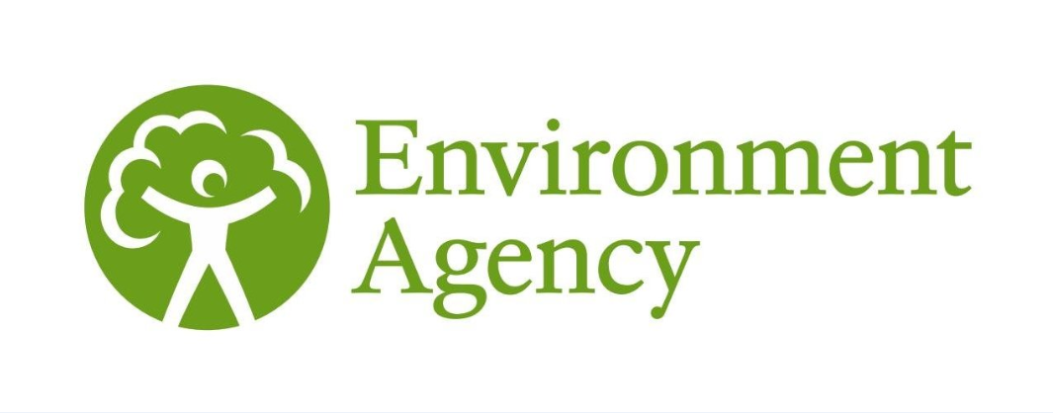
ENVIRONMENT AGENCY (December 2014)
© Environment Agency copyright and/or database right 2014. All rights reserved |  | This document may be downloaded from gov.uk :- | Programme of flood and coastal risk management projects
Flood and Coastal Erosion Risk Management Programmes of Work for the financial year 2015 to 2016 Consented by Regional Flood & Coastal Committees
There are 12 Regional Flood & Coastal Committees (RFCCs) in England. The Environment Agency must consult with RFCCs about flood and coastal erosion risk management work in their region and take their comments into consideration. RFCCs are required to consent the programme covering their region. RFCCs are composed of a chairperson appointed by the Secretary of State and members appointed by lead local flood authorities, and by the Environment Agency.
You can download a map showing RFCC boundaries from gov.uk :- | Regional Flood and Coastal Committees map
What information is provided on the three tables?
There are three separate tables which provide information on flood and coastal erosion risk management (FCERM) projects at three different stages of development. The three stages of the programme reflect increasing levels of certainty around the development and delivery of individual schemes. The visibility that this provides will enable the construction industry to better support the Environment Agency and its partners in identifying where additional efficiencies or delivery improvements could be introduced.
Projects in the programme are at one of three stages: 1) construction programme, 2) development programme or 3) pipeline programme. Within the first two of these stages there are sub-headings in the programme which further define the status of projects.

1 - Construction programme (coloured green): a - Projects already in construction b - Fully funded projects scheduled to start construction in the coming financial year c - Projects scheduled to start construction in the coming financial year, subject to securing other funding contributions

2 - Development programme (coloured amber): a - Projects in development with full funding packages agreed, expected to start construction in future years, subject to approval of a full business case. b - Projects in development, expected to start construction in future years, subject to approval of a full business case and securing other funding contributions. Please note: in this table columns E - J show pre-construction costs and columns M - P shows indicative construction costs up to March 2021.

3 - Pipeline programme (coloured yellow): The pipeline programme lists project proposals that are likely to qualify for some government funding before 2021 and have been given an indicative allocation. However they have not yet identified sufficient contributions and/or do not have a sufficiently well-developed case to enter the development programme at this stage.

Commitments to specific allocations of central government funding (FCERM Grant in Aid - GiA) to projects will be reviewed at least annually. The amounts payable beyond the 2015 to 2016 financial year will be confirmed and allocated on a project by project basis. Local authority and internal drainage board project payments will be in line with the Department for Communities and Local Government rules for the allocation of funding. For schemes entering the construction programme an indicative funding allocation is made through to completion. Funding may be re-profiled to ensure the overall programme remains affordable and efficient. This will ensure that any unused contingency and efficiencies can be effectively applied to support accelerated delivery of the programme. These programmes are subject to change during the year and projects may be subject to delay (for example through extreme weather events) or brought forward (for example in response to additional funding). New projects not on these lists may also start during the year where for example emergency works are required.

Projects are only introduced into the development programme if they have a prima facie (at first sight appear to have a) case for government support in the construction phase. Confirmation of the timing and amount of grant in aid for the construction phase of a scheme is subject to assurance and approvals. As a general rule the maximum funding available for the development phase of a project is 20% of the eligible total grant in aid for that scheme.

Projects in the pipeline programme may move into the development, and potentially construction, programme at any time subject to meeting the normal criteria. The pipeline projects will be regularly reviewed to take full advantage of any opportunities to accelerate their delivery.

The projects listed aim to reduce the risk of flooding from rivers, sea, groundwater or surface water and/or to reduce the risks from coastal erosion. They do not include work to reduce the risks of flooding from sewers which is funded exclusively by water companies.

The projects listed are those that contain an indicative allocation of FCERM grant in aid funding within the 2015 to 2021 period. For further information around any potential projects that will be funded purely from third party funding (or projects that are planned for after 2021), please contact your local Area Flood and Coastal Risk Manager.

All cost information is provided in £k.
The project information in these programmes has been provided by the Environment Agency, local authorities, internal drainage boards, water companies and highways authorities, who all have responsibilities for flood and coastal erosion risk management in England. These programmes are made up of the programmes consented by the RFCCs at their October 2014 meetings. All information is correct as at October 2014. The published cost figures are based on the current most likely costs at 2014 prices. The final figures for costs, GiA contributions and other funding contributions will be updated as the projects progress.
How can I find out about a project near me?
The tables are ordered alphabetically by Regional Flood and Coastal Committee (RFCC), risk management authority (RMA) and then project name. The first four columns of the tables show the project name, risk management authority, RFCC name and project location. On each table, by first finding the RFCC and RMA of interest, you can then scan down the list of projects.
You can contact your local Environment Agency office for more information on any of these projects by calling 03708 506 506 or by email to: |  |  | enquiries@environment-agency.gov.uk
You can also use the interactive map on gov.uk to search for projects by location or postcode :- Interactive map of projects
Understanding the information provided
These tables are used for a wide range of purposes. A brief explanation has been provided below including links to where you can find out more information on how funding is allocated and how the outcomes of the projects are assessed.

Risk Management Authority - This column specifies which risk management authority is leading the project. They are either a local authority (LA), internal drainage board (IDB) or the Environment Agency (EA). Water companies and highways authorities are also risk management authorities and may lead projects in the programme in the future.

Outcomes and funding The numbers of households with a better level of protection are initially estimated using local engineering knowledge and experience from previous flooding. As projects progress in their development the estimate is refined using modelled data. The tables show, for each project, the number of households that are expected to have a better level of protection within the next 6 years, and from the project overall once it is complete.
Where 'other funding' is listed against projects these contributions will need to be forthcoming to enable the projects to continue to progress.
More information on how outcomes of projects are assessed and how grant in aid funding for projects is calculated can be found on gov.uk :- |  |  | Partnership Funding and Outcome measures

Reference: LIT_10059

