Sheet1
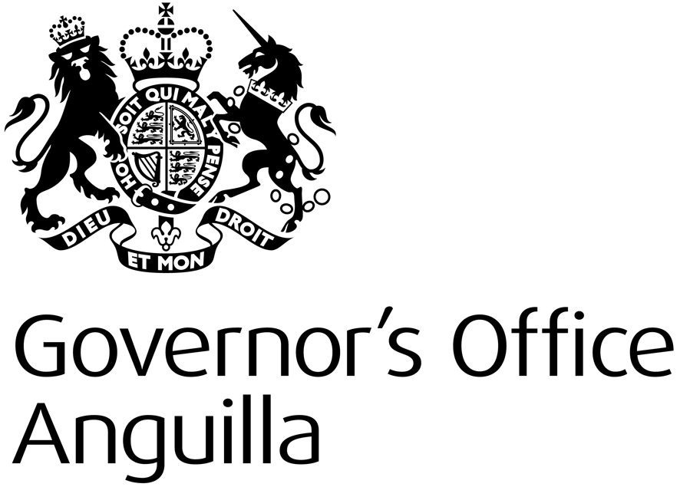

 |  |  | Delegated / Jubilee Fund 2014-15

 |  |  | Project Concept Budget Form

 |  | Currency: | _______________

Activity Number | Activity | May | Jun | Jul | Aug | Sep | Oct | Nov | Dec | Jan | Feb | Mar | Total
 |  |  |  |  |  |  |  |  |  |  |  |  | $0
 |  |  |  |  |  |  |  |  |  |  |  |  | $0
 |  |  |  |  |  |  |  |  |  |  |  |  | $0
 |  |  |  |  |  |  |  |  |  |  |  |  | $0
 |  |  |  |  |  |  |  |  |  |  |  |  | $0
 |  |  |  |  |  |  |  |  |  |  |  |  | $0
 |  |  |  |  |  |  |  |  |  |  |  |  | $0
 |  |  |  |  |  |  |  |  |  |  |  |  | $0
 | Total | $0 | $0 | $0 | $0 | $0 | $0 | $0 | $0 | $0 | $0 | $0 | $0

 | 1. Please fill in currency used for this budget USD or XCD

 | 2. Fill in the amount that will be spenteach month for each activity .

 | 3. Please submit this form by e-mail to Kim. Cutler@fco.gov.uk along with the Project Concept Form.

 | Should you project be chosen, you will be required to breakdown the budget for each activity and submit monthly reports on spend and budgeted spend.

 | For more information please contact Kim Cutler at the Governor's Office 264 497-2621 or by email at Kim.Cutler@fco.gov.uk

