Cover Note
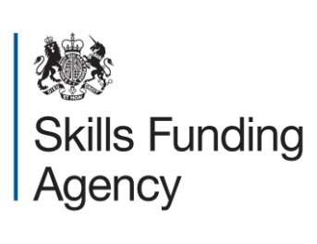
Learning aims approved for public funding as part of the Community Learning budget (2014 to 2015 academic year)
Updated: 30 March 2015

Scope and purpose | This catalogue lists all non-regulated provision which the Skills Funding Agency has approved for public funding for Community Learning in the 2014 to 2015 academic year. Please refer to the relevant tab for learning aim details for new learners - starting on or after 1 August 2014. For regulated provision that is available for public funding for Community Learning in the 2014 to 2015 academic year please refer to the 'Qualifications: simplified funding rates, 2014 to 2015 catalogue' available here:
 | https://www.gov.uk/government/publications/qualifications-simplified-funding-rates-2014-to-2015
 | Please note that Local Authorities, Colleges and organisations in receipt of Community Learning funding can only deliver regulated provision as part of their Community Learning offer as stated in rule 300 in our 2014/15 Funding Rules v2, available here:
 | https://www.gov.uk/sfa-funding-rules-2014-to-2015-v2-section-3-part-2-programmes-community-learning

 | Learning aims appoved for Communiity Learning are also available on 'The Hub':
 | https://hub.imservices.org.uk/Pages/default.aspx

