Relative Poverty (p61)
Percentage of children living in households with less than 60 per cent of contemporary median household income, by region and country, United Kingdom1

Percentage of children
 | 1996-97 | 1997-98 | 1998-99 | 1999-00 | 2000-01 | 2001-02 | 2002-03 | 2003-04 | 2004-05 | 2005-06 | 2006-07 | 2007-08 | 2008-09 | 2009-10 | 2010-11 | 2011-12
Before Housing Costs
Before Housing Costs | 29 | 31 | 30 | 30 | 29 | 28 | 28 | 27 | 26 | 24 | 25 | 27 | 26 | 26 | 23 | 23
After Housing Costs
After Housing Costs | 36 | 37 | 36 | 36 | 35 | 34 | 34 | 32 | 31 | 28 | 29 | 32 | 32 | 33 | 31 | 33

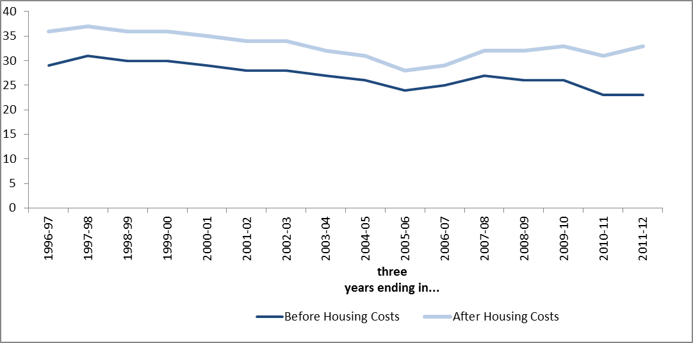

Data Source: Department for Work and Pensions (2013) Households Below Average Income Survey

Absolute Poverty (p62)
Percentage of children living in households with less than 60 per cent of 2010/11 median household income held constant in real terms, by region and country, United Kingdom1

Percentage of children
 | 1996-97 | 1997-98 | 1998-99 | 1999-00 | 2000-01 | 2001-02 | 2002-03 | 2003-04 | 2004-05 | 2005-06 | 2006-07 | 2007-08 | 2008-09 | 2009-10 | 2010-11 | 2011-12
Before Housing Costs
Before Housing Costs | 44 | 43 | 40 | 39 | 37 | 34 | 31 | 28 | 26 | 23 | 24 | 25 | 25 | 23 | 21 | 24
After Housing Costs
After Housing Costs | 50 | 47 | 44 | 43 | 42 | 39 | 36 | 32 | 30 | 27 | 27 | 29 | 29 | 31 | 30 | 33

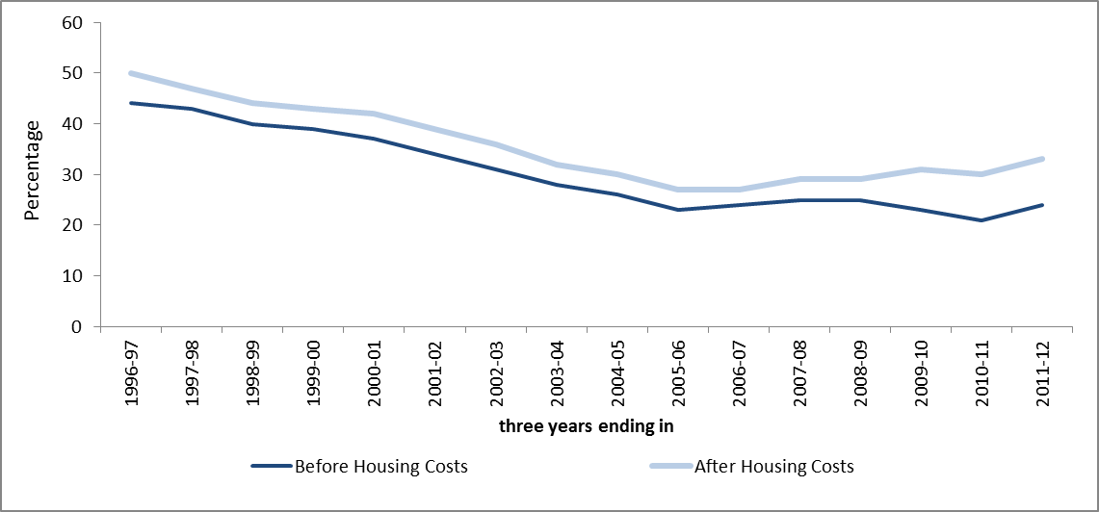

Data Source: Department for Work and Pensions (2013) Households Below Average Income Survey

Worklessness (p63)
Percentage of children in workless households

 | 1996 | 1997 | 1998 | 1999 | 2000 | 2001 | 2002 | 2003 | 2004 | 2005 | 2006 | 2007 | 2008 | 2009 | 2010 | 2011 | 2012 | 2013
Labour Force Survey | 21.0 | 20.7 | 20.4 | 20.5 | 20.8 | 21.8 | 18.9 | 17.2 | 19.0 | 16.1 | 14.9 | 17.2 | 15.5 | 19.3 | 21.1 | 17.5 | 19.1 | 14.4
Annual Population Survey |  |  |  |  |  |  |  |  | 18.7 | 17.5 | 17 | 18.4 | 17.2 | 20 | 18.8 | 18.6 | 17.7
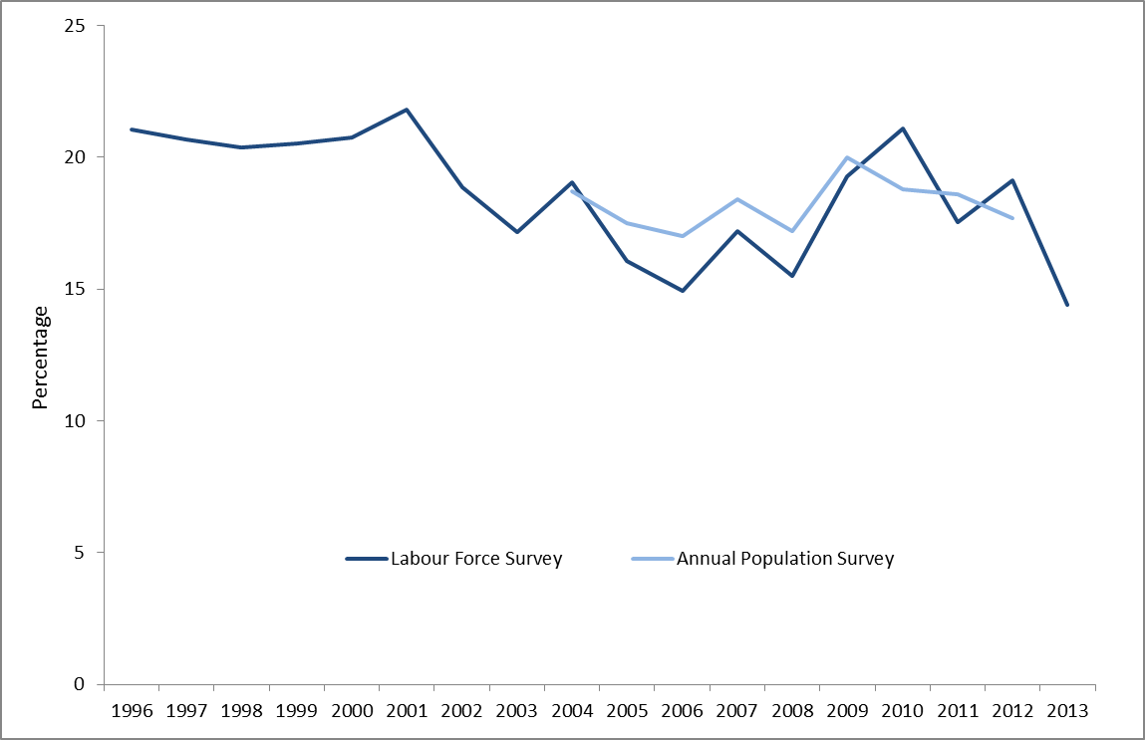

Data Source: Office for National Statistics (2013) Working and Workless Households; Statistics for Wales (2013) Labour Market Statistics for Households

Adult Skills (p64)
Percentage of working age adults with no qualifications

 | 2001 | 2002 | 2003 | 2004 | 2005 | 2006 | 2007 | 2008 | 2009 | 2010 | 2011 | 2012

Percentage of working age adults with no qualifications | 21.5 | 18.5 | 17.3 | 17 | 16.2 | 15.7 | 14.9 | 13.9 | 13.7 | 12.1 | 11 | 10.6

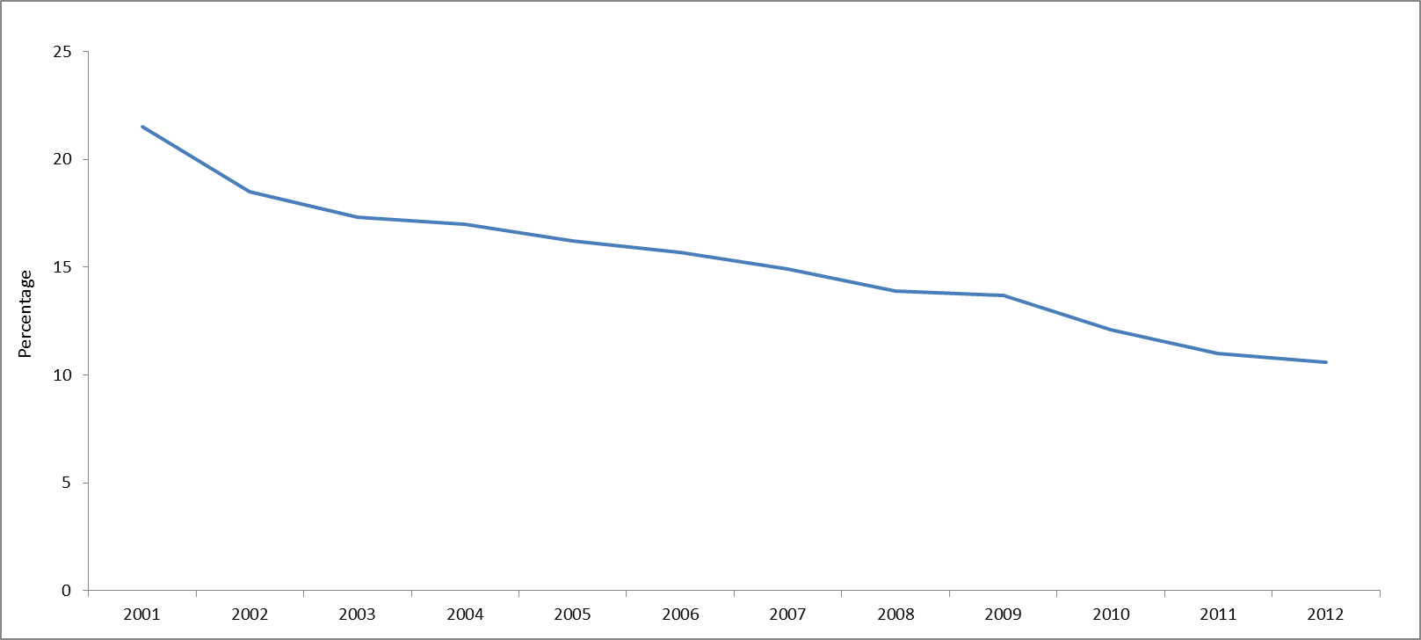

Data Source: Statistics Wales (2013) Highest qualification levels of working age adults by gender, age and qualification

Birthweight (p65)
Percentage of living births weighing less than 2500g

 | 1996 | 1997 | 1998 | 1999 | 2000 | 2001 | 2002 | 2003 | 2004 | 2005 | 2006 | 2007 | 2008 | 2009 | 2010 | 2011 | 2012
Percentage of living births weighing less than 2500g | 6.9 | 7.0 | 7.2 | 7.4 | 7.5 | 7.5 | 7.4 | 7.3 | 7.2 | 6.8 | 7.3 | 7.3 | 7.1 | 7.3 | 7.0 | 6.8 | 7.3

Note: Births with unstated weights have been excluded

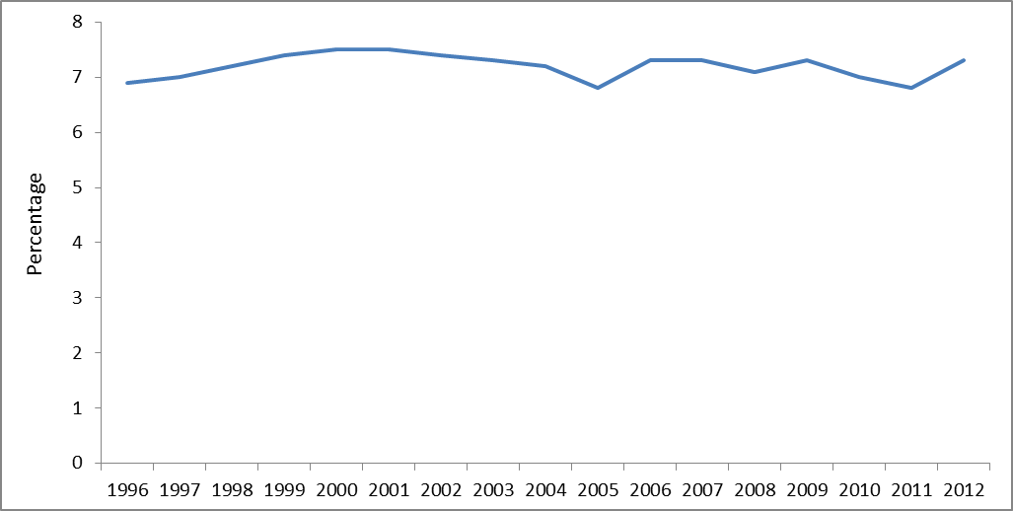

Data Source: Statistics Wales (2013) Births and Infant Mortality; Office for National Statistics, (2013) Characteristics of birth

School - Age 16 (p66)
Percentage of pupils who achieve 5 GCSEs A*-C including English/Welsh and maths by FSM eligibility

 | 2007 | 2008 | 2009 | 2010 | 2011 | 2012
FSM pupils | 18.0 | 18.7 | 20.1 | 20.7 | 22.0 | 23.4
Non-FSM pupils | 47.7 | 48.7 | 52.0 | 54.6 | 55.7 | 56.6
Gap | 29.7 | 30.0 | 31.9 | 33.9 | 33.7 | 33.2

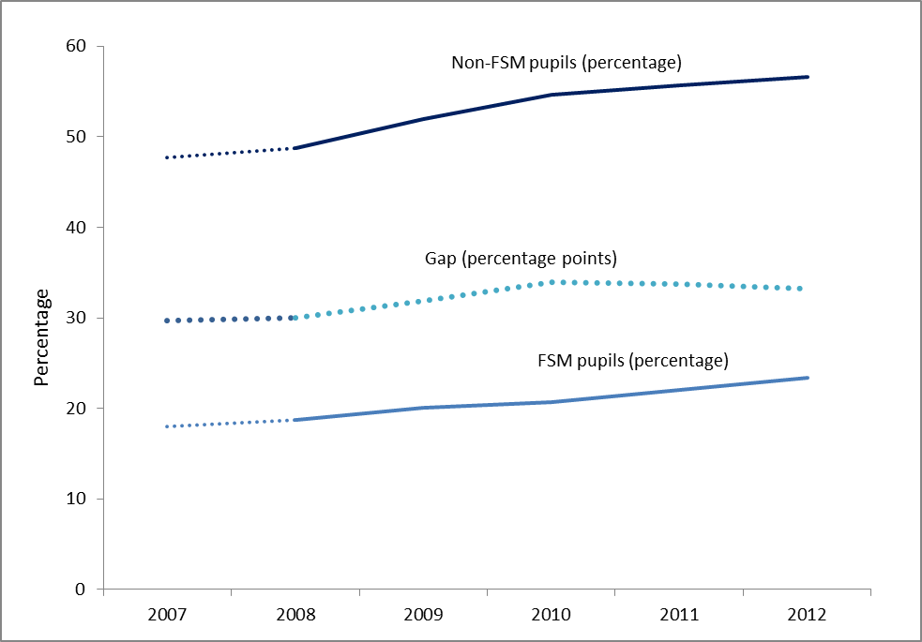

Data Source: Statistics Wales (2013) Achievement and entitlement to Free School Meals in Wales

Children in Care (p68)
Rate of looked after children per 10,000 population aged under 18

 | 2003 | 2004 | 2005 | 2006 | 2007 | 2008 | 2009 | 2010 | 2011 | 2012 | 2013

Rate | 63.7 | 66.0 | 67.4 | 70.1 | 72.1 | 72.2 | 80.7 | 80.7 | 85.1 | 90.5 | 91

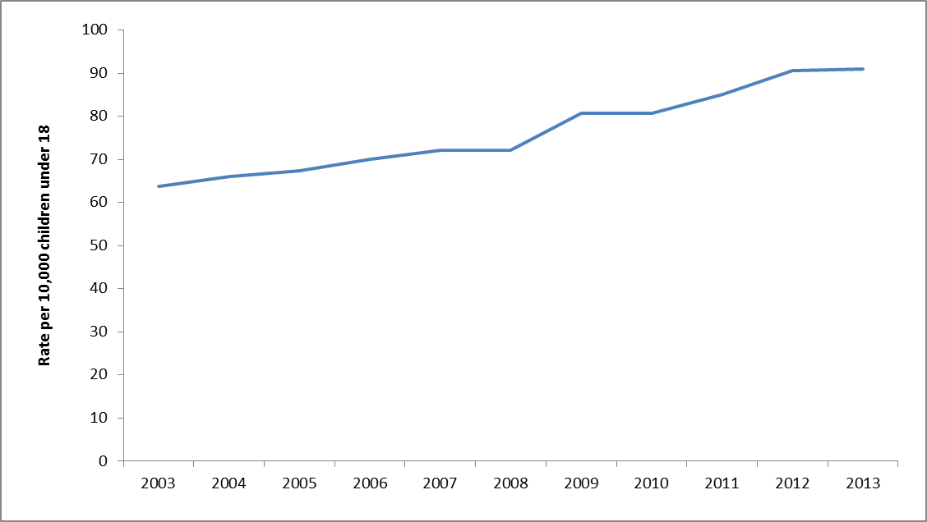

Data Source: Data provided to the Commission by the Welsh Government

16-24 NEET (p70)
Percentage of young people not in education, employment or training

 | 1996 | 1997 | 1998 | 1999 | 2000 | 2001 | 2002 | 2003 | 2004 | 2005 | 2006 | 2007 | 2008 | 2009 | 2010 | 2011 | 2012
16-18 year olds | 12.1 | 10.6 | 11.9 | 11.6 | 10.7 | 11.9 | 11.9 | 12.9 | 11.2 | 9.9 | 9.7 | 11.7 | 12.4 | 12.4 | 11.5 | 12.2 | 10.2
18-24 year olds | 19.7 | 18.5 | 19.3 | 18.6 | 17.9 | 19.2 | 18.4 | 17.1 | 16.2 | 17.5 | 17.9 | 17.4 | 17.4 | 21.8 | 23 | 22.2 | 23

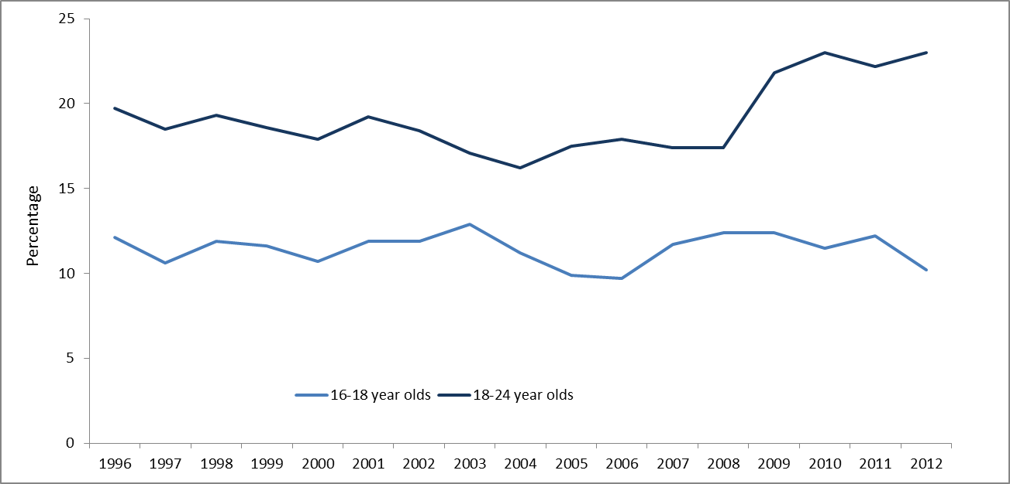

Data Source: Statistics Wales (2013) Participation of Young People in Education and the Labour Market

