Relative Poverty (p73)
Proportion of children living in relative poverty (below 60 per cent of the UK median income) in Scottish households

 |  | 1994/95 | 1995/96 | 1996/97 | 1997/98 | 1998/99 | 1999/00 | 2000/01 | 2001/02 | 2002/03 | 2003/04 | 2004/05 | 2005/06 | 2006/07 | 2007/08 | 2008/09 | 2009/10 | 2010/11 | 2011/12
Children | Before Housing Costs | 28 | 27 | 31 | 30 | 28 | 28 | 27 | 27 | 25 | 24 | 21 | 21 | 21 | 20 | 21 | 20 | 17 | 15
 | After Housing Costs | 30 | 32 | 33 | 31 | 31 | 32 | 32 | 31 | 27 | 27 | 25 | 24 | 25 | 24 | 26 | 25 | 21 | 20

Note: this will not match data published by the Department for Work and Pensions on HBAI results, which gives a 3-year average to allow for comparison between all regions.

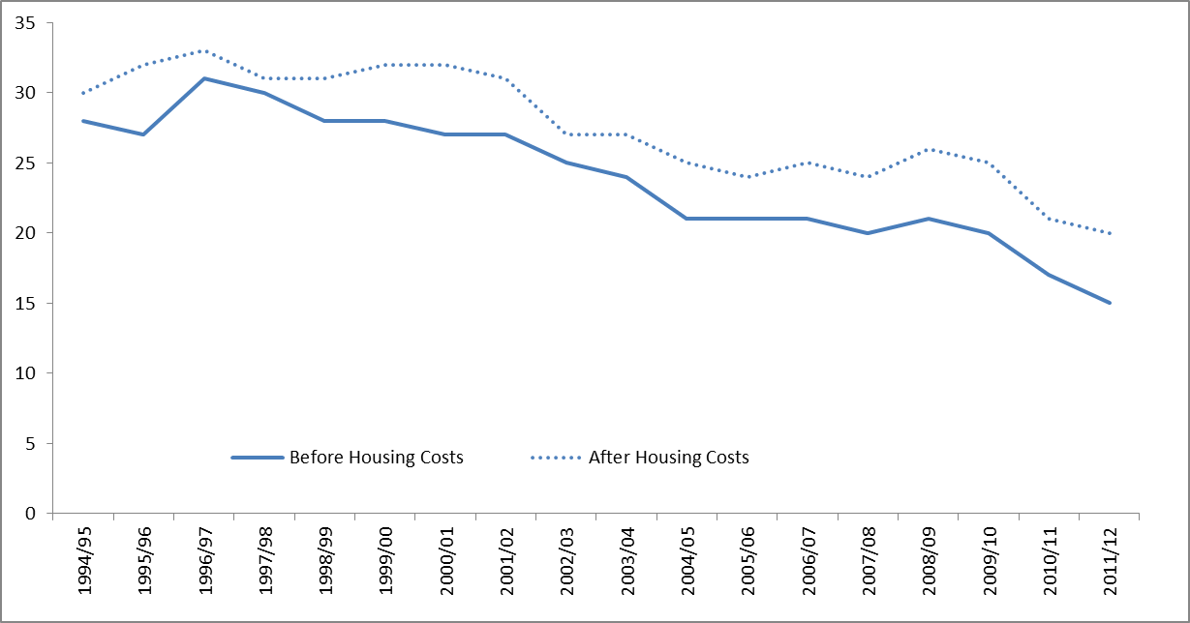

Data Source: Scottish Government (2013) Poverty and Income Inequality: Scotland 2011/12

Absolute poverty (p74)
Proportion of children living in absolute poverty (below 60 per cent of inflation adjusted 2010/11 UK median income) in Scottish households

Proportion of children living in absolute poverty (below 60% of inflation adjusted 2010/11 UK median income) in Scottish households: 1994/95 to 2011/12

 | 1994/95 | 1995/96 | 1996/97 | 1997/98 | 1998/99 | 1999/00 | 2000/01 | 2001/02 | 2002/03 | 2003/04 | 2004/05 | 2005/06 | 2006/07 | 2007/08 | 2008/09 | 2009/10 | 2010/11 | 2011/12

BHC | 38 | 42 | 40 | 39 | 36 | 34 | 31 | 30 | 25 | 24 | 21 | 21 | 21 | 19 | 20 | 18 | 17 | 16

AHC | 42 | 47 | 46 | 43 | 39 | 38 | 35 | 34 | 27 | 27 | 24 | 22 | 22 | 22 | 24 | 22 | 21 | 22

Note: this will not match data published by the Department for Work and Pensions on HBAI results, which gives a 3-year average to allow for comparison between all regions.

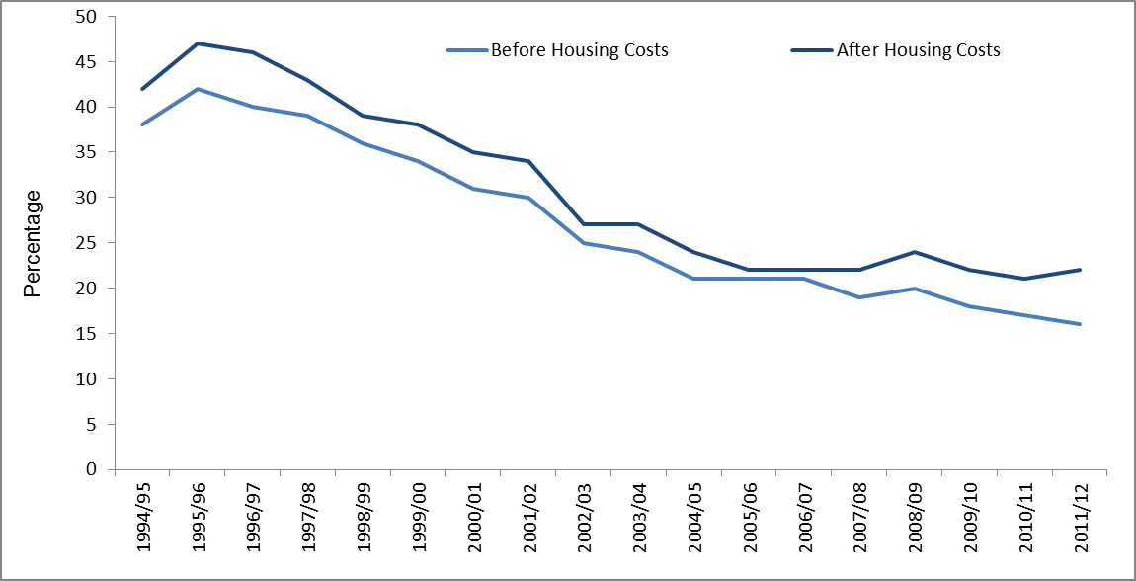

Data Source: Scottish Government (2013) Poverty and Income Inequality: Scotland 2011/12

Material Deprivation (p75)
Percentage of children in combined material deprivation (based on a suite of questions in the Family Resources Survey) and low income (below 70% of UK median income)

 | 2004/05 | 2005/06 | 2006/07 | 2007/08 | 2008/09 | 2009/10 | 2010/11 | 2011/12

Percentage (old indicator) | 16.4 | 12.9 | 15.9 | 15.3 | 16.1 | 14.7 | 13.0

Percentage (new indicator) |  |  |  |  |  |  | 11.9 | 8.2

Note: The questions used to define Material Deprivation changed in 2011-12. Figures from the old and new suite are not comparable.

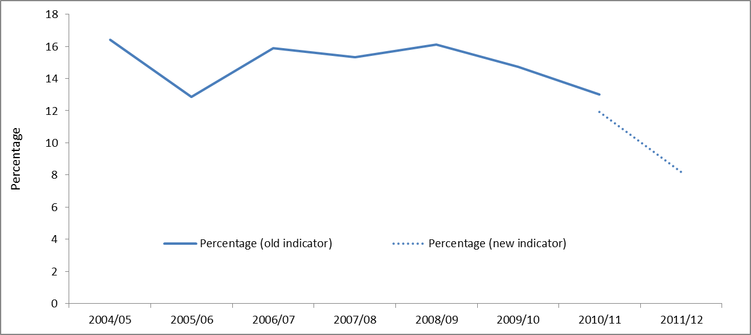

Data Source: Scottish Government (2013) Poverty and Income Inequality: Scotland 2011/12

Inequality (p76)
Proportion of total equivalised income going to the bottom three income deciles

Proportion of total equivalised income going to the bottom three income deciles

1999/00 | 2000/01 | 2001/02 | 2002/03 | 2003/04 | 2004/05 | 2005/06 | 2006/07 | 2007/08 | 2008/09 | 2009/10 | 2010/11 | 2011/12

13.4 | 13.2 | 14.1 | 13.7 | 14 | 14.4 | 13.9 | 13.9 | 13.5 | 13.2 | 13.1 | 14.5 | 14.1

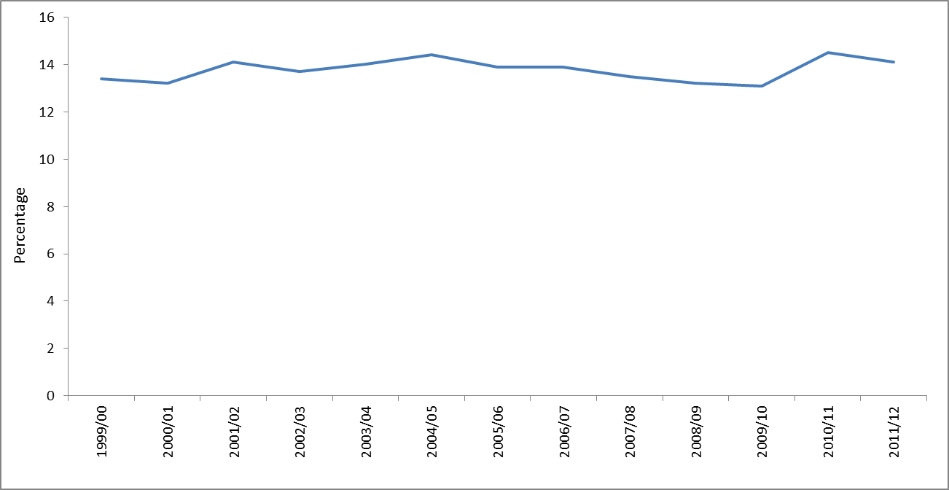

Data Source: Scottish Government (2013) Poverty and Income Inequality: Scotland 2011/12

School Attainment (p77)
Average tariff score of S4 pupils, by deprivation

Average tariff score of S4 pupils, by characteristic of pupil, 2011/12

Deprivation | 2005/06 | 2006/07 | 2007/08 | 2008/09 | 2009/10 | 2010/11 | 2011/12

Most deprived | 121 | 120 | 121 | 124 | 132 | 135 | 142

Least deprived | 223 | 225 | 227 | 230 | 231 | 233 | 236

Gap | 102 | 105 | 105 | 106 | 99 | 98 | 94

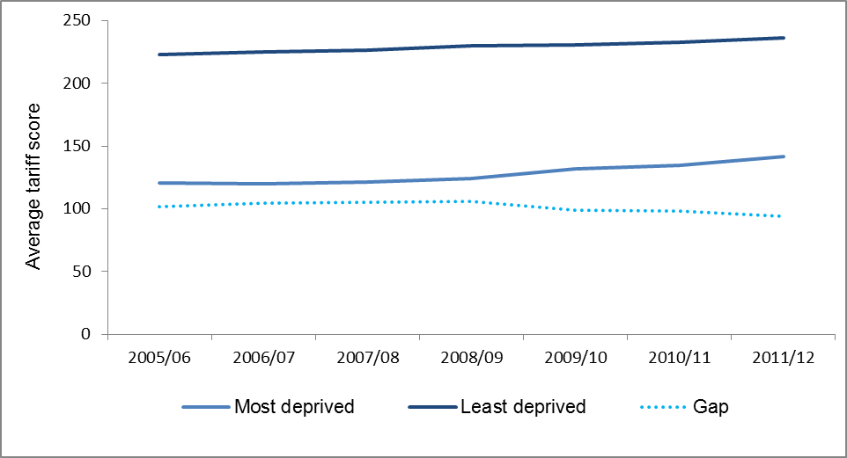

Data Source: Scottish Government (2013) Attainment and Leaver Destinations Supplementary Data 2011/12

Adult Skills (p78)
Proportion of adults aged 16-64 with low or no qualifications (SCQF level 4 or below)

Proportion of adults aged 16-64 with low or no qualifications (SCQF level 4 or below)

2004 | 2005 | 2006 | 2007 | 2008 | 2009 | 2010 | 2011 | 2012

19.1 | 17.7 | 16.6 | 16.4 | 16.3 | 15.7 | 14.7 | 13.9 | 13.0

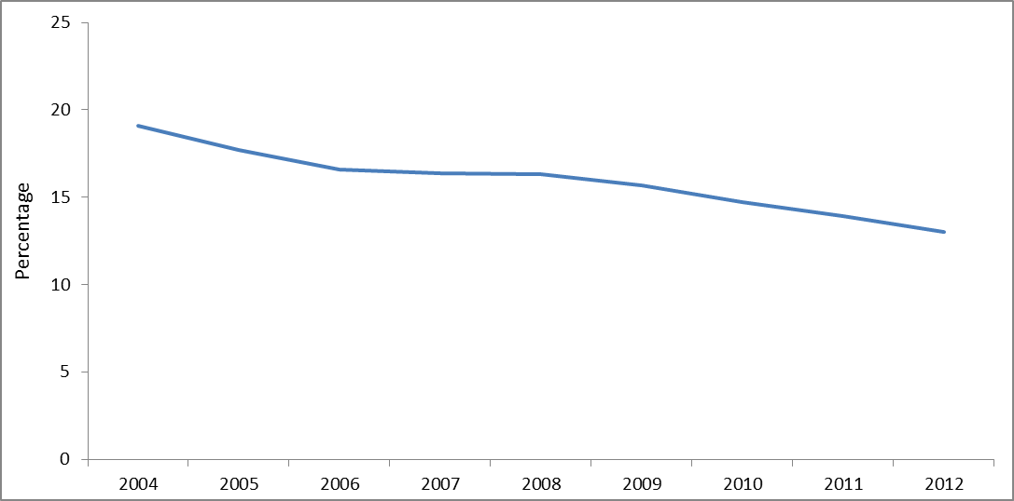

Data Source: Data provided by the Scottish Government

School Destinations (p79)
Proportion of school leavers who are in a positive destination approximately 9 months after leaving school

Proportion of school leavers who are in a positive destination approximately 9 months after leaving school

 | 2007/08 | 2008/09 | 2009/10 | 2010/11 | 2011/12 | 2012/13

Old | 87 | 84 | 85.1
New |  |  |  | 85.2 | 87.2 | 89.5

Note: Due to changes in the definition of positive destinations in 2010/11 it is not possible to compare the pre and post 2010/11 data

 | Old | New - with new program added
2007/08 | 87
2008/09 | 84
2009/10 | 85.1
2010/11 |  | 85.2
2011/12 |  | 87.2
2012/13 |  | 89.5

Data Source: Skills Development Scotland (2013)

16-19 NEET (p80)
Proportion of 16-19 year olds Not in Education, Employment or Training (NEET), Scotland, 2004-2012

Proportion of 16-19 year olds Not in Education, Employment or Training (NEET), Scotland, 2004-2012

 | 2004 | 2005 | 2006 | 2007 | 2008 | 2009 | 2010 | 2011 | 2012

Percentage | 11.7 | 13.9 | 11.7 | 11 | 11.4 | 12.8 | 13.7 | 12.4 | 13.3

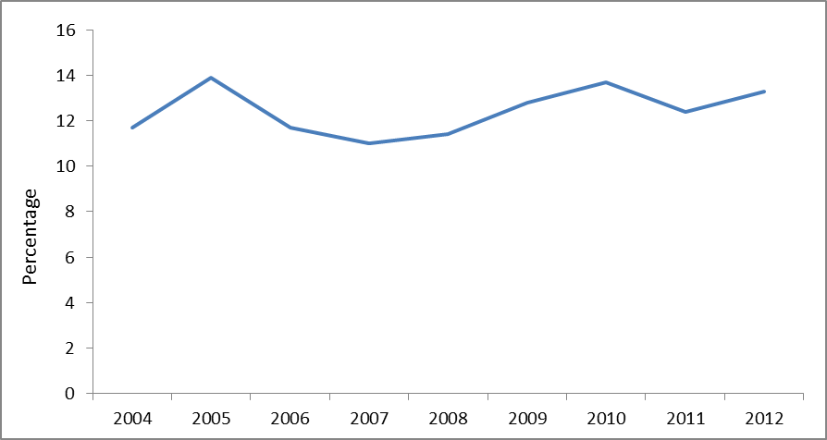

Data Source: Scottish Government (2013) More Choices More Chances Dataset

Graduate Destinations (p81)
Percentage of graduates in positive destinations 6 months after graduating, 2002-03 to 2011-12

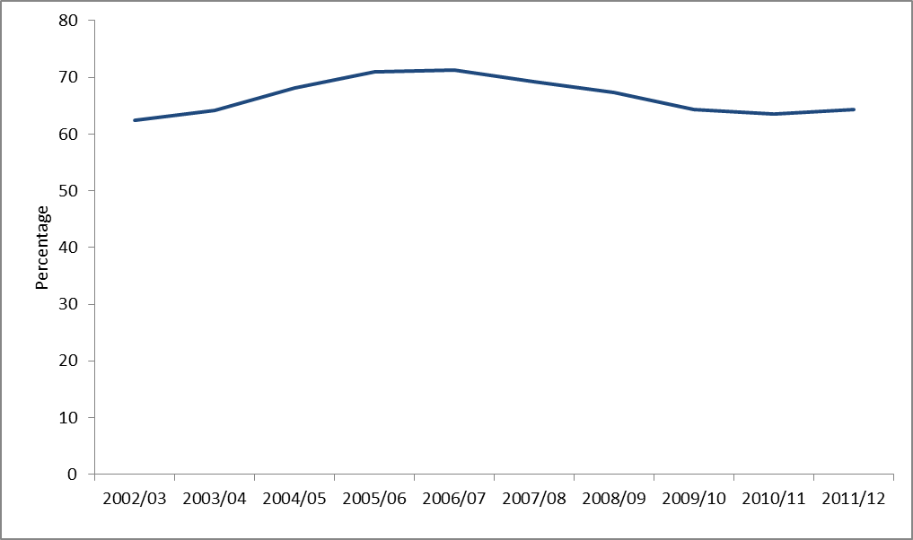
Percentage of graduates in positive destinations 6 months after graduating

 | 2002/03 | 2003/04 | 2004/05 | 2005/06 | 2006/07 | 2007/08 | 2008/09 | 2009/10 | 2010/11 | 2011/12

Employed in Professional and Managerial level occupation in Scotland (SOC1 to 3) | 50.1 | 50.3 | 55.4 | 58.1 | 58.1 | 55.2 | 50.9 | 49.8 | 49.8 | 50.6

Further Study or Training anywhere in the world | 12.4 | 14.0 | 12.8 | 12.9 | 13.2 | 14.1 | 16.5 | 14.0 | 13.7 | 13.7

Other destination | 37.5 | 35.8 | 31.9 | 29.0 | 28.7 | 30.7 | 32.6 | 35.7 | 36.5 | 35.6

Positive destinations | 62.5 | 64.2 | 68.1 | 71.0 | 71.3 | 69.3 | 67.4 | 64.3 | 63.5 | 64.4

Data Source: Higher Education Statistics Agency (2013)

Note: A "Positive Destinantion" has been defined as meaning working in a Managerial or Professional' job in Scotland (as defined by the Standard Occupational Classification (SOC)) or in continued study. It is measured 6 months after graduation

Birthweight (p83)
The proportion of new born babies with a weight appropriate for gestational age

 | 2001 | 2002 | 2003 | 2004 | 2005 | 2006 | 2007 | 2008 | 2009 | 2010 | 2011 | 2012

Percentage of babies with a healthy birth weight | 89.5 | 89.5 | 89.7 | 89.5 | 89.4 | 89.5 | 89.6 | 89.9 | 89.6 | 90 | 90.1 | 89.9

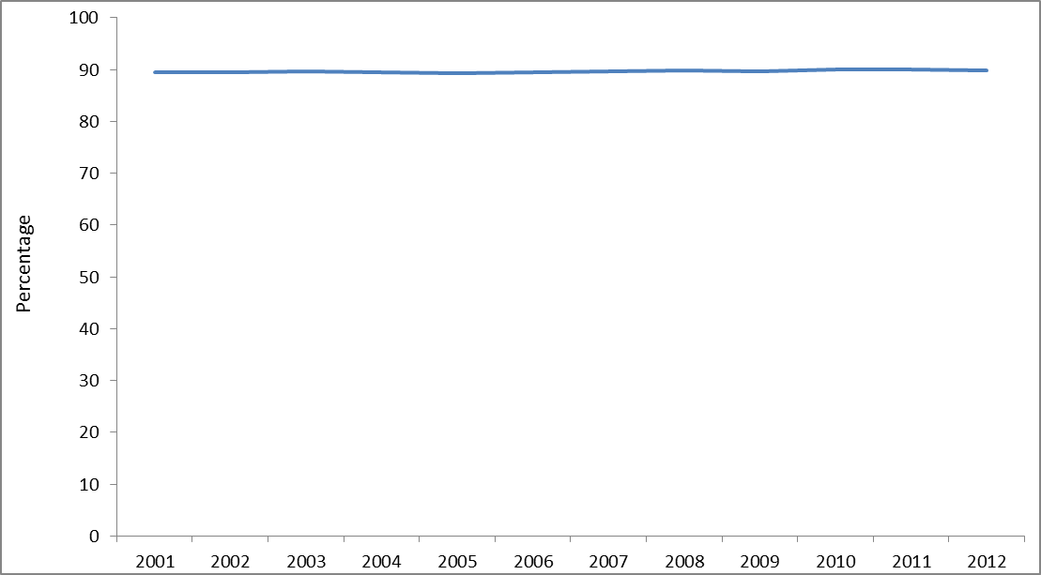

Data Source: Data provided to the Commission by the Scottish Government

BMI (p84)
Percentage of children whose Body Mass Index (BMI) lies within a healthy range

Percentage of children aged 2-15 years whose Body Mass Index lies within a healthy range

 | 1998 | 1999 | 2000 | 2001 | 2002 | 2003 | 2004 | 2005 | 2006 | 2007 | 2008 | 2009 | 2010 | 2011 | 2012

Proportion of healthy weight children (revised) | 70.1 |  |  |  |  | 66.7 |  |  |  |  | 66.2 | 69.1 | 67.3 | 65.4 | 67.5

Note: Healthy weight is defined as BMI greater than the 2nd percentile and below the 85th percentile according to the UK growth reference charts.

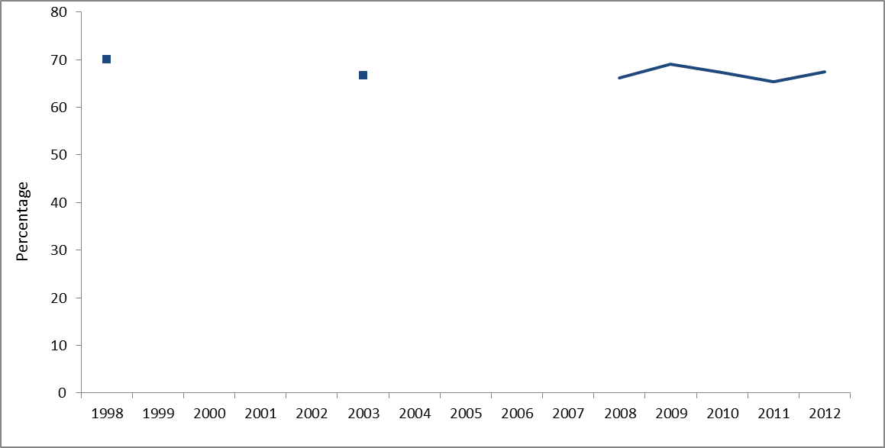

Data Source: Scottish Health Survey

Adult health (p85)
Percentage of adults who assess their health as very good or good

 | 2008 | 2009 | 2010 | 2011 | 2012

Men | 76.5 | 76.9 | 75.9 | 77.3 | 74.9

Women | 74.6 | 76.6 | 74.0 | 74.3 | 73.1

All adults | 75.5 | 76.7 | 75.0 | 75.8 | 74.0

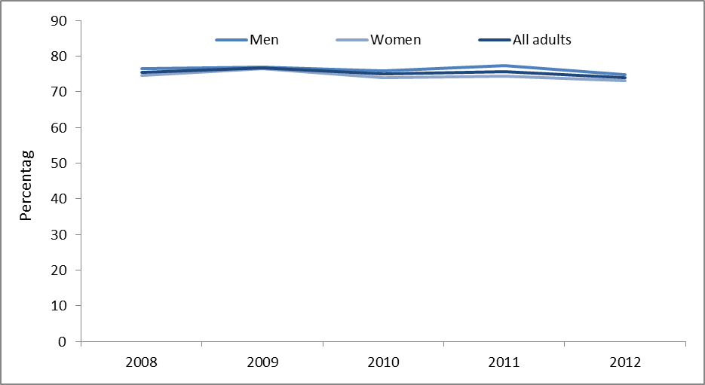

Data Source: Scottish Health Survey

Mental wellbeing (p86)
Improve mental well-being

Mental wellbeing derived from average score on the Warwick-Edinburgh Mental Well-being Scale (WEMWBS) of adults aged 16+ years

 | 2008 | 2009 | 2010 | 2011 | 2012

Mean score | 50.0 | 49.7 | 49.9 | 49.9 | 49.9

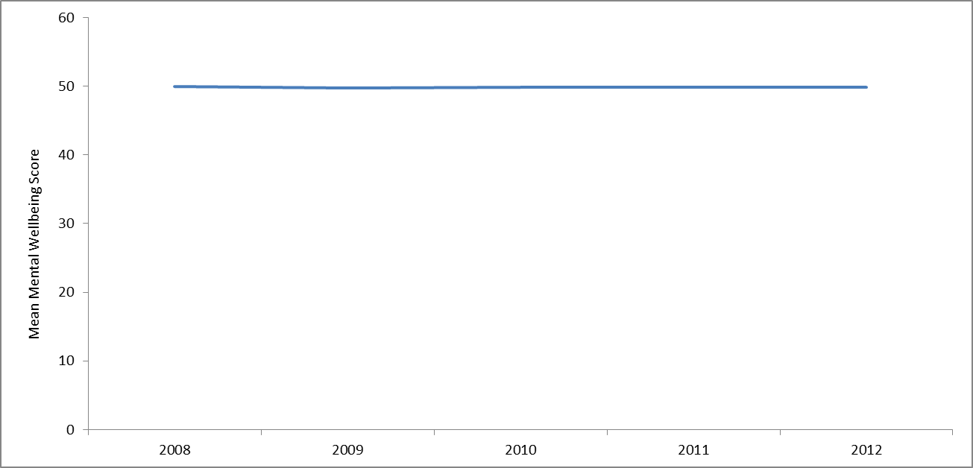

Data Source: Scottish Health Survey

Drug use (p87)
Number of adults with problem drug use

The estimated number of people (aged 15-64) in Scotland who use opiates (including illicit and prescribed methadone) and/or benzodiazepines illicitly

 | 2000 | 2003 | 2006 | 2009/10

Number of individuals | 55,800 | 51,600 | 55,300 | 59,600

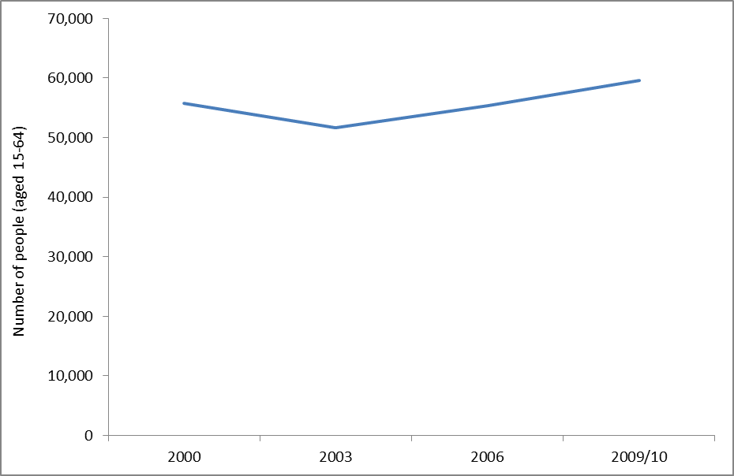

Data Source: Estimating the National and Local Prevalence of Problem Drug Misuse in Scotland; Centre for Drug Misuse Research, University of Glasgow Scottish Centre for Infection and Environmental Health (2012)

