COVER
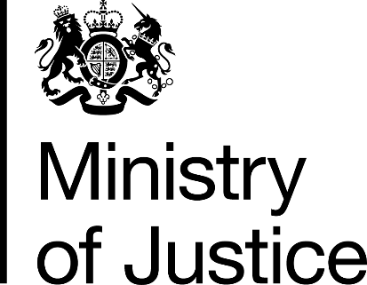

Her Majesty's Prison and Probation Service
Workforce Statistics Bulletin

30th June 2017

Ministry of Justice
Statistics Bulletin

Published 17th Aug 2017

